Model
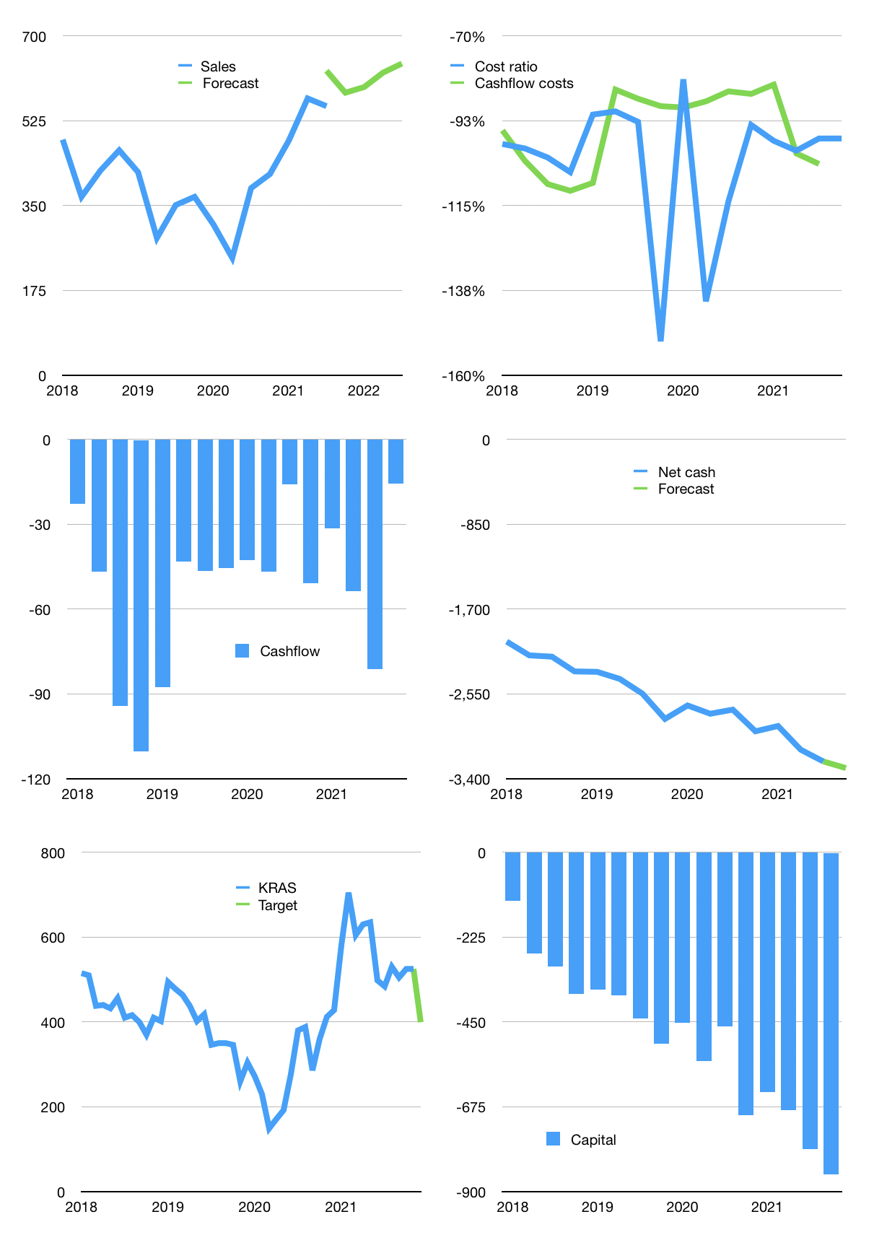
Financial model
$m | 4Q 2021
Cashflow | 10% |  |  | 4%
Growth | 5% | 2% | 5% | 3%
Sales | 583 | 595 | 624 | 643
Cost ratio | -97% | -97% | -97% | -97%
Cash costs | -567 | -578 | -607 | -625
Operating | 16 | 17 | 17 | 18
Investment | -34 | -34 | -34 | -34
Finance | 17 | 17 | 16 | 16
Liabilities | -166 | -158 | -150 | -142
Equity | 0 | 0 | 0 | 0
Before revolver | -184 | -175 | -166 | -158
Revolver | 184 | 175 | 166 | 158
Beginning | 95 | 95 | 95 | 95
Change | 0 | 0 | 0 | 0
End | 95 | 95 | 95 | 95
Profit
Non cash costs | 11 | 11 | 11 | 11
Profit | 27 | 28 | 28 | 29
Balance sheet
Other assets | 4,773 | 4,806 | 4,840 | 4,874
Depreciation | 1,080 | 1,069 | 1,058 | 1,047
Net other assets | 3,693 | 3,737 | 3,782 | 3,827
Liabilities | 3,156 | 2,998 | 2,848 | 2,706
Revolver | 184 | 358 | 525 | 683
Equity | 448 | 476 | 504 | 533
Check | 0 | 0 | 0 | 0
Net cash | -3,244 | -3,262 | -3,278 | -3,294
Valuation
Rupiah |  |  |  | 14
Capital | -804 | -822 | -838 | -854
Current value |  |  |  | 726
P/assets |  |  |  | 0.19
Yield |  |  |  | 0%
Cashflow |  |  |  | 68
Payback |  |  |  | 53
Valuation |  |  |  | 11
Forecast |  |  |  | 9
Value |  |  |  | 614
Shares |  |  |  | 22
Target |  |  |  | 399
Current |  |  |  | 525
V target |  |  |  | -24%
12 month growth |  |  |  | 44%
Sales forecasts |  |  |  | 13%

