Model
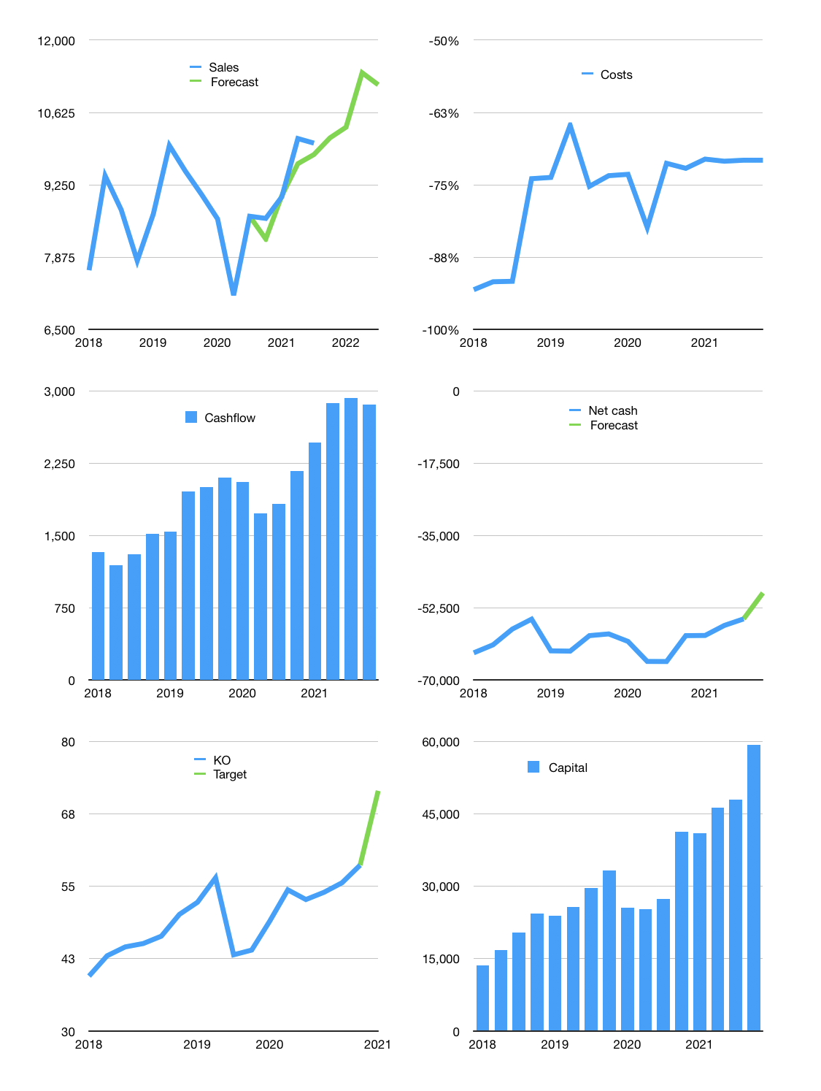
Financial model
$m | 4Q 2021
Cashflow | 4% |  |  | 3%
Growth | 1% | 2% | 10% | -2%
Sales | 10,142 | 10,345 | 11,380 | 11,152
Cost ratio | -71% | -71% | -71% | -71%
Cash costs | -7,176 | -7,319 | -8,051 | -7,890
Operating | 2,967 | 3,026 | 3,328 | 3,262
Investment | -287 | -287 | -287 | -287
Finance | -2,680 | -2,739 | -3,042 | -2,975
Liabilities | -3,324 | -3,157 | -3,000 | -2,850
Equity | -1,198 | -1,228 | -1,379 | -1,346
Before revolver | -1,842 | -1,646 | -1,337 | -1,220
Revolver | 1,842 | 1,646 | 1,337 | 1,220
Beginning | 11,301 | 11,301 | 11,301 | 11,301
Change | 0 | 0 | 0 | 0
Ending | 11,301 | 11,301 | 11,301 | 11,301
Profit
Non cash costs | -570 | -570 | -570 | -570
Profit | 2,397 | 2,456 | 2,759 | 2,692
Balance sheet
Other assets | 90,949 | 91,235 | 91,522 | 91,808
Depreciation | 11,927 | 12,496 | 13,066 | 13,636
Net other assets | 79,022 | 78,739 | 78,455 | 78,172
Liabilities | 63,148 | 59,991 | 56,991 | 54,142
Revolver | 1,842 | 3,488 | 4,825 | 6,045
Equity | 25,331 | 26,560 | 27,939 | 29,285
Check | -1 | -1 | -1 | -1
Net cash | -53,689 | -52,178 | -50,516 | -48,886
Valuation
Capital | 50,646 | 53,385 | 56,427 | 59,403
Current value |  |  |  | 253,300
P/assets |  |  |  | 2.8
Yield |  |  |  | 2%
Cashflow |  |  |  | 11,437
Payback |  |  |  | 7
Valuation |  |  |  | 22
Forecast |  |  |  | 27
Value |  |  |  | 308,794
Shares |  |  |  | 4,319
Target |  |  |  | 71
Current |  |  |  | 59
V target |  |  |  | 22%
12 month growth |  |  |  | 16%
Sales forecasts |  |  |  | -2%

