Model
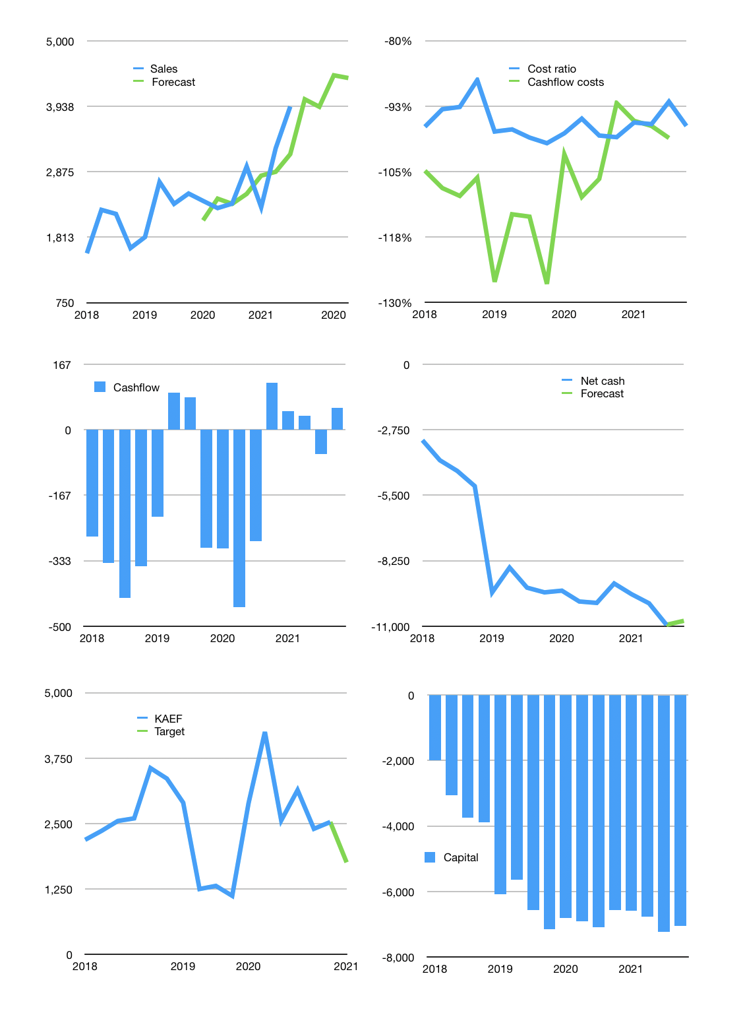
Financial model
Rpbn | 4Q 2021
Cashflow | 16% |  |  | 3%
Growth | 3% | -3% | 13% | -1%
Sales | 4,053 | 3,931 | 4,442 | 4,398
Cost ratio | -96% | -96% | -96% | -96%
Cash costs | -3,903 | -3,785 | -4,278 | -4,235
Operating | 150 | 146 | 165 | 163
Investment | -107 | -107 | -107 | -107
Finance | -43 | -39 | -58 | -56
Liabilities | -580 | -551 | -524 | -497
Equity | -6 | -6 | -8 | -8
Before revolver | -543 | -518 | -474 | -449
Revolver | 543 | 518 | 474 | 449
Beginning | 661 | 661 | 661 | 661
Change | 0 | 0 | 0 | 0
Ending | 661 | 661 | 661 | 661
Profit
Non cash costs | -87 | -87 | -87 | -87
Net profit | 63 | 59 | 77 | 76
Balance sheet
Other assets | 19,826 | 19,933 | 20,040 | 20,147
Depreciation | 1,622 | 1,709 | 1,796 | 1,883
Net other assets | 18,204 | 18,224 | 18,243 | 18,263
Liabilities | 11,025 | 10,474 | 9,950 | 9,452
Revolver | 543 | 1,062 | 1,536 | 1,985
Equity | 7,297 | 7,349 | 7,419 | 7,487
Check | 0 | 0 | 0 | 0
Net cash | -10,907 | -10,874 | -10,824 | -10,776
Valuation
Capital | -7,200 | -7,161 | -7,103 | -7,048
Current value |  |  |  | 14,050
P/assets |  |  |  | 0.74
Yield |  |  |  | 0.2%
Cashflow |  |  |  | 195
Payback |  |  |  | 93
Valuation |  |  |  | 72
Forecast |  |  |  | 50
Value |  |  |  | 9,770
Shares |  |  |  | 6
Target |  |  |  | 1,759
Current |  |  |  | 2,530
V target |  |  |  | -30%
12 month growth |  |  |  | 67%
Sales forecasts |  |  |  | -6%

