Model
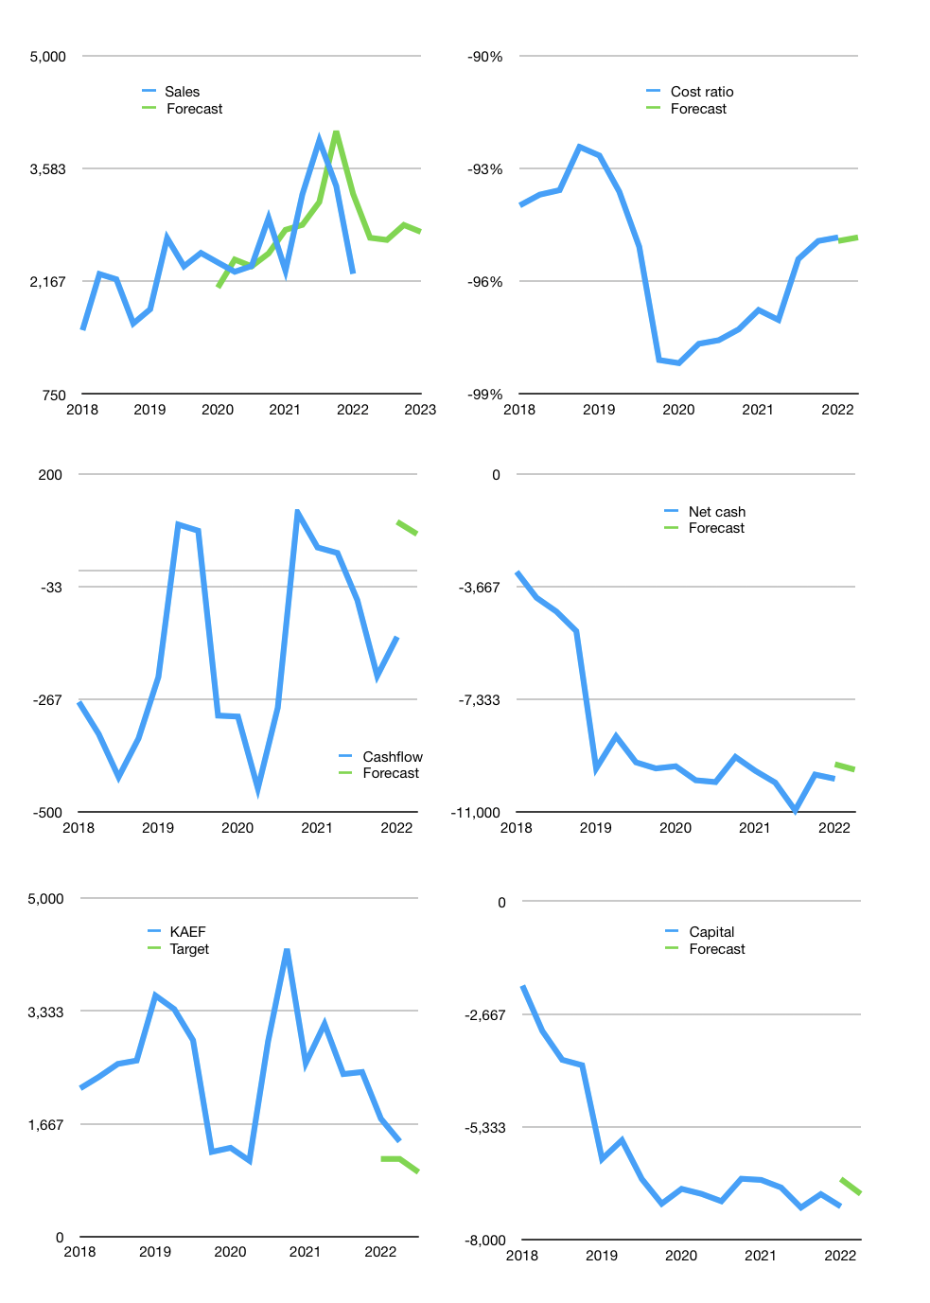
Financial model
Rpbn |  |  | 4Q 2022
Cashflow | 4% |  |  | 6%
Growth | 20% | -1% | 7% | -3%
Sales | 2,713 | 2,685 | 2,873 | 2,787
Cost ratio | -95% | -95% | -95% | -95%
Cash costs | -2,573 | -2,547 | -2,725 | -2,644
Operating | 140 | 138 | 148 | 144
Investment | -68 | -68 | -68 | -68
Finance | -72 | -70 | -80 | -75
Liabilities | -534 | -507 | -482 | -458
Revolver | 463 | 437 | 402 | 382
Payout | 0.0
Equity | 0 | 0 | 0 | 0
Before revolver | -463 | -437 | -402 | -382
Beginning | 765 | 765 | 765 | 765
Change | 0 | 0 | 0 | 0
Ending | 765 | 765 | 765 | 765
Profit
Non cash costs | -105 | -105 | -105 | -105
Net profit | 35 | 34 | 44 | 39
Balance sheet
Other assets | 18,973 | 19,042 | 19,110 | 19,178
Depreciation | 1,850 | 1,954 | 2,059 | 2,163
Net other assets | 17,124 | 17,087 | 17,051 | 17,015
Liabilities | 10,148 | 9,641 | 9,158 | 8,701
Revolver | 463 | 900 | 1,302 | 1,684
Equity | 7,278 | 7,312 | 7,356 | 7,395
Check | 0 | 0 | 0 | 0
Net cash | -9,845 | -9,775 | -9,695 | -9,620
Valuation
Capital | -7,146 | -7,075 | -6,995 | -6,920
Current value |  |  |  | 7,803,369,820,160
Current value |  |  |  | 14,050
P/assets |  |  |  | 0.79
Yield |  |  |  | 0.0%
Cashflow |  |  |  | 297
Payback |  |  |  | 58
Valuation |  |  |  | 47
Forecast |  |  |  | 32
Value |  |  |  | 9,506
Shares |  |  |  | 10
Target |  |  |  | 951
Current |  |  |  | 1,405
V target |  |  |  | -32%
12 month growth |  |  |  | -2%
Sales forecasts |  |  |  | -2%

Capital
Capital
Rpbn | Liabilities | Equity | Total | Liabilities | Equity | Total
2008 |  |  | 0 | 0 | 0 | 0
2009 |  |  | 0 | 0 | 0 | 0
2010 | -21 | 0 | -21 | -21 | 0 | -21
2011 | -25 | -46 | -71 | -46 | -46 | -92
2012 | -9 | -34 | -43 | -55 | -80 | -135
2013 | -30 | -31 | -61 | -85 | -111 | -196
2014 | 284 | -54 | 230 | 199 | -165 | 34
2015 | -11 | -47 | -58 | 188 | -212 | -24
2016 | 498 | -29 | 469 | 686 | -241 | 445
2017 | 1,198 | -47 | 1,151 | 1,884 | -288 | 1,596
2018 | 1,936 | -92 | 1,844 | 3,820 | -380 | 3,440
2019 | 3,407 | -123 | 3,284 | 7,227 | -503 | 6,724
2020 | -551 | -32 | -583 | 6,676 | -535 | 6,141
2021 | 125 | 243 | 369 | 6,801 | -292 | 6,510

KAEF raising 6.5 trillion rupiah after 2015…
 |  |  |  |  |  |  | Table 1-1

 |  |  |  |  |  |  |  | Market value | IDR7803369820160
 |  |  |  |  |  |  |  | KAEF | capital history | -1% | of market value | paid every year since 2019
 |  |  |  |  |  |  |  | 2022-04-07 23:00:00
 |  |  |  |  |  |  |  | Start date | 2010
 |  |  |  |  |  |  |  | Number of quarters | 48
 |  |  |  |  |  |  |  | Market value Rpbn | 7,803
 |  |  |  |  |  |  |  | Liabilities | 6,801 | billion rupiah | raised
 |  |  |  |  |  |  |  | KAEF | has | raised | liabilities | by an average | 567 | billion rupiah | every year | 7% | of market value
 |  |  |  |  |  |  |  | In the last 5 years | liabilities | were | raised | by an average | 1,223 | billion rupiah | every year | 16% | of market value
 |  |  |  |  |  |  |  | The peak in cumulative liabilities | was | 7,227 | billion rupiah | in | 2019
 |  |  |  |  |  |  |  | As of the latest quarter | liabilities | cumulative | are | down | to | 6,801 | billion rupiah
 |  |  |  |  |  |  |  | Equity | -292 | billion rupiah | paid
 |  |  |  |  |  |  |  | KAEF | has | paid | equity | by an average | -24 | billion rupiah | every year | 0% | of market value
 |  |  |  |  |  |  |  | In the last 5 years | equity | was | paid | by an average | -10 | billion rupiah | every year | 0% | of market value
 |  |  |  |  |  |  |  | The peak in cumulative equity | was | 0 | billion rupiah | in | 2010
 |  |  |  |  |  |  |  | As of the latest quarter | equity | cumulative | is | down | to | -292 | billion rupiah
 |  |  |  |  |  |  |  | Total capital | 6,510 | billion rupiah | raised
 |  |  |  |  |  |  |  | KAEF | has | raised | total capital | by an average | 542 | billion rupiah | every year | 7% | of market value
 |  |  |  |  |  |  |  | In the last 5 years | total capital | was | raised | by an average | 1,213 | billion rupiah | every year | 16% | of market value
 |  |  |  |  |  |  |  | The peak in cumulative total capital | was | 6,724 | billion rupiah | in | 2019
 |  |  |  |  |  |  |  | As of the latest quarter | total capital | cumulative | is | down | to | 6,510 | billion rupiah | -1% | of market value | paid every year since 2019

