Model
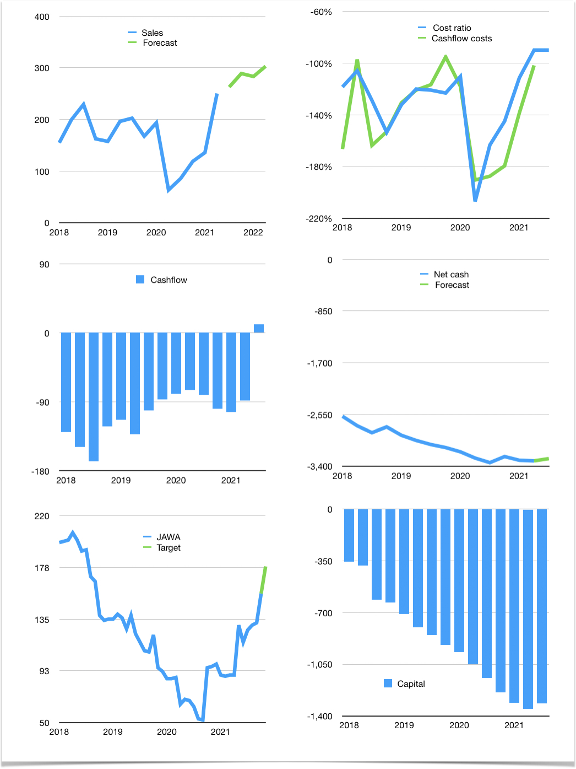
Financial model
$m |  | 4Q 2021
Cashflow | 43% |  |  | 5%
Growth | 5% | 10% | -2% | 7%
Sales | 263 | 289 | 283 | 303
Cost ratio | -90% | -90% | -90% | -90%
Cash costs | -236 | -260 | -255 | -272
Operating | 26 | 29 | 29 | 31
Investment | -19 | -19 | -19 | -19
Finance | -7 | -10 | -9 | -11
Liabilities | -167 | -158 | -150 | -143
Equity | 0 | 0 | 0 | 0
Revolver | 159 | 149 | 141 | 132
Before revolver | -159 | -149 | -141 | -132
Beginning | 20 | 20 | 20 | 20
Change | 0 | 0 | 0 | 0
Ending | 20 | 20 | 20 | 20
Profit
Non cash costs | -30 | -30 | -30 | -30
Net profit | -4 | -1 | -2 | 0
Balance sheet
Other assets | 4,605 | 4,625 | 4,644 | 4,663
Depreciation | 1,038 | 1,068 | 1,098 | 1,128
Net other assets | 3,567 | 3,556 | 3,546 | 3,535
Liabilities | 3,166 | 3,008 | 2,858 | 2,715
Revolver | 159 | 308 | 449 | 581
Equity | 261 | 260 | 259 | 259
Check | 0 | 0 | 0 | 0
Net cash | -3,306 | -3,296 | -3,287 | -3,276
Valuation
Capital | -1,345 | -1,335 | -1,326 | -1,315
Current value |  |  |  | 589
P/assets |  |  |  | 0.17
Yield |  |  |  | 0%
Cashflow |  |  |  | 45
Payback years |  |  |  | 80
Valuation |  |  |  | 13
Forecast |  |  |  | 15
Value |  |  |  | 673
Shares |  |  |  | 4
Target |  |  |  | 178
Current |  |  |  | 156
V target |  |  |  | 14%
12 month growth |  |  |  | 294%

Cashflow
Cashflow
Rp bn | Receipts | Operating | Capex | Investment | Finance | Free cashflow | Cashflow | Capital
2017 | 137 | 8 | -9 | 9 | -19 | 8 | 8 | 19
 | 142 | 54 | 4 | -15 | -35 | 43 | 25 | 54
 | 139 | -35 | -84 | -1 | 32 | -120 | -23 | 22
 | 143 | -182 | -52 | -79 | 264 | -313 | -96 | -242
2018 | 155 | -103 | -15 | -9 | 114 | -126 | -129 | -356
 | 226 | 6 | -19 | -24 | 24 | -36 | -149 | -380
 | 203 | -129 | 0 | -65 | 235 | -195 | -167 | -614
 | 158 | -84 | -73 | 25 | 17 | -133 | -122 | -631
2019 | 166 | -51 | -20 | -20 | 77 | -91 | -114 | -708
 | 204 | -43 | -21 | -47 | 91 | -111 | -132 | -799
 | 204 | -34 | -13 | -25 | 54 | -72 | -101 | -853
 | 204 | 10 | -57 | -27 | 68 | -74 | -87 | -921
2020 | 165 | -30 | -10 | -23 | 49 | -63 | -80 | -970
 | 72 | -65 | -8 | -18 | 82 | -90 | -75 | -1,051
 | 80 | -70 | -8 | -18 | 91 | -97 | -81 | -1,142
 | 104 | -83 | -51 | -12 | 99 | -146 | -99 | -1,242
2021 | 147 | -57 | -5 | -19 | 70 | -80 | -103 | -1,311
 | 229 | -4 | -7 | -19 | 41 | -31 | -88 | -1,352
 |  |  |  |  |  |  | 11 | -1,315

 | Region 1 | Region 2
April | 17 | 55
May | 26 | 43
June | 53 | 70
July | 96 | 58

