Mode
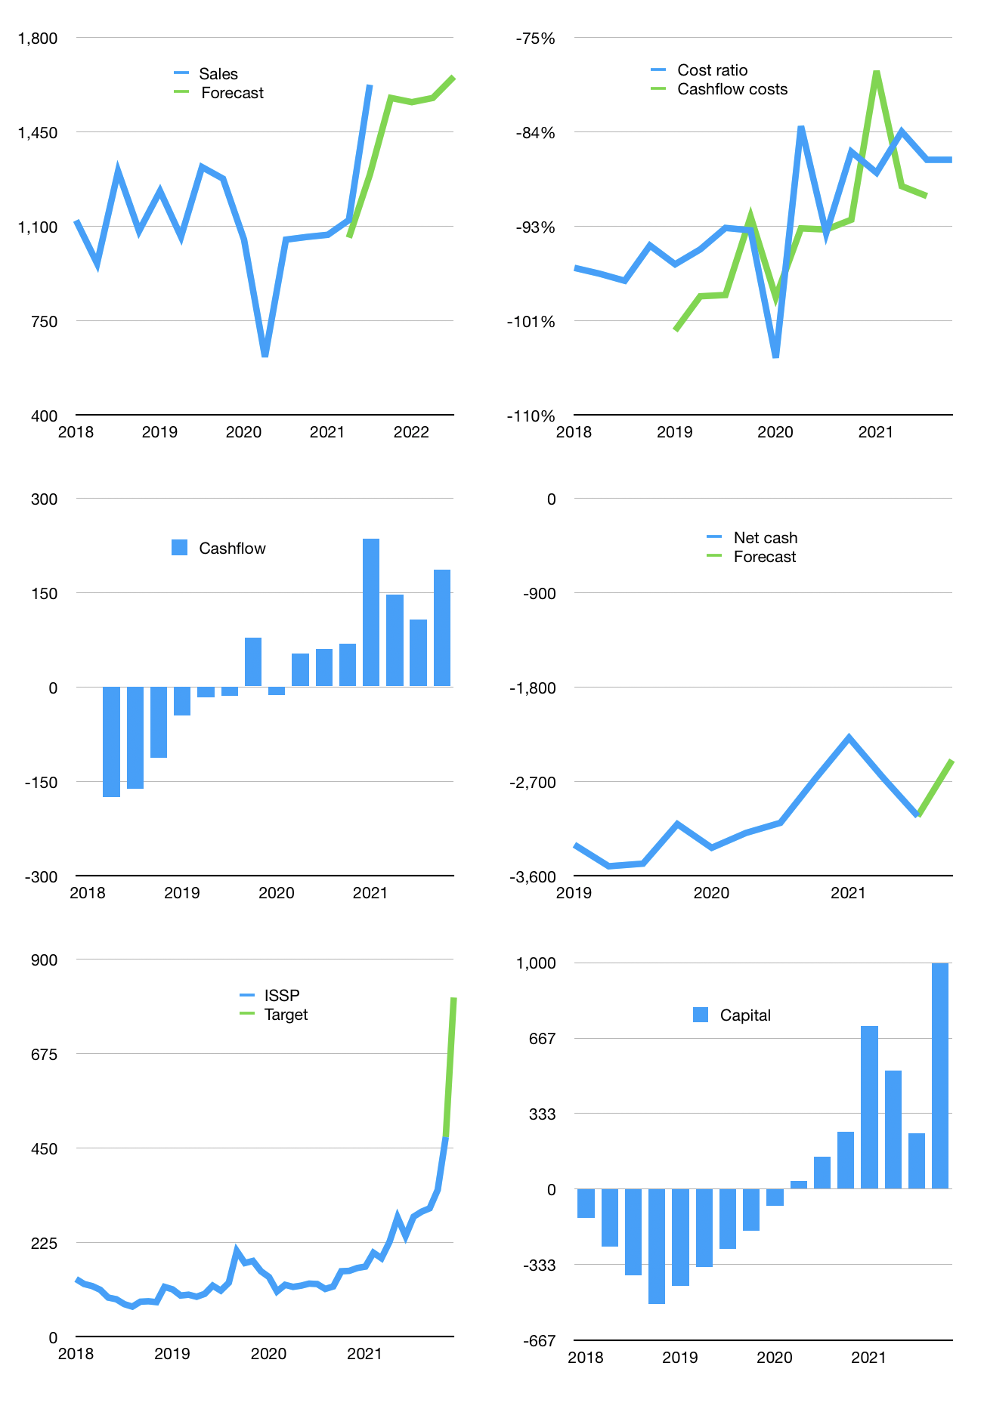
Financial model
Rpbn | 4Q 2021
Cashflow | 13% |  |  | 1%
Growth | -3% | -1% | 1% | 5%
Sales | 1,575 | 1,560 | 1,575 | 1,654
Cost ratio | -86% | -86% | -86% | -86%
Cash costs | -1360.425 | -1346.82075 | -1360.2889575 | -1428.3034054
Operating | 215.049 | 212.89851 | 215.0274951 | 225.77886986
Investment | -28.8 | -28.8 | -28.8 | -28.8
Leases | -9.9 | -9.9 | -9.9 | -9.9
Financial | -186.249 | -184.09851 | -186.2274951 | -196.97886985
Liabilities | -154.25 | -146.5375 | -139.210625 | -132.25009375
Equity | -54.3597 | -53.714553 | -54.35324853 | -57.578660957
Before revolver | -22.3607 | -16.153543 | -7.33637843 | 7.1501151485
Revolver | 22.3607 | 16.153543 | 7.33637843 | -7.1501151485
Beginning | 54 | 54 | 54 | 54
Change | 0 | 0 | 0 | 0
Ending | 54 | 54 | 54 | 54
Profit
Non cash costs | -33.85 | -33.85 | -33.85 | -33.85
Profit | 181.199 | 179.04851 | 181.1774951 | 191.92886985
Balance sheet
Other assets | 7078.8 | 7107.6 | 7136.4 | 7165.2
Depreciation | 269.85 | 303.7 | 337.55 | 371.4
Net other assets | 6808.95 | 6803.9 | 6798.85 | 6793.8
Liabilities | 2930.75 | 2784.2125 | 2645.001875 | 2512.7517813
Revolver | 22.3607 | 38.514243 | 45.85062143 | 38.700506281
Equity | 3909.8393 | 4035.173257 | 4161.9975036 | 4296.3477125
Check | 0 | 0 | 0 | 0
Net cash | -2899.1107 | -2768.726743 | -2636.8524964 | -2497.4522875
Valuation
Capital | 432.549 | 616.64751 | 802.8750051 | 999.85387496
Current value |  |  |  | 3363
P/assets |  |  |  | 0.49
Yield |  |  |  | 7%
Cashflow |  |  |  | 713.95387495
Payback |  |  |  | 9.5440339202
Valuation |  |  |  | 4.710388329
Forecast |  |  |  | 8
Value |  |  |  | 5711.6309996
Shares |  |  |  | 7.0651260504
Target |  |  |  | 808.4259161
Current |  |  |  | 476
V target |  |  |  | 70%
12 month growth |  |  |  | 55%
Sales forecasts |  |  |  | -15%

