Model
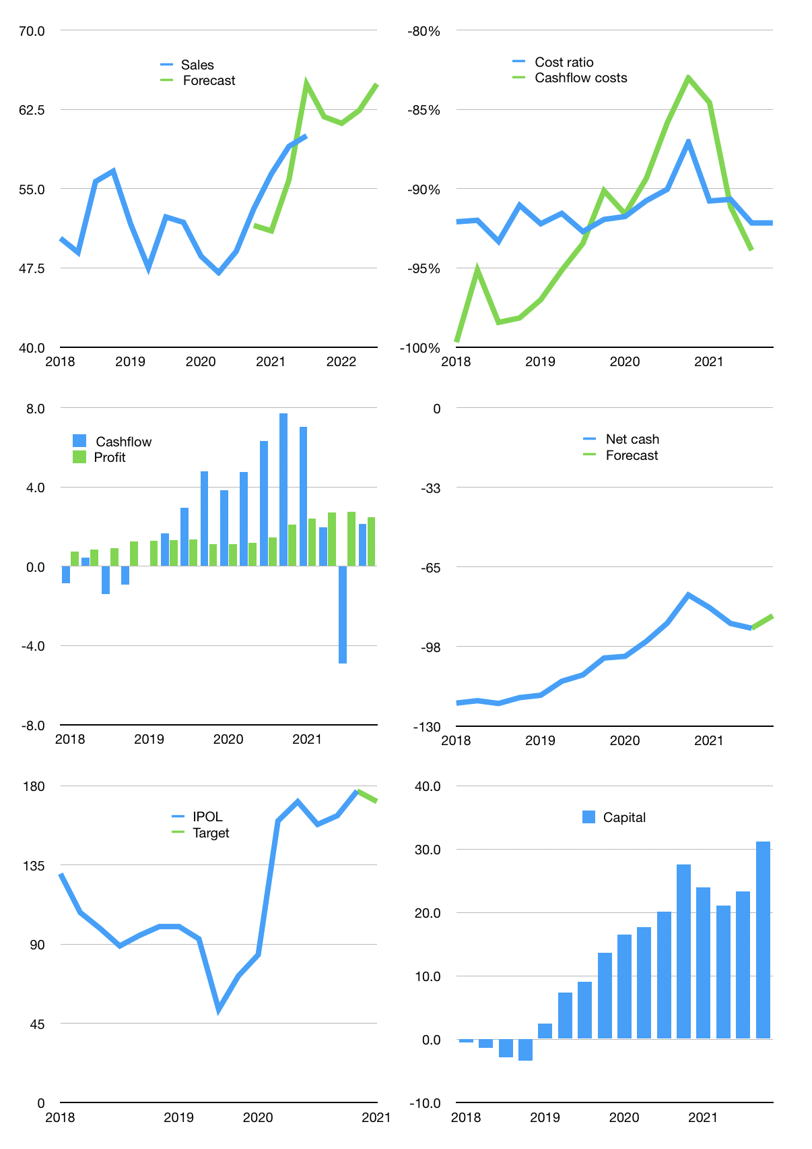
Financial model
$m | 4Q 2021
Cashflow | 5% |  |  | 2%
Growth | 3% | -1% | 2% | 4%
Sales | 61.8 | 61.2 | 62.4 | 64.9
Cost ratio | -92% | -92% | -92% | -92%
Cash costs | -57.0 | -56.4 | -57.5 | -59.8
Operating | 4.8 | 4.8 | 4.9 | 5.1
Investment | -2.9 | -2.9 | -2.9 | -2.9
Finance | -1.9 | -1.9 | -2.0 | -2.2
Liabilities | -5.5 | -5.2 | -4.9 | -4.7
Equity | -0.7 | -0.7 | -0.7 | -0.7
Before revolver | -4.2 | -4.0 | -3.7 | -3.3
Revolver | 4.2 | 4.0 | 3.7 | 3.3
Beginning | 19.0 | 19.0 | 19.0 | 19.0
Change | 0.0 | 0.0 | 0.0 | 0.0
Ending | 19.0 | 19.0 | 19.0 | 19.0
Profit
Non cash costs | -2.6 | -2.6 | -2.6 | -2.6
Profit | 2.2 | 2.2 | 2.3 | 2.5
Balance sheet
Other assets | 419 | 422 | 425 | 428
Depreciation | 148 | 150 | 153 | 155
Net other assets | 271 | 272 | 272 | 272
Liabilities | 104 | 98 | 93 | 89
Revolver | 4 | 8 | 12 | 15
Equity | 183 | 184 | 186 | 187
Check | 0 | 0 | 0 | 0
Net cash | -89 | -88 | -86 | -85
Valuation
Rupiah |  |  |  | 14.0
Capital | 25.2 | 27.1 | 29.0 | 31.2
Current value |  |  |  | 81.5
P/assets |  |  |  | 0.28
Yield |  |  |  | 3.4%
Cashflow |  |  |  | 7.9
Payback |  |  |  | 34
Valuation |  |  |  | 10
Forecast |  |  |  | 10
Value |  |  |  | 78.7
Shares |  |  |  | 6.4
Target |  |  |  | 171
Current |  |  |  | 177
V target |  |  |  | -3%
12 month growth |  |  |  | 22%
Sales forecasts |  |  |  | -2%

