Model
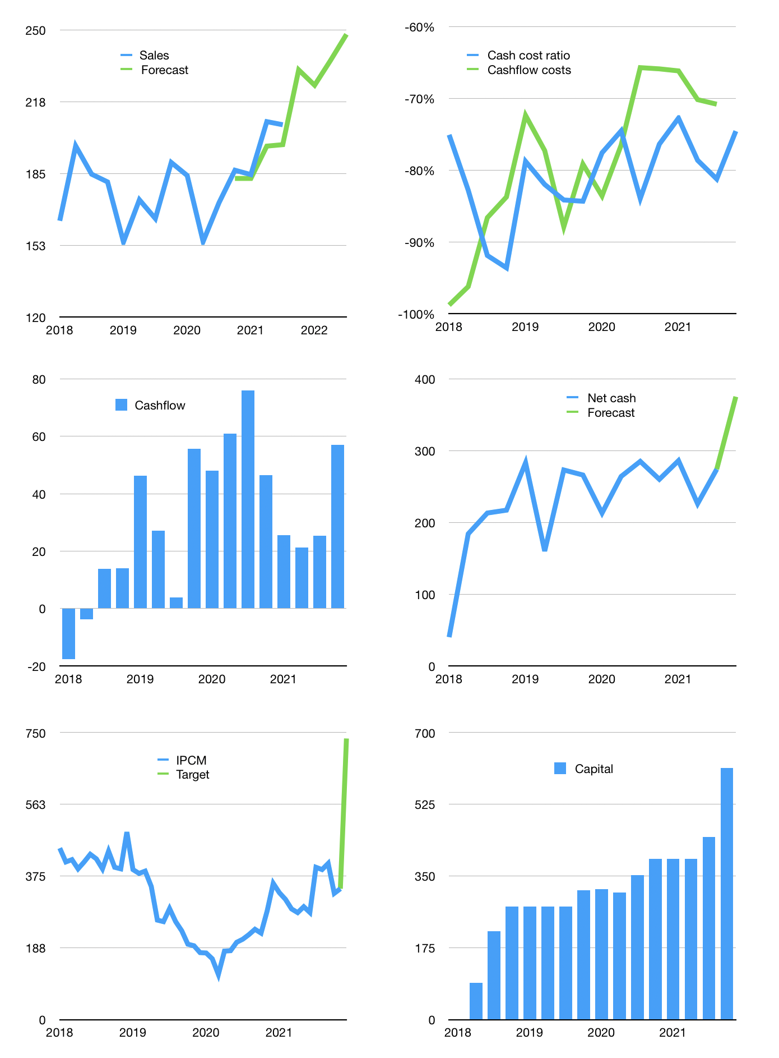
Financial model
Rpbn | 4Q 2021
Cashflow | 5% |  |  | 5%
Growth | 12% | -3% | 5% | 5%
Sales | 232 | 225 | 236 | 248
Cost ratio | -75% | -75% | -75% | -75%
Cash costs | -173 | -168 | -176 | -185
Operating | 59 | 57 | 60 | 63
Investment | -6 | -6 | -6 | -6
Finance | -43 | -41 | -42 | -43
Liabilities | -15 | -14 | -13 | -13
Equity | -28 | -27 | -29 | -30
Before revolver | 10 | 10 | 12 | 14
Revolver | 0 | 0 | 0 | 0
Beginning | 571 | 581 | 591 | 603
Change | 10 | 10 | 12 | 14
Ending | 581 | 591 | 603 | 617
Profit
Non cash costs | -9 | -9 | -9 | -9
Profit | 50 | 48 | 51 | 54
Balance sheet
Other assets | 1,050 | 1,056 | 1,062 | 1,068
Depreciation | 198 | 207 | 216 | 225
Net other assets | 852 | 849 | 846 | 844
Liabilities | 282 | 268 | 255 | 242
Revolver | 0 | 0 | 0 | 0
Equity | 1,151 | 1,172 | 1,195 | 1,219
Check | 0 | 0 | 0 | 0
Net cash | 299 | 323 | 348 | 375
Valuation
Capital | 488 | 529 | 571 | 614
Current value |  |  |  | 1,805
P/assets |  |  |  | 1.24
Yield |  |  |  | 6%
Cashflow |  |  |  | 215
Payback |  |  |  | 4
Valuation |  |  |  | 8
Forecast |  |  |  | 18
Value |  |  |  | 3,877
Shares |  |  |  | 5
Target |  |  |  | 735
Current |  |  |  | 342
V target |  |  |  | 115%
12 month growth |  |  |  | 21%
Sales forecasts |  |  |  | -3%

