Model
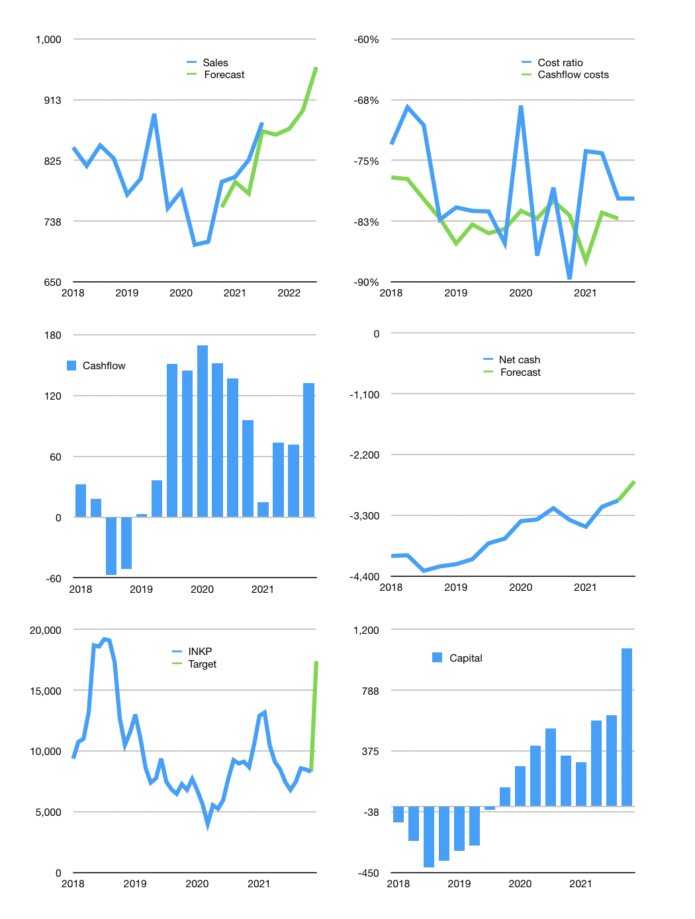
Financial model
$ | 4Q 2021
Cashflow | 6% |  |  | 2%
Growth | -2% | 1% | 3% | 7%
Sales | 862.008 | 871 | 897 | 960
Cost ratio | -80% | -80% | -80% | -80%
Cash costs | -687 | -694 | -715 | -765
Operating | 175 | 177 | 182 | 195
Investment | -62 | -62 | -62 | -62
Leases | -6 | -6 | -6 | -6
Finance | -113 | -114 | -120 | -132
Liabilities | -200 | -190 | -180 | -171
Equity | -31.329 | -31.85379 | -33.4439037 | -37.265476959
Before revolver | -119 | -107 | -94 | -76
Revolver | 119 | 107 | 94 | 76
Beginning | 967 | 967 | 967 | 967
Change | 0 | 0 | 0 | 0
Ending | 967 | 967 | 967 | 967
Profit
Non cash costs | -70.5 | -70.5 | -70.5 | -70.5
Profit | 104.43 | 106.1793 | 111.479679 | 124.21825653
Balance sheet
Other assets | 13,430 | 13,493 | 13,555 | 13,617
Depreciation | 5787.5 | 5858 | 5928.5 | 5999
Net other assets | 7,643 | 7634.7 | 7626.55 | 7618.4
Liabilities | 3,798 | 3,608 | 3,428 | 3,256
Revolver | 119 | 226 | 320 | 397
Equity | 4,693 | 4,767 | 4,845 | 4,932
Check | 0 | 0 | 0 | 0
Net cash | -2,950 | -2,867 | -2,781 | -2,686
Valuation
Rupiah |  |  |  | 14
Capital | 724 | 832 | 945 | 1,071
Current value |  |  |  | 3,244
P/assets |  |  |  | 0.38
Yield |  |  |  | 4%
Cashflow |  |  |  | 453
Payback |  |  |  | 17
Valuation |  |  |  | 7
Forecast |  |  |  | 15
Value |  |  |  | 95,195
Shares |  |  |  | 5.5
Target |  |  |  | 17,400
Current |  |  |  | 8,300
V current |  |  |  | 110%
12 month growth |  |  |  | 24%
Sales v forecast |  |  |  | -3%

