Model
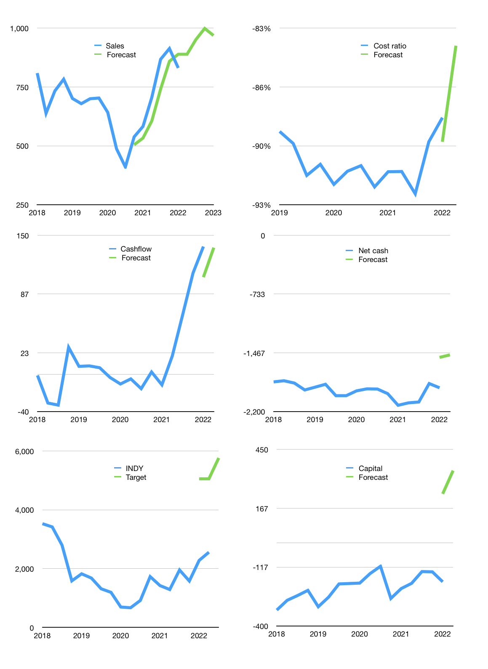
Financial model
$m |  |  | 4Q 2022
Cashflow | 10% |  |  | 4%
Growth | 7% | 7% | 5% | -3%
Sales | 889 | 951 | 999 | 969
Cost ratio | -84% | -84% | -84% | -84%
Cash costs | -747 | -799 | -839 | -814
Operating | 142 | 152 | 160 | 155
Investment | -18 | -18 | -18 | -18
Finance | -124 | -134 | -141 | -137
Liabilities | -150 | -142 | -135 | -129
Revolver | 54 | 40 | 27 | 24
Payout | 0.3
Equity | -28 | -31 | -34 | -32
Before revolver | -54 | -40 | -27 | -24
Beginning | 1,095 | 1,095 | 1,095 | 1,095
Change | 0 | 0 | 0 | 0
Ending | 1,095 | 1,095 | 1,095 | 1,095
Profit
Non cash costs | -48 | -48 | -48 | -48
Profit | 94 | 104 | 112 | 107
Balance sheet
Other assets | 4,940 | 4,959 | 4,977 | 4,996
Depreciation | 2,065 | 2,113 | 2,161 | 2,209
Net other assets | 2,876 | 2,846 | 2,817 | 2,787
Liabilities | 2,848 | 2,705 | 2,570 | 2,442
Revolver | 54 | 94 | 122 | 146
Equity | 1,068 | 1,141 | 1,220 | 1,294
Check | 0 | 0 | 0 | 0
Net cash | -1,807 | -1,705 | -1,597 | -1,493
Valuation
Rupiah |  |  |  | 14
Capital | -64 | 70 | 211 | 348
Current value |  |  |  | 13,318,886,522,880
Current value |  |  |  | 951
P/assets |  |  |  | 0.25
Yield |  |  |  | 13%
Cashflow |  |  |  | 536
Payback |  |  |  | 5
Valuation |  |  |  | 2
Forecast |  |  |  | 4
Value |  |  |  | 2,143
Shares |  |  |  | 5
Target |  |  |  | 5,766
Current |  |  |  | 2,560
V target |  |  |  | 125%
12 month growth |  |  |  | 43%
Sales v forecast |  |  |  | -7%

Capital
Capital
Rpbn | Liabilities | Equity | Total | Liabilities | Equity | Total
2008 |  |  | 0 | 0 | 0 | 0
2009 |  |  | 0 | 0 | 0 | 0
2010 |  |  | 0 | 0 | 0 | 0
2011 | 239 | -16 | 223 | 239 | -16 | 223
2012 | -94 | -41 | -135 | 145 | -57 | 88
2013 | -65 | -26 | -91 | 80 | -83 | -3
2014 | -13 | -6 | -19 | 67 | -89 | -22
2015 | -7 | -9 | -16 | 60 | -98 | -38
2016 | -180 | 0 | -180 | -120 | -98 | -218
2017 | 547 | 0 | 547 | 427 | -98 | 329
2018 | -39 | -81 | -120 | 388 | -179 | 209
2019 | -5 | -56 | -61 | 383 | -235 | 148
2020 | 118 | -46 | 72 | 501 | -281 | 220
2021 | -104 | -25 | -128 | 398 | -306 | 92

 |  |  |  |  |  |  | Table 1-1
INDY 92 million dollars raised
 |  |  |  |  |  |  |  | Market value | IDR13318886522880
 |  |  |  |  |  |  |  | INDY | capital history | -6% | of market value | paid every year since 2018
 |  |  |  |  |  |  |  | 2022-04-06
 |  |  |  |  |  |  |  | Start date | 2012
 |  |  |  |  |  |  |  | Number of quarters | 40
 |  |  |  |  |  |  |  | Market value $m | 951
 |  |  |  |  |  |  |  | Liabilities | 398 | million dollars | raised
 |  |  |  |  |  |  |  | INDY | has | raised | liabilities | by an average | 36 | million dollars | every year | 4% | of market value
 |  |  |  |  |  |  |  | In the last 5 years | liabilities | were | raised | by an average | 104 | million dollars | every year | 11% | of market value
 |  |  |  |  |  |  |  | The peak in cumulative liabilities | was | 501 | million dollars | in | 2020
 |  |  |  |  |  |  |  | As of the latest quarter | liabilities | cumulative | are | down | to | 398 | million dollars
 |  |  |  |  |  |  |  | Equity | -306 | million dollars | paid
 |  |  |  |  |  |  |  | INDY | has | paid | equity | by an average | -28 | million dollars | every year | -3% | of market value
 |  |  |  |  |  |  |  | In the last 5 years | equity | was | paid | by an average | -42 | million dollars | every year | -4% | of market value
 |  |  |  |  |  |  |  | The peak in cumulative equity | was | -16 | million dollars | in | 2011
 |  |  |  |  |  |  |  | As of the latest quarter | equity | cumulative | is | down | to | -306 | million dollars
 |  |  |  |  |  |  |  | Total capital | 92 | million dollars | raised
 |  |  |  |  |  |  |  | INDY | has | raised | total capital | by an average | 8 | million dollars | every year | 1% | of market value
 |  |  |  |  |  |  |  | In the last 5 years | total capital | was | raised | by an average | 62 | million dollars | every year | 7% | of market value
 |  |  |  |  |  |  |  | The peak in cumulative total capital | was | 329 | million dollars | in | 2017
 |  |  |  |  |  |  |  | As of the latest quarter | total capital | cumulative | is | down | to | 91.7 | million dollars | -6% | of market value | paid every year since 2018

