Model
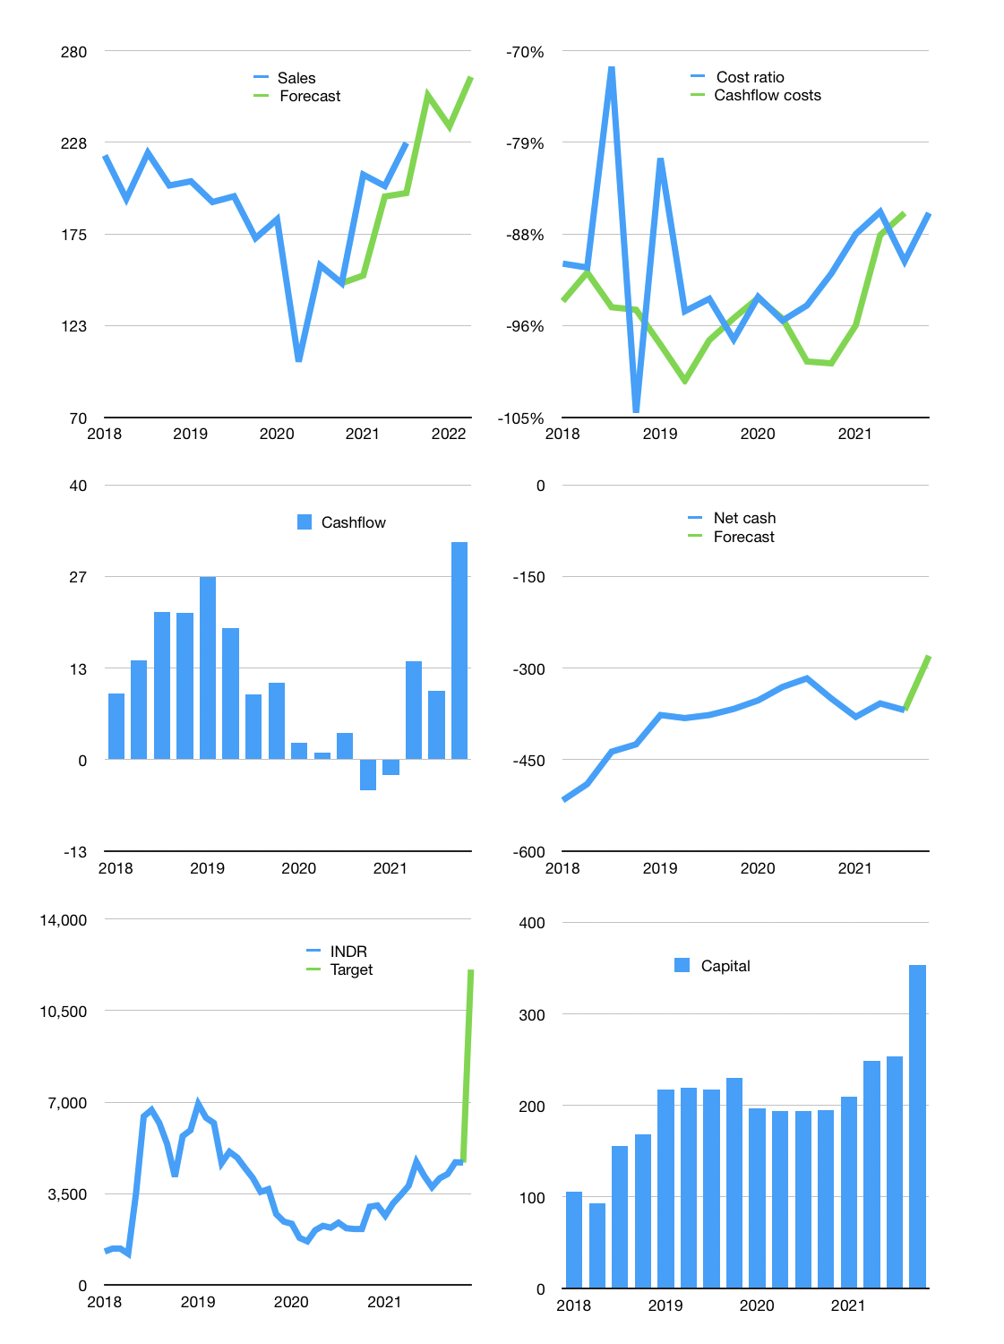
Financial model
$m | 4Q 2021
Cashflow | 11% |  |  | 6%
Growth | 12% | -7% | 12% | 7%
Sales | 254 | 237 | 265 | 284
Cost ratio | -85% | -85% | -85% | -85%
Cash costs | -218 | -202 | -227 | -242
Operating | 37 | 34 | 38 | 41
Investment | -10 | -10 | -10 | -10
Finance | -26 | -25 | -25 | -24
Liabilities | -21 | -20 | -19 | -18
Equity | -6 | -5 | -6 | -7
Before revolver | 1 | 0 | 4 | 7
Revolver | 0 | 0 | 0 | 0
Beginning | 44 | 45 | 45 | 49
Change | 1 | 0 | 4 | 7
Ending | 45 | 45 | 49 | 56
Profit
Non cash costs | -8 | -8 | -8 | -8
Profit | 29 | 26 | 30 | 33
Balance sheet
Other assets | 1,506 | 1,515 | 1,525 | 1,534
Depreciation | 701 | 709 | 717 | 725
Net other assets | 805 | 806 | 808 | 809
Liabilities | 392 | 373 | 354 | 336
Revolver | 0 | 0 | 0 | 0
Equity | 457 | 478 | 503 | 529
Check | 0 | 0 | 0 | 0
Net cash | -347 | -328 | -305 | -280
Valuation
Rupiah |  |  |  | 14
Capital | 280 | 305 | 329 | 354
Current value |  |  |  | 219
P/sales |  |  |  | 0.21
P/assets |  |  |  | 0.25
Yield |  |  |  | 11%
Cashflow |  |  |  | 113
Payback |  |  |  | 7
Valuation |  |  |  | 2
Forecast |  |  |  | 5
Value |  |  |  | 564
Shares |  |  |  | 1
Target |  |  |  | 12,064
Current |  |  |  | 4,690
V target |  |  |  | 157%
12 month growth |  |  |  | 45%
Sales v forecast |  |  |  | -12%

