Model
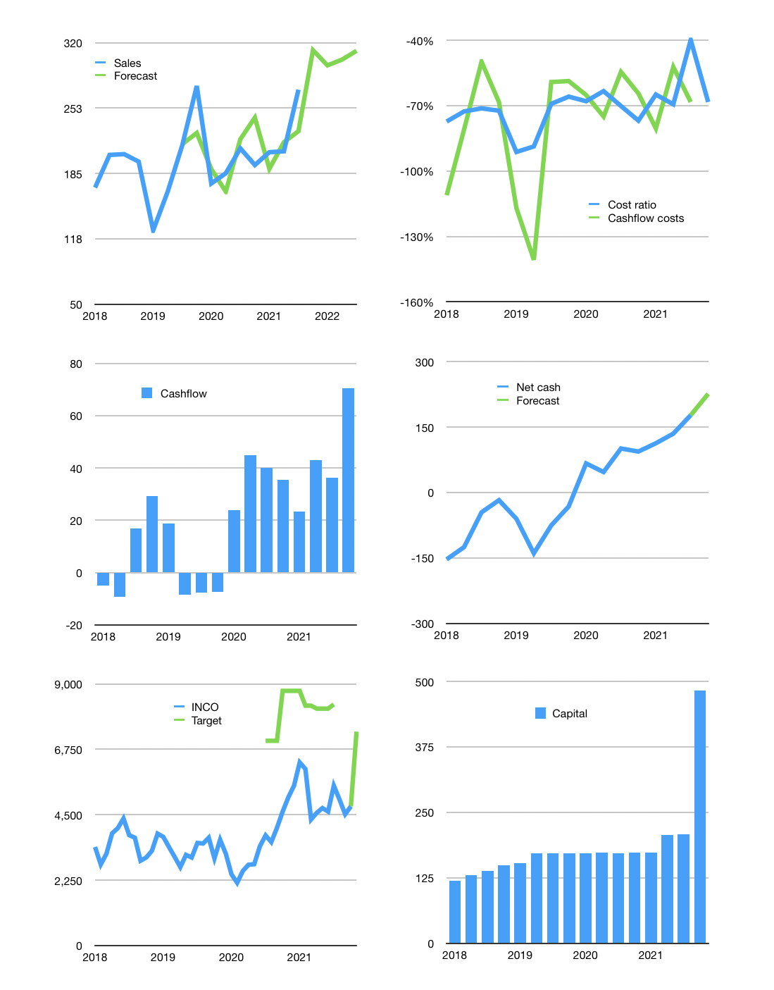
Financial model
$m | 4Q 2021
Cashflow | 3% |  |  | 4%
Growth | 15% | -5% | 2% | 3%
Sales | 312 | 297 | 303 | 312
Cash cost ratio | -68% | -68% | -68% | -68%
Cash costs | -213 | -203 | -207 | -213
Operating | 99 | 94 | 96 | 99
Investment | -28 | -28 | -28 | -28
Finance | -71 | -66 | -68 | -71
Liabilities | -15 | -14 | -13 | -13
Equity | -59 | -54 | -56 | -58
Before revolver | -2 | -2 | -1 | 0
Revolver | 2 | 2 | 1 | 0
Beginning | 470 | 470 | 470 | 470
Change | 0 | 0 | 0 | 0
Ending | 470 | 470 | 470 | 470
Profit
Non cash costs | -40 | -40 | -40 | -40
Net profit | 59 | 54 | 56 | 58
Balance sheet
Other assets | 4,449 | 4,477 | 4,505 | 4,534
Depreciation | 2,528 | 2,568 | 2,609 | 2,649
Net other assets | 1,921 | 1,909 | 1,897 | 1,885
Liabilities | 278 | 264 | 251 | 238
Revolver | 2 | 4 | 5 | 5
Equity | 2,111 | 2,111 | 2,111 | 2,111
Check | 0 | 0 | 0 | 0
Net cash | 190 | 202 | 214 | 226
Valuation
Rupiah |  |  |  | 14
Capital | 278 | 344 | 412 | 482
Current value |  |  |  | 3,400
P/assets |  |  |  | 1.4
Yield |  |  |  | 7%
Cashflow |  |  |  | 275
Payback |  |  |  | 7.0
Valuation |  |  |  | 12
Forecast |  |  |  | 19
Value |  |  |  | 5,224
Shares |  |  |  | 10
Target |  |  |  | 7,360
Current |  |  |  | 4,790
V target |  |  |  | 54%
12 month growth |  |  |  | 29%
Sales forecasts |  |  |  | -2%

