Model
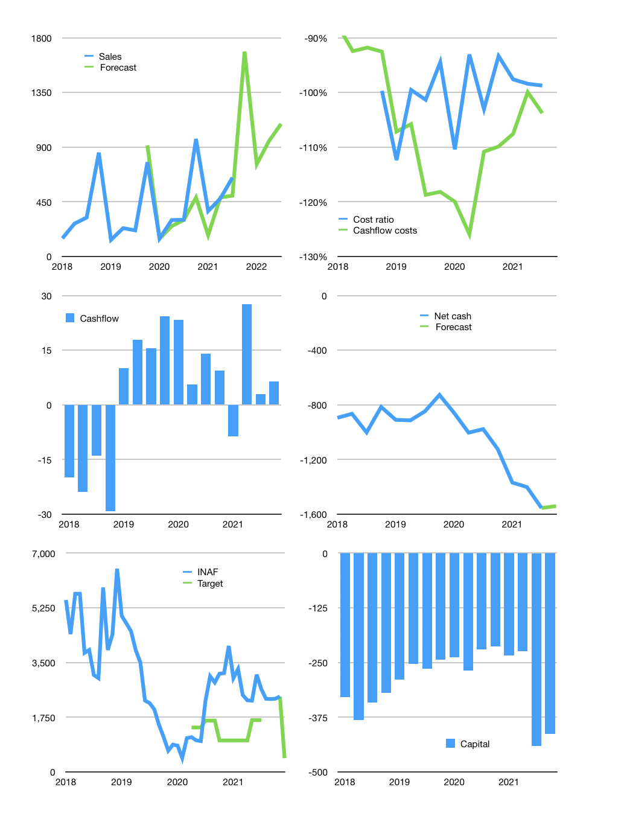
Financial model
Rpbn | 4Q 2021
Cashflow | 56% |  |  | 36%
Growth | 160% | -55% | 25% | 15%
Sales | 1,686 | 759 | 948 | 1,091
Cost ratio | -98% | -98% | -98% | -98%
Cash costs | -1,660 | -747 | -933 | -1,074
Operating | 27 | 12 | 15 | 17
Investment | -11 | -11 | -11 | -11
Finance | -16 | -1 | -4 | -6
Liabilities | -95 | -90 | -86 | -82
Equity | -6 | -2 | -3 | -3
Before revolver | -86 | -91 | -84 | -79
Revolver | 86 | 91 | 84 | 79
Beginning | 350 | 350 | 350 | 350
Change | 0 | 0 | 0 | 0
Ending | 350 | 350 | 350 | 350
Profit
Non cash costs | -6 | -6 | -6 | -6
Net profit | 20 | 6 | 9 | 11
Balance sheet
Other assets | 2,312 | 2,323 | 2,334 | 2,344
Depreciation | 319 | 326 | 332 | 338
Net other assets | 1,993 | 1,997 | 2,002 | 2,006
Liabilities | 1,810 | 1,719 | 1,633 | 1,552
Revolver | 86 | 177 | 261 | 340
Equity | 447 | 451 | 457 | 465
Check | 0 | 0 | 0 | 0
Net cash | -1,545 | -1,546 | -1,544 | -1,541
Valuation
Capital | -425 | -424 | -420 | -414
Current value |  |  |  | 7,469
P/assets |  |  |  | 3.17
Yield |  |  |  | 0%
Cashflow |  |  |  | 27
Payback |  |  |  | 73
Valuation |  |  |  | 274
Forecast |  |  |  | 50
Value |  |  |  | 1,362
Shares |  |  |  | 3
Target |  |  |  | 439
Current |  |  |  | 2,410
V target |  |  |  | -82%
12 month growth |  |  |  | 115%
Sales v forecast |  |  |  | -18%

