Model
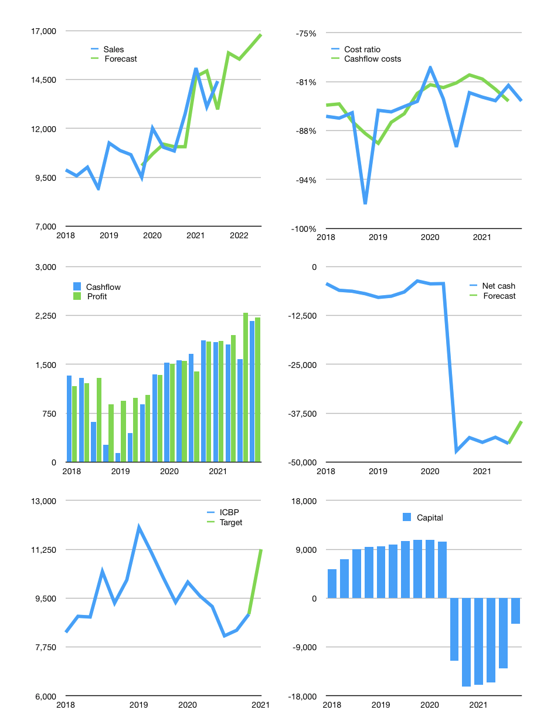
Financial model
Rpbn | 4Q 2021
Cash flow | 8% |  |  | 4%
Growth | 10.0% | -2% | 4% | 4%
Sales | 15,865 | 15,548 | 16,170 | 16,817
Cost ratio | -84% | -84% | -84% | -84%
Cash cost | -13,282 | -13,017 | -13,537 | -14,079
Operating | 2,583 | 2,531 | 2,632 | 2,738
Investment | -571 | -571 | -571 | -571
Finance | -2,012 | -1,960 | -2,062 | -2,167
Liabilities | -2,723 | -2,587 | -2,458 | -2,335
Equity | -619 | -604 | -634 | -666
Before revolver | -1,330 | -1,230 | -1,030 | -834
Revolver | 1,330 | 1,230 | 1,030 | 834
Beginning | 9,222 | 9,222 | 9,222 | 9,222
Change | 0 | 0 | 0 | 0
Ending | 9,222 | 9,222 | 9,222 | 9,222
Profit
Non cash costs | -519 | -519 | -519 | -519
Net profit | 2,064 | 2,012 | 2,114 | 2,219
Balance sheet
Other assets | 108,994 | 109,565 | 110,135 | 110,706
Depreciation | 10,857 | 11,375 | 11,894 | 12,412
Net other assets | 98,137 | 98,189 | 98,242 | 98,294
Liabilities | 51,737 | 49,150 | 46,693 | 44,358
Revolver | 1,330 | 2,561 | 3,591 | 4,424
Equity | 54,292 | 55,701 | 57,180 | 58,734
Check | 0 | 0 | 0 | 0
Net debt | -43,845 | -42,489 | -41,061 | -39,560
Valuation
Capital | -10,918 | -8,958 | -6,896 | -4,729
Current value |  |  |  | 104,100
P/assets |  |  |  | 0.97
Yield |  |  |  | 2%
Cashflow |  |  |  | 8,201
Payback |  |  |  | 12
Valuation |  |  |  | 13
Forecast |  |  |  | 16
Value |  |  |  | 131,210
Shares |  |  |  | 12
Target |  |  |  | 11,249
Current |  |  |  | 8,925
V target |  |  |  | 26%
12 month growth |  |  |  | 33%
Sales forecasts |  |  |  | -2%

