Model
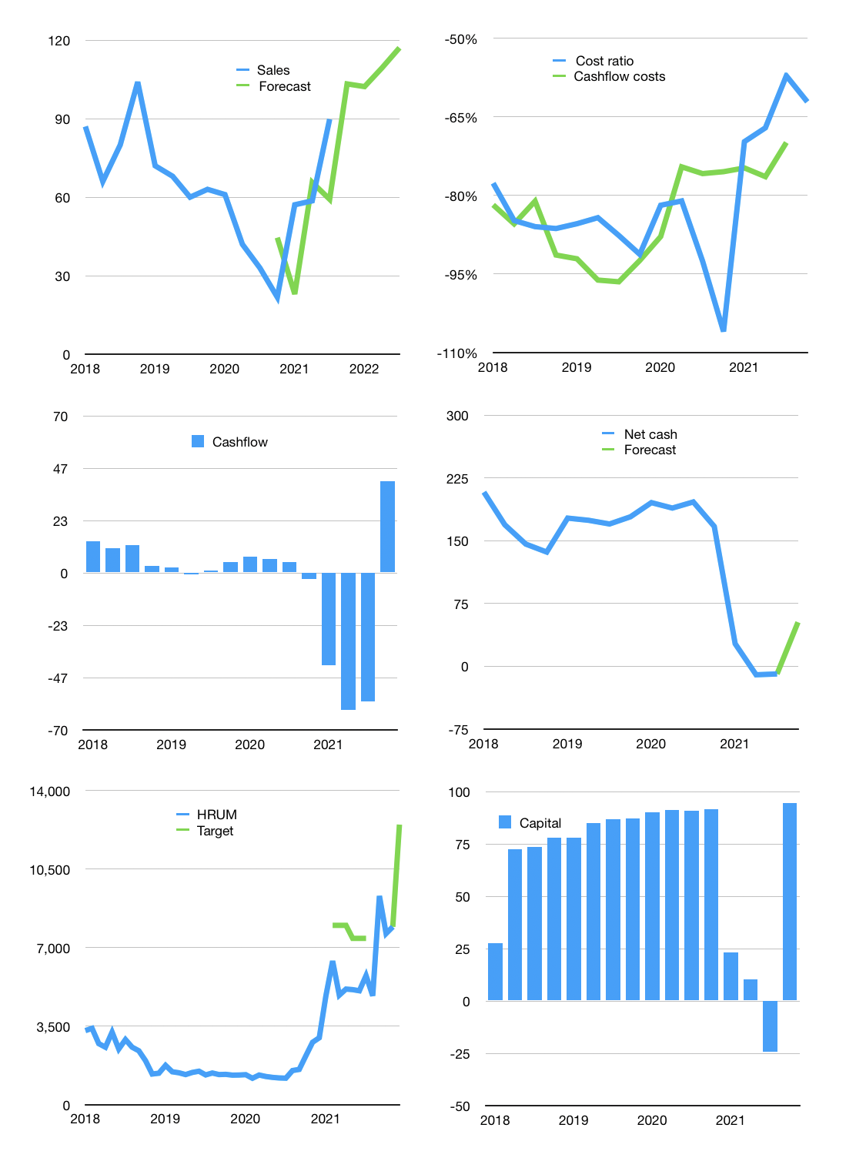
Financial model
$m | 4Q 2021
Cashflow | 46% |  |  | 7%
Growth | 15% | -1% | 7% | 7%
Sales | 103 | 102 | 109 | 117
Cost ratio | -62% | -62% | -62% | -62%
Cash costs | -64 | -63 | -68 | -73
Operating | 39 | 39 | 41 | 44
Investment | -3 | -3 | -3 | -3
Finance | -29 | -29 | -30 | -31
Liabilities | -8 | -8 | -7 | -7
Equity | -21 | -21 | -22 | -24
Before revolver | 7 | 7 | 8 | 10
Revolver | 0 | 0 | 0 | 0
Beginning | 155 | 162 | 168 | 177
Change | 7 | 7 | 8 | 10
Ending | 162 | 168 | 177 | 186
Profit
Non cash costs | -4 | -4 | -4 | -4
Profit | 35 | 35 | 37 | 40
Balance sheet
Other assets | 706 | 710 | 713 | 717
Depreciation | 169 | 173 | 177 | 181
Net other assets | 537 | 537 | 536 | 535
Liabilities | 156 | 148 | 141 | 134
Revolver | 0 | 0 | 0 | 0
Equity | 543 | 557 | 572 | 588
Check | 0 | 0 | 0 | 0
Net cash | 6 | 20 | 36 | 53
Valuation
Rupiah |  |  |  | 14
Capital | 5 | 34 | 63 | 95
Current value |  |  |  | 1,430
P/assets |  |  |  | 2.0
Yield |  |  |  | 6%
Cashflow |  |  |  | 150
Payback |  |  |  | 4
Valuation |  |  |  | 10
Forecast |  |  |  | 15
Value |  |  |  | 2,252
Shares |  |  |  | 3
Target |  |  |  | 12,480
Current |  |  |  | 7,925
V target |  |  |  | 57%
12 month growth |  |  |  | 172%
Sales v forecast |  |  |  | -15%

