Model
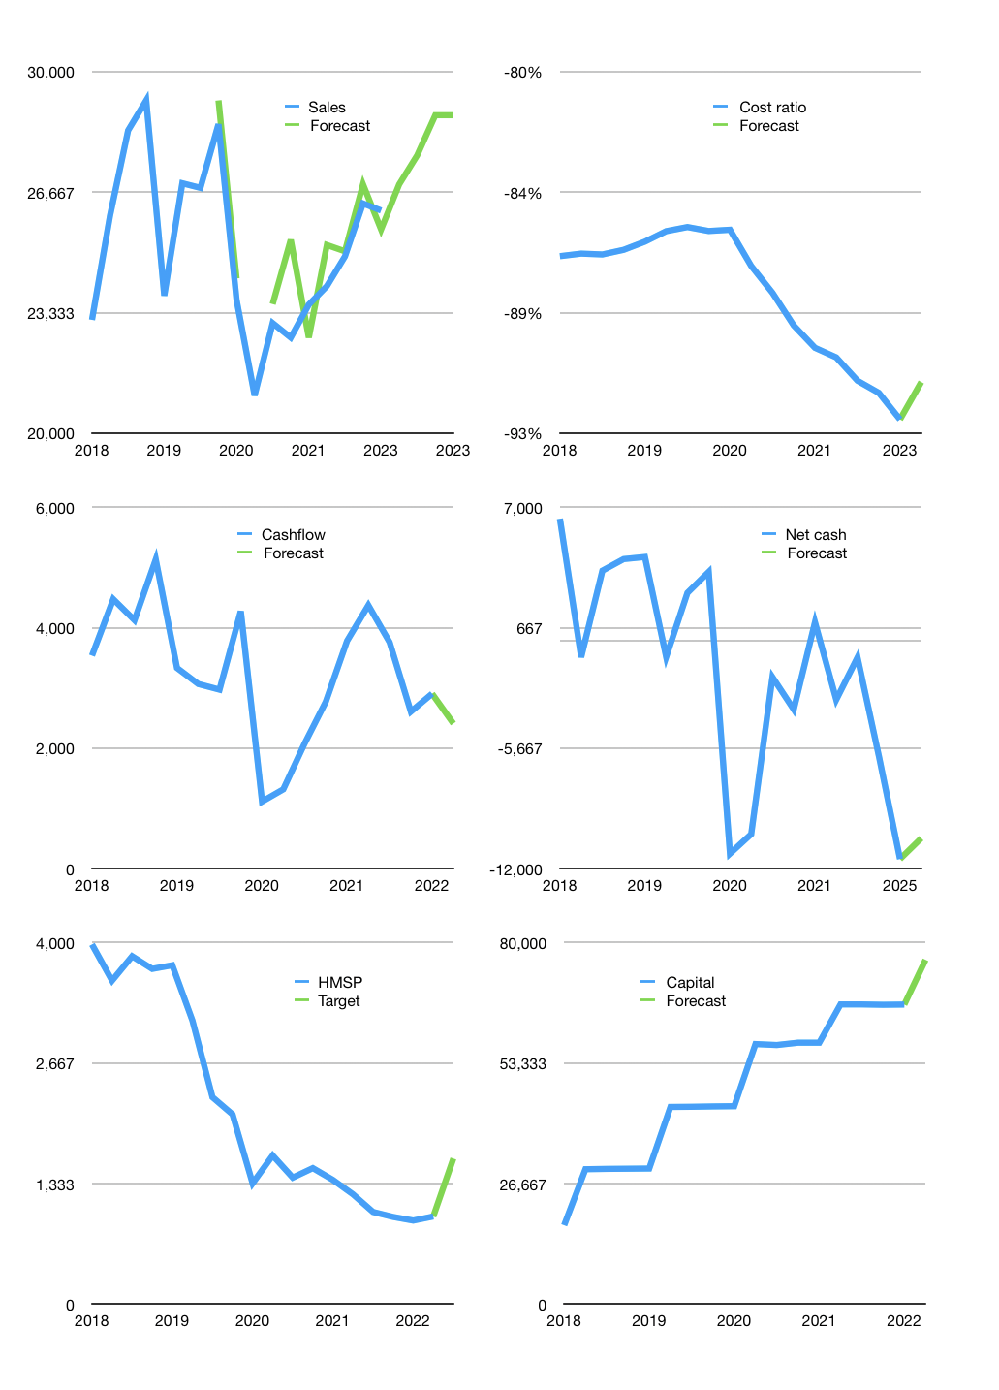
Financial model
Rp bn |  |  | 4Q 2023
Cashflow | 3% |  |  | 2%
Growth | 2% | 3% | 4% | 0%
Sales | 26,883 | 27,689 | 28,797 | 28,797
Cost ratio | -91% | -91% | -91% | -91%
Cash costs | -24,506 | -25,241 | -26,251 | -26,251
Operating | 2,377 | 2,448 | 2,546 | 2,546
Investment | -4 | -4 | -4 | -4
Leases | -133 | -133 | -133 | -133
Finance | -2,373 | -2,444 | -2,542 | -2,542
Liabilities | -1,436 | -1,364 | -1,296 | -1,231
Revolver | 1,162 | 1,090 | 1,022 | 957
Payout | 1.0
Equity | -2,100 | -2,171 | -2,269 | -2,269
Before revolver | -1,162 | -1,090 | -1,022 | -957
Beginning | 17,218 | 17,218 | 17,218 | 17,218
Change | 0 | 0 | 0 | 0
Ending | 17,218 | 17,218 | 17,218 | 17,218
Profit
Non cash costs | -277 | -277 | -277 | -277
Net profit | 2,100 | 2,171 | 2,269 | 2,269
Balance sheet
Other assets | 51,512 | 51,515 | 51,519 | 51,522
Depreciation | 9,168 | 9,445 | 9,722 | 9,999
Net other assets | 42,344 | 42,071 | 41,797 | 41,524
Liabilities | 27,275 | 25,911 | 24,615 | 23,384
Revolver | 1,162 | 2,252 | 3,275 | 4,232
Equity | 31,125 | 31,125 | 31,125 | 31,125
Check | 0 | 0 | 0 | 0
Net cash | -11,219 | -10,946 | -10,672 | -10,399
Valuation
Capital | 68,675 | 71,119 | 73,662 | 76,204
Current value |  |  |  | 112,828,463,104,000
Current value |  |  |  | 112,828
P/assets |  |  |  | 1.92
Yield |  |  |  | 8%
Cashflow |  |  |  | 9,369
Payback |  |  |  | 5
Valuation |  |  |  | 12
Forecast |  |  |  | 20
Value |  |  |  | 187,371
Shares |  |  |  | 116
Target |  |  |  | 1,611
Current |  |  |  | 970
V target |  |  |  | 66%
12 month growth |  |  |  | 11%
Sales forecasts |  |  |  | 2%

Capital
Capital
 | Liabilities | Equity | Total | Liabilities | Equity | Total
2003 |  |  |  | 0 | 0 | 0
2004 |  |  |  | 0 | 0 | 0
2005 |  |  |  | 0 | 0 | 0
2006 |  |  |  | 0 | 0 | 0
2007 |  |  |  | 0 | 0 | 0
2008 | -1,179 | -3,463 | -4,642 | -1,179 | -3,463 | -4,642
2009 | -995 | -2,455 | -3,450 | -2,174 | -5,918 | -8,092
2010 | -81 | -3,353 | -3,434 | -2,255 | -9,271 | -11,526
2011 | -2 | -12,053 | -12,055 | -2,257 | -21,324 | -23,581
2012 | 1,929 | -6,794 | -4,865 | -328 | -28,118 | -28,446
2013 | 563 | -9,945 | -9,382 | 235 | -38,063 | -37,828
2014 | 269 | -10,650 | -10,381 | 504 | -48,713 | -48,209
2015 | -3,029 | 8,518 | 5,489 | -2,525 | -40,195 | -42,720
2016 | 0 | -10,352 | -10,352 | -2,525 | -50,547 | -53,072
2017 | 0 | -12,528 | -12,528 | -2,525 | -63,075 | -65,600
2018 | 0 | -12,481 | -12,481 | -2,525 | -75,556 | -78,081
2019 | 7 | -13,633 | -13,626 | -2,518 | -89,189 | -91,707 | -8145.5928571
2020 | -7 | -13,935 | -13,942 | -2,525 | -103,124 | -105,649 | -12193.26
2021 | 79 | -8,468 | -8,389 | -2,446 | -111,592 | -114,038 | -8440
2022 | -51 | 0 | -51 | -2,497 | -111,592 | -114,089

HMSP TOTAL CAPITAL PAID > CURRENT MARKET CAP!

