Model
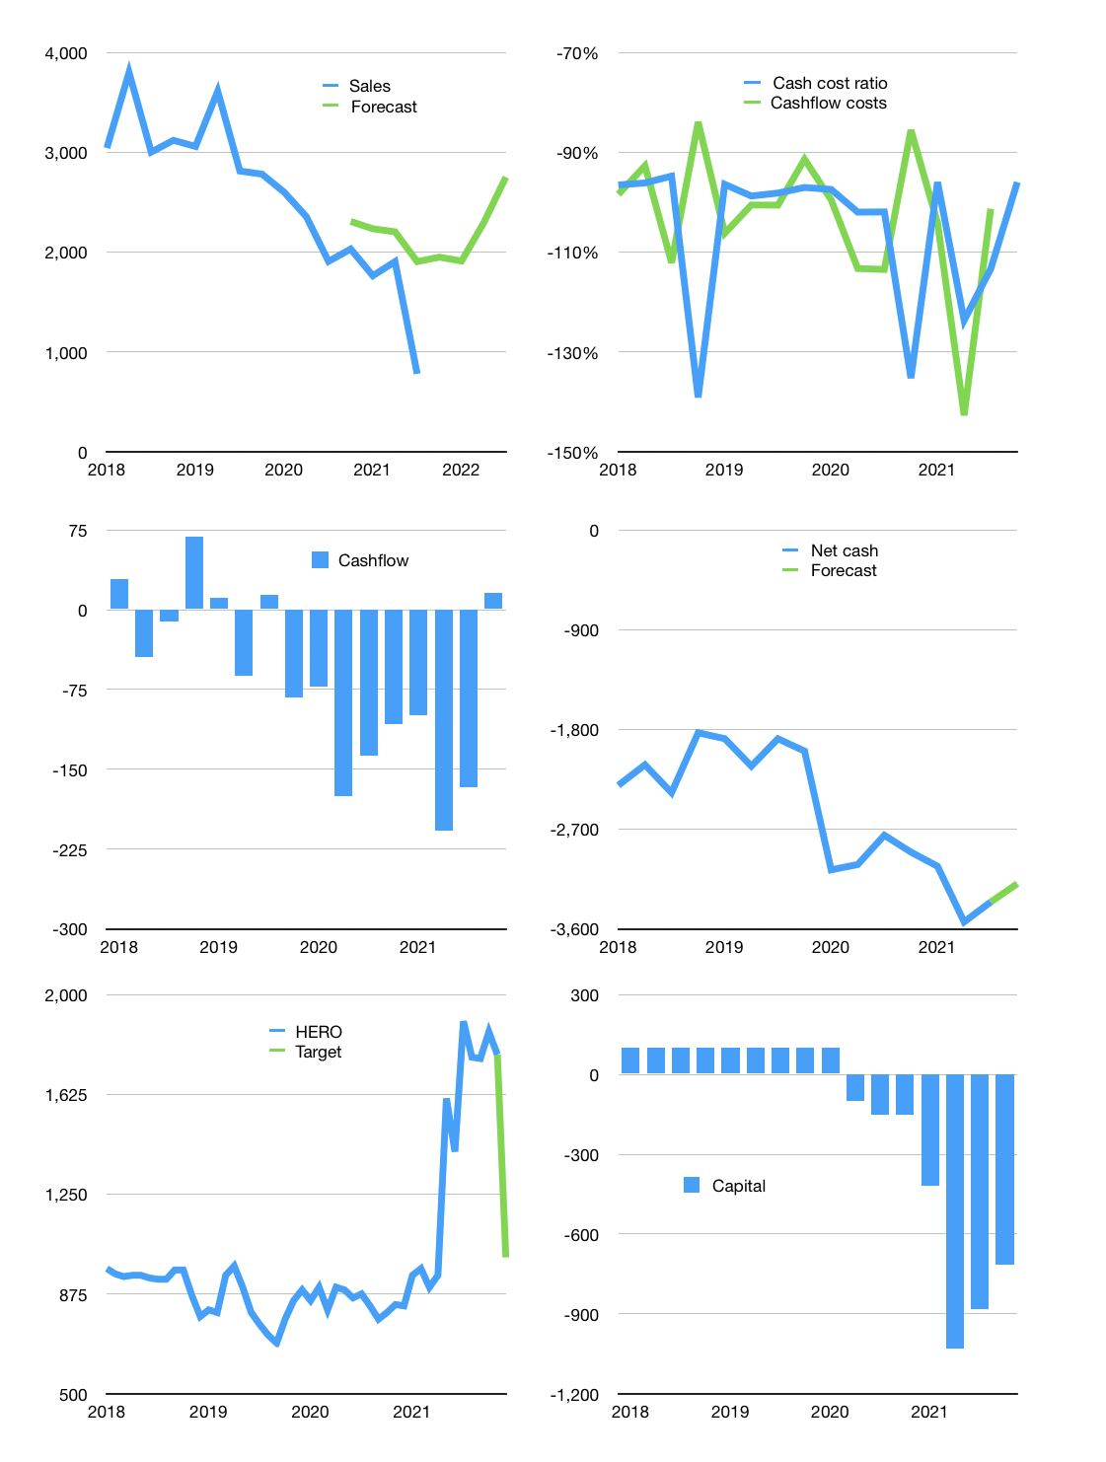
Financial model
Rp bn |  | 4Q 2021
Cashflow | -14% |  |  | 47%
Growth | 150% | -2% | 20% | 20%
Sales | 1,950 | 1,911 | 2,293 | 2,751
Cost ratio | -96% | -96% | -96% | -96%
Cash costs | -1,871 | -1,834 | -2,201 | -2,641
Operating | 79 | 77 | 92 | 111
Investment | -48 | -48 | -48 | -48
Leases | -47 | -47 | -47 | -47
Finance | -31 | -29 | -44 | -63
Liabilities | -172 | -163 | -155 | -147
Equity | 0 | 0 | 0 | -2
Before revolver | -141 | -134 | -111 | -86
Revolver | 141 | 134 | 111 | 86
Beginning | 79 | 79 | 79 | 79
Change | 0 | 0 | 0 | 0
Ending | 79 | 79 | 79 | 79
Profit
Non cash costs | -92 | -92 | -92 | -92
Profit | -14 | -15 | 0 | 19
Balance sheet
Other assets | 9,201 | 9,249 | 9,297 | 9,345
Depreciation | 4,797 | 4,890 | 4,982 | 5,074
Net other assets | 4,404 | 4,359 | 4,315 | 4,270
Liabilities | 3,265 | 3,102 | 2,947 | 2,799
Revolver | 141 | 275 | 386 | 472
Equity | 1,076 | 1,061 | 1,061 | 1,078
Check | 0 | 0 | 0 | 0
Net cash | -3,327 | -3,298 | -3,254 | -3,193
Valuation
Capital | -852 | -823 | -779 | -716
Current value |  |  |  | 7,426
P/assets |  |  |  | 1.71
Yield |  |  |  | 0%
Cashflow |  |  |  | 169
Payback |  |  |  | 26
Valuation |  |  |  | 44
Forecast |  |  |  | 25
Value |  |  |  | 4,235
Shares |  |  |  | 4
Target |  |  |  | 1,012
Current |  |  |  | 1,775
V target |  |  |  | -43%
12 month growth |  |  |  | -59%
Sales forecasts |  |  |  | 34%

