Model
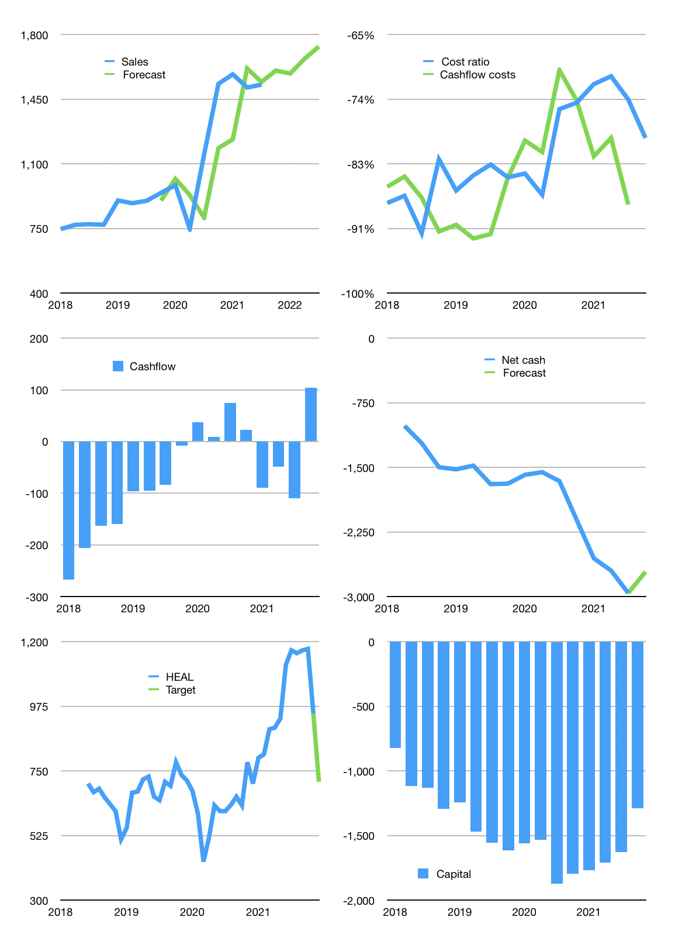
Financial model
Rpbn | 4Q 2021
Cash flow | 8% |  |  | 3%
Growth | 5% | -1% | 5% | 4%
Sales | 1,605 | 1,589 | 1,669 | 1,735
Cost ratio | -79% | -79% | -79% | -79%
Cash costs | -1,268 | -1,255 | -1,318 | -1,371
Operating | 337 | 334 | 350 | 364
Investment | -261 | -261 | -261 | -261
Finance | -76 | -73 | -90 | -104
Liabilities | -166 | -158 | -150 | -142
Equity | -23 | -22 | -24 | -25
Before revolver | -112 | -107 | -84 | -64
Revolver | 112 | 107 | 84 | 64
Beginning | 362 | 362 | 362 | 362
Change | 0 | 0 | 0 | 0
Ending | 362 | 362 | 362 | 362
Profit
Non cash costs | -111 | -111 | -111 | -111
Net profit | 226 | 223 | 239 | 253
Balance sheet
Other assets | 9,129 | 9,390 | 9,650 | 9,911
Depreciation | 1,850 | 1,961 | 2,072 | 2,183
Net other assets | 7,279 | 7,429 | 7,578 | 7,728
Liabilities | 3,156 | 2,998 | 2,848 | 2,706
Revolver | 112 | 220 | 304 | 368
Equity | 4,372 | 4,573 | 4,788 | 5,016
Check | 0 | 0 | 0 | 0
Net cash | -2,906 | -2,856 | -2,790 | -2,712
Valuation
Capital | -1,553 | -1,480 | -1,391 | -1,287
Current value |  |  |  | 13,940
P/assets |  |  |  | 1.72
Yield |  |  |  | 0.7%
Cashflow |  |  |  | 342
Payback |  |  |  | 21
Valuation |  |  |  | 41
Forecast |  |  |  | 25
Value |  |  |  | 8,560
Shares |  |  |  | 12
Target |  |  |  | 712
Current |  |  |  | 1,160
V target |  |  |  | -39%
12 month growth |  |  |  | 33%
Sales forecast |  |  |  | -8%

