Model
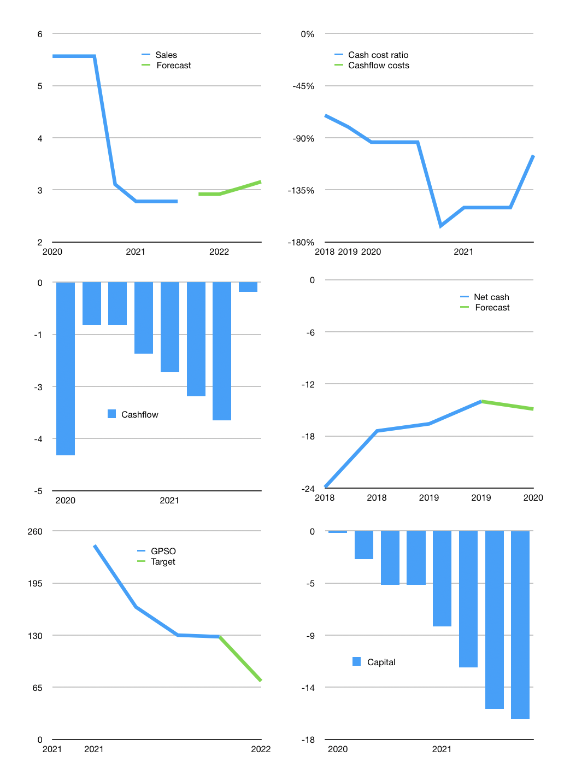
Financial model
Rpbn | 4Q 2021
Cash flow | -14% |  |  | 3%
Growth | 5% | 0% | 4% | 4%
Sales | 3 | 3 | 3 | 3
Cost ratio | -105% | -105% | -105% | -105%
Cash costs | -3 | -3 | -3 | -3
Operating | 0 | 0 | 0 | 0
Investment | 0 | 0 | 0 | 0
Finance | 0 | 0 | 0 | 0
Liabilities | -1 | -1 | -1 | -1
Equity | 0 | 0 | 0 | 0
Before revolver | -1 | -1 | -1 | -1
Revolver | 1 | 1 | 1 | 1
Beginning | 1 | 1 | 1 | 1
Change | 0 | 0 | 0 | 0
Ending | 1 | 1 | 1 | 1
Profit
Non cash cost | 0 | 0 | 0 | 0
Net profit | 0 | 0 | 0 | 0
Balance sheet
Other assets | 64 | 64 | 64 | 64
Depreciation | 1 | 1 | 1 | 2
Net other assets | 63 | 63 | 63 | 63
Liabilities | 14 | 14 | 13 | 12
Revolver | 1 | 2 | 3 | 4
Equity | 49 | 49 | 48 | 48
Check | 0 | 0 | 0 | 0
Net cash | -14 | -14 | -15 | -15
Valuation
Capital | -16 | -16 | -16 | -16
Current value |  |  |  | 85
P/assets |  |  |  | 1.32
Yield |  |  |  | 0%
Sales |  |  |  | 12
Payback
Valuation |  |  |  | 7
Forecast |  |  |  | 4
Value |  |  |  | 48
Shares |  |  |  | 1
Target |  |  |  | 73
Current |  |  |  | 128
V target |  |  |  | -43%
12 month growth |  |  |  | -50%
Sales v forecast |  |  |  | -100%

