Model
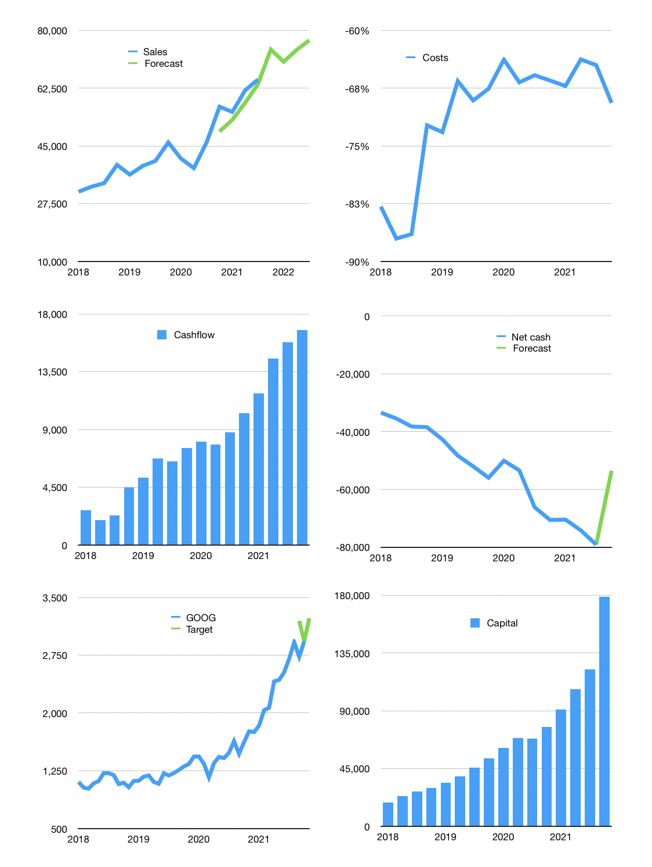
Financial model
$m | 4Q 2021
Cashflow | 9% |  |  | 5%
Growth | 14% | -5% | 5% | 4%
Sales | 74,235 | 70,523 | 74,049 | 77,011
Cost ratio | -69% | -69% | -69% | -69%
Cash costs | -51,518 | -48,942 | -51,389 | -53,445
Operating | 22,717 | 21,581 | 22,660 | 23,566
Investment | -6,819 | -6,819 | -6,819 | -6,819
Finance | -14,602 | -13,777 | -14,072 | -14,293
Liabilities | -5,142 | -4,885 | -4,640 | -4,408
Equity | -9,460 | -8,892 | -9,431 | -9,885
Before revolver | 1,296 | 985 | 1,769 | 2,454
Revolver | 0 | 0 | 0 | 0
Beginning | 23,719 | 25,015 | 26,000 | 27,769
Change | 1,296 | 985 | 1,769 | 2,454
Ending | 25,015 | 26,000 | 27,769 | 30,224
Profit
Non cash costs | -3,797 | -3,797 | -3,797 | -3,797
Profit | 18,920 | 17,784 | 18,863 | 19,769
Balance sheet
Other assets | 424,283 | 431,102 | 437,921 | 444,740
Depreciation | 97,577 | 101,374 | 105,171 | 108,968
Net other assets | 326,706 | 329,728 | 332,750 | 335,772
Liabilities | 97,694 | 92,809 | 88,169 | 83,761
Revolver | 0 | 0 | 0 | 0
Equity | 254,027 | 262,919 | 272,350 | 282,235
Check | 0 | 0 | 0 | 0
Net cash | -72,679 | -66,809 | -60,400 | -53,537
Valuation
Capital | 136,879 | 150,655 | 164,727 | 179,020
Current value |  |  |  | 1,950,000
P/assets |  |  |  | 5.3
Yield |  |  |  | 2%
Cashflow |  |  |  | 63,248
Payback |  |  |  | 4.9
Valuation |  |  |  | 31
Forecast |  |  |  | 34
Value |  |  |  | 2,150,435
Shares |  |  |  | 666
Target |  |  |  | 3,230
Current |  |  |  | 2,929
V target |  |  |  | 10%
12 month growth |  |  |  | 41%
Sales forecasts |  |  |  | -6%

