Model
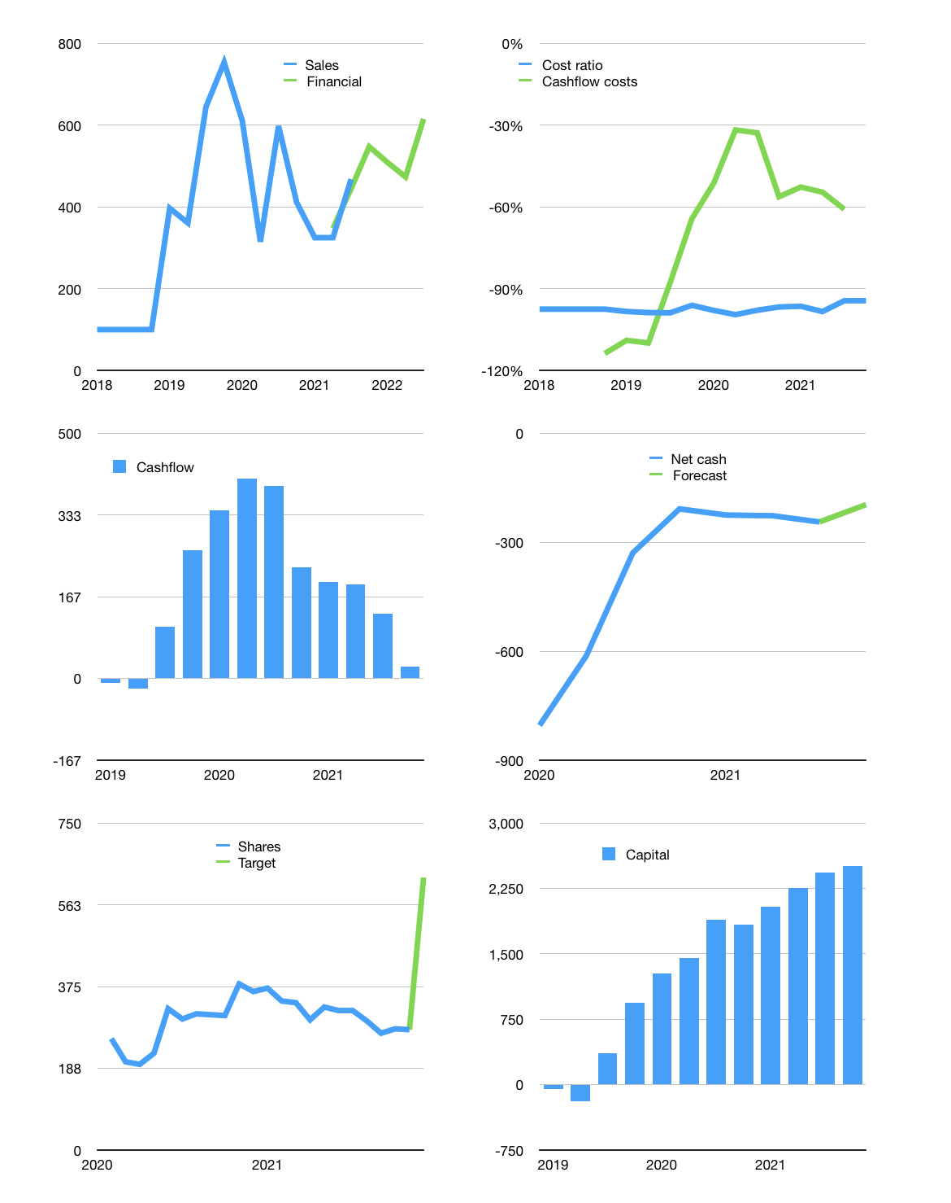
Financial model
Rpbn | 4Q 2021
Cashflow | -2% |  |  | 8%
Growth | 17% | -7% | -7% | 30%
Sales | 548 | 509 | 474 | 616
Cost ratio | -94% | -94% | -94% | -94%
Cash costs | -517 | -481 | -447 | -581
Operating | 31 | 29 | 27 | 34
Investment | -11 | -11 | -11 | -11
Liabilities | -15 | -14 | -13 | -13
Equity | -8 | -7 | -7 | -9
Before revolver | -2 | -3 | -4 | 2
Revolver | 2 | 3 | 4 | -2
Financial | -20 | -18 | -16 | -24
Beginning | 53 | 53 | 53 | 53
Change | 0 | 0 | 0 | 0
Ending | 53 | 53 | 53 | 53
Profit
Non cash costs | -5 | -5 | -5 | -5
Profit | 26 | 24 | 22 | 30
Balance sheet
Other assets | 532 | 542 | 553 | 563
Depreciation | 69 | 73 | 78 | 83
Net other assets | 463 | 469 | 474 | 480
Liabilities | 282 | 268 | 255 | 242
Revolver | 2 | 6 | 10 | 7
Equity | 231 | 248 | 263 | 284
Check | 0 | 0 | 0 | 0
Net cash | -232 | -221 | -211 | -196
Valuation
Capital | 2,449 | 2,467 | 2,483 | 2,507
Current value |  |  |  | 414
P/assets |  |  |  | 0.78
Yield |  |  |  | 7%
Cashflow |  |  |  | 78
Payback |  |  |  | 6
Valuation |  |  |  | 5
Forecast |  |  |  | 12
Value |  |  |  | 938
Shares |  |  |  | 1.5
Target |  |  |  | 625
Current |  |  |  | 276
V target |  |  |  | 126%
12 month growth |  |  |  | -22%
Sales forecasts |  |  |  | 0%

