Model
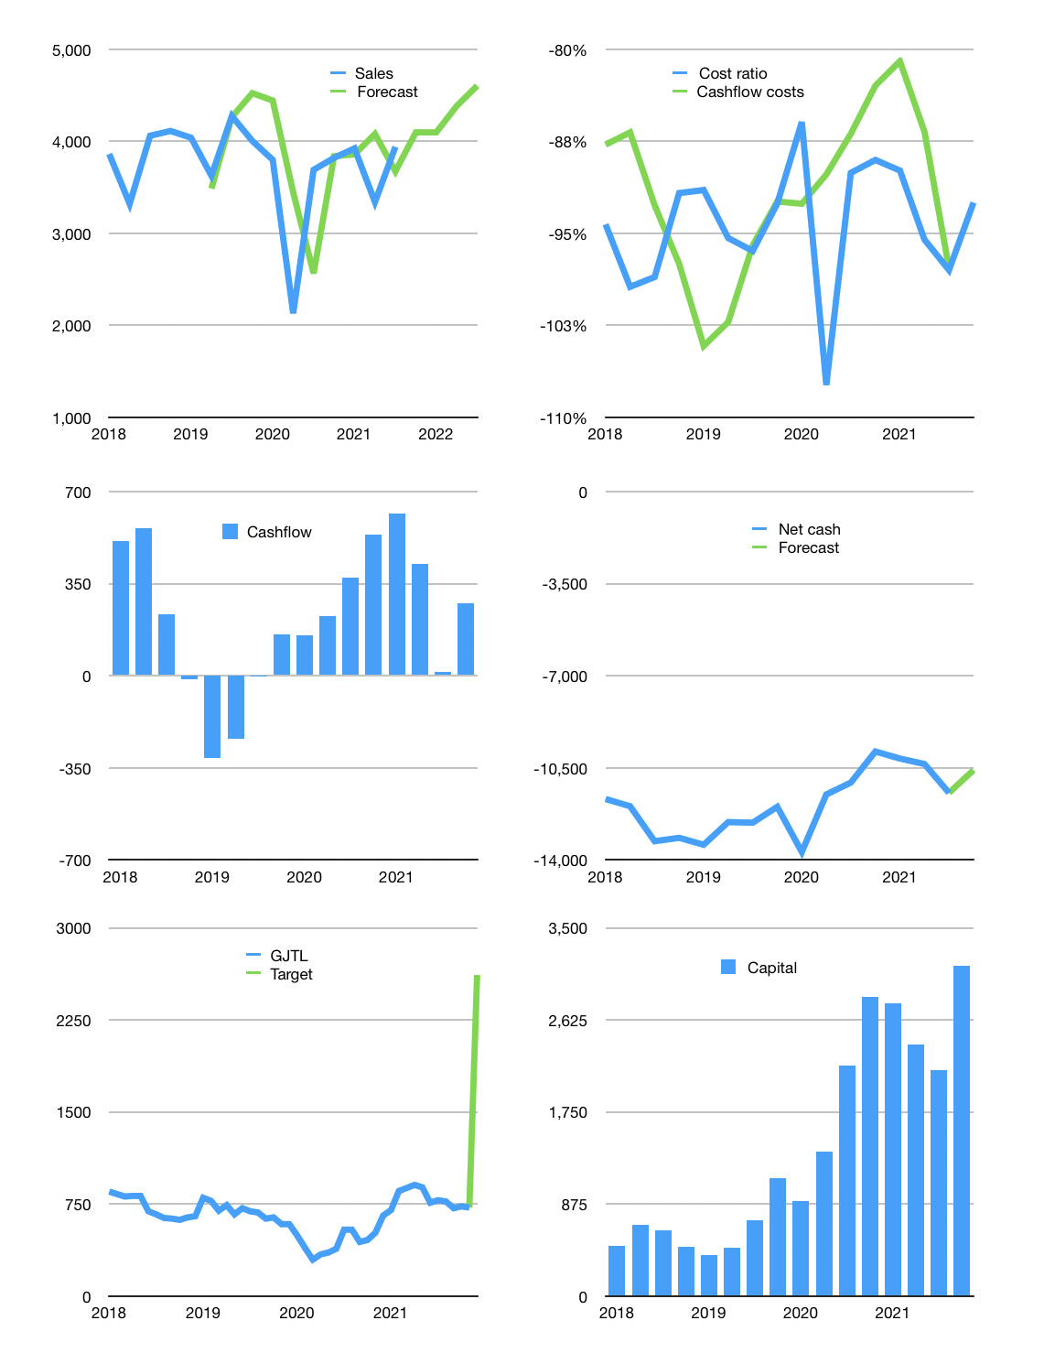
Financial model
Rpbn | 4Q 2021
Cash Flow | 2% |  |  | 4%
Growth | 4% | 0% | 7% | 5%
Sales | 4,096 | 4,096 | 4,383 | 4,602
Cost ratio | -93% | -93% | -93% | -93%
Cash costs | -3,789 | -3,789 | -4,054 | -4,257
Operating | 307 | 307 | 329 | 345
Investment | -63 | -63 | -63 | -63
Leases | -6 | -6 | -6 | -6
Finance | -238 | -238 | -260 | -276
Liabilities | -613 | -582 | -553 | -525
Equity | -39 | -39 | -45 | -50
Before revolver | -414 | -383 | -338 | -299
Revolver | 414 | 383 | 338 | 299
Beginning | 816 | 816 | 816 | 816
Change | 0 | 0 | 0 | 0
Ending | 816 | 816 | 816 | 816
Income statement
Non cash costs | -179 | -179 | -179 | -179
Net profit | 128 | 128 | 150 | 166
Balance Sheet
Other assets | 30,828 | 30,890 | 30,953 | 31,015
Depreciation | 12,485 | 12,663 | 12,842 | 13,020
Net other assets | 18,343 | 18,227 | 18,111 | 17,995
Liabilities | 11,649 | 11,061 | 10,501 | 9,970
Revolver | 414 | 796 | 1,134 | 1,433
Equity | 7,096 | 7,186 | 7,291 | 7,407
Check | 0 | 0 | 0 | 0
Net cash | -11,247 | -11,041 | -10,820 | -10,587
Valuation
Capital | 2,381 | 2,613 | 2,866 | 3,136
Current value |  |  |  | 2,509
P/assets |  |  |  | 0.13
Yield |  |  |  | 7%
Cashflow |  |  |  | 1,013
Payback |  |  |  | 18
Valuation |  |  |  | 2
Forecast |  |  |  | 9
Value |  |  |  | 9,115
Shares |  |  |  | 3
Target |  |  |  | 2,616
Current |  |  |  | 720
V target |  |  |  | 363%
12 month growth |  |  |  | 7%
Sales forecasts |  |  |  | 4%

