Model
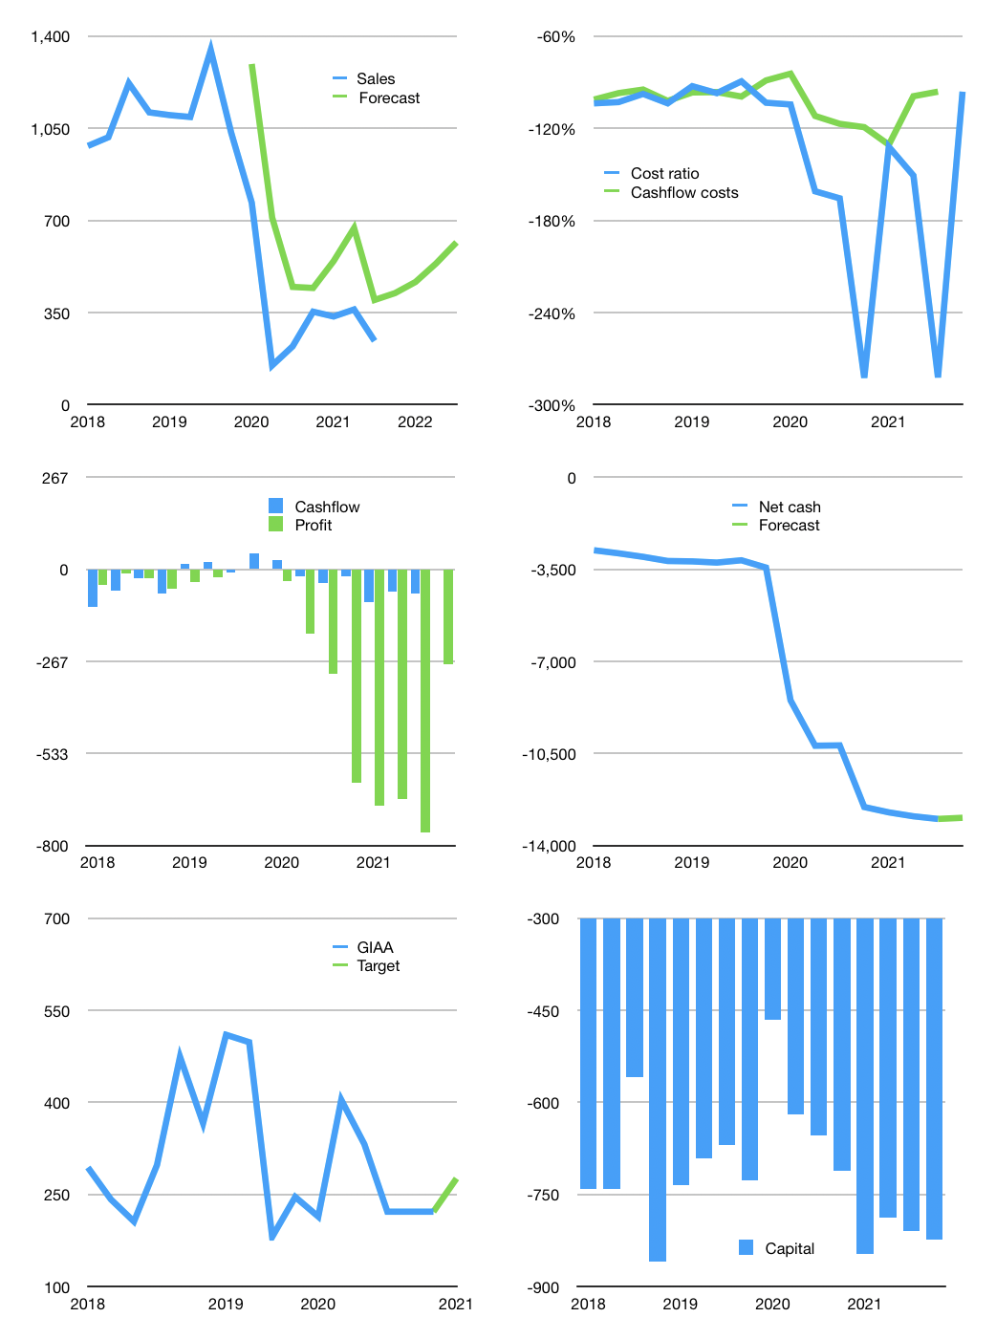
Financial model
$m | 4Q 2021
Cashflow | 7% |  |  | 29%
Growth | 75% | 10% | 15% | 15%
Sales | 424 | 466 | 536 | 617
Cost ratio | -96% | -96% | -96% | -96%
Cash costs | -408 | -448 | -516 | -593
Operating | 16 | 18 | 21 | 24
Investment | -9 | -9 | -9 | -9
Leases | -15 | -15 | -15 | -15
Finance | -8 | -9 | -12 | -15
Liabilities | -651 | -619 | -588 | -558
Equity | 0 | 0 | 0 | 0
Revolver | 644 | 609 | 576 | 543
Before revolver | -644 | -609 | -576 | -543
Beginning | 42 | 42 | 42 | 42
Change | 0 | 0 | 0 | 0
Ending | 42 | 42 | 42 | 42
Profit
Non cash costs | -299 | -299 | -299 | -299
Net profit | -282 | -281 | -278 | -275
Balance sheet
Other assets | 12,388 | 12,396 | 12,405 | 12,413
Depreciation | 3,298 | 3,596 | 3,895 | 4,193
Net other assets | 9,090 | 8,800 | 8,510 | 8,220
Liabilities | 12,376 | 11,757 | 11,169 | 10,611
Revolver | 644 | 1,253 | 1,829 | 2,372
Equity | -3,887 | -4,168 | -4,446 | -4,720
Check | 0 | 0 | 0 | 0
Net cash | -12,977 | -12,968 | -12,956 | -12,941
Valuation
Rupiah |  |  |  | 14
Capital | -816 | -821 | -824 | -823
Current value |  |  |  | 411
P/assets |  |  |  | 0.05
Yield |  |  |  | 0%
Cashflow |  |  |  | -14
Payback |  |  |  | -660
Valuation |  |  |  | -29
Sales |  |  |  | 2,043
Forecast |  |  |  | 0.3
Value |  |  |  | 511
Shares |  |  |  | 26
Target |  |  |  | 276
Current |  |  |  | 222
V target |  |  |  | 24%
12 month growth |  |  |  | 9%
Sales forecasts |  |  |  | 32%

