Model
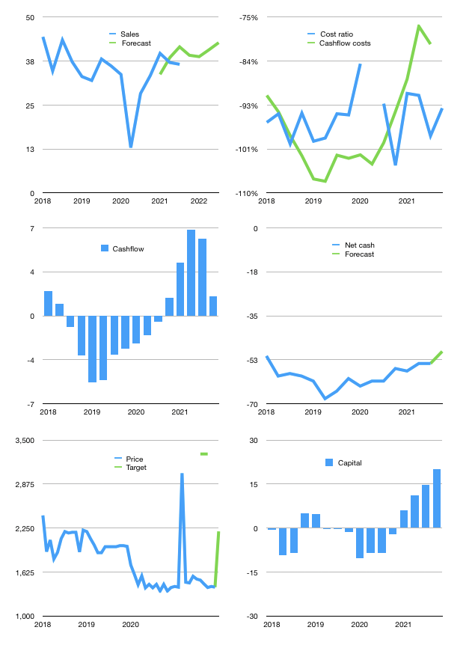
Financial model
$m | 4 2021
Cashflow | 7% |  |  | 4%
Growth | 7% | -1% | 5% | 5%
Sales | 39 | 39 | 41 | 43
Cost ratio | -93% | -93% | -93% | -93%
Cash costs | -36 | -36 | -38 | -40
Operating | 3 | 3 | 3 | 3
Investment | -1 | -1 | -1 | -1
Finance | -1 | -1 | -1 | -2
Liabilities | -4 | -3 | -3 | -3
Equity | 0 | 0 | 0 | 0
Before revolver | -2 | -2 | -2 | -2
Revolver | 2 | 2 | 2 | 2
Beginning | 17 | 17 | 17 | 17
Change | 0 | 0 | 0 | 0
Ending | 17 | 17 | 17 | 17
Profit |  |  |  | -1
Non cash costs | -2 | -2 | -2 | -2
Net profit | 0 | 0 | 1 | 1
Balance Sheet
Other assets | 245 | 247 | 248 | 250
Depreciation | 143 | 145 | 148 | 150
Net other assets | 102 | 101 | 101 | 100
Liabilities | 67 | 64 | 61 | 58
Revolver | 2 | 5 | 7 | 8
Equity | 49 | 50 | 50 | 51
Check | 0 | 0 | 0 | 0
Net cash | -53 | -52 | -51 | -49
Valuation
Rupiah |  |  |  | 14
Capital | 16 | 17 | 19 | 20
Current value |  |  |  | 43
P/assets |  |  |  | 0.36
Yield |  |  |  | 2%
Cashflow |  |  |  | 5
Payback |  |  |  | 19
Valuation |  |  |  | 8
Forecast |  |  |  | 12
Value |  |  |  | 66
Shares |  |  |  | 0
Target |  |  |  | 2,203
Current |  |  |  | 1,420
V target |  |  |  | 55%
12 month growth |  |  |  | 29%
Sales forecasts |  |  |  | 0%

