Model
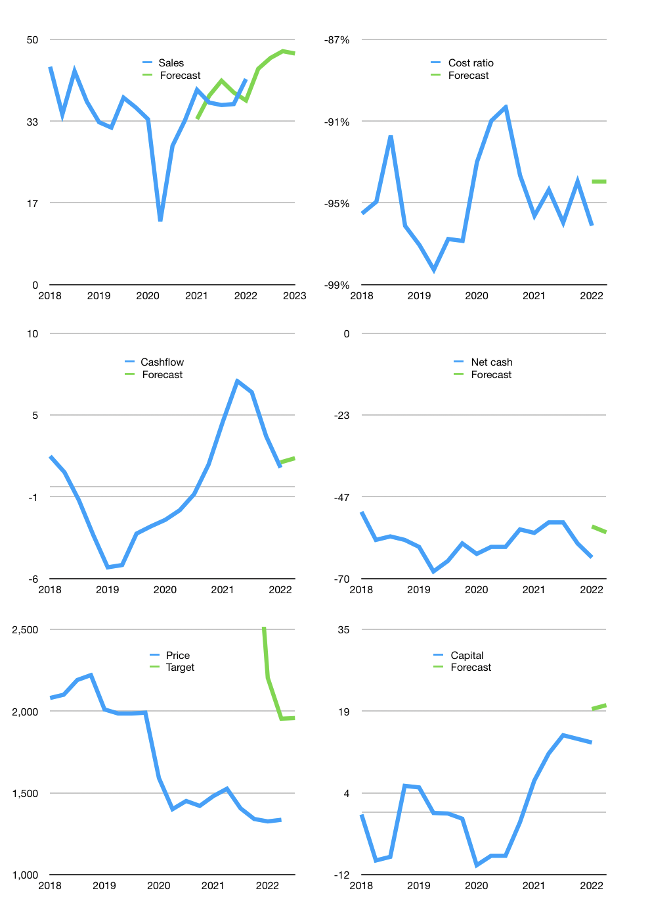
Financial model
$m |  |  | 4Q 2022
Cashflow | 2% |  |  | 3%
Growth | 5% | 5% | 3% | -1%
Sales | 44 | 46 | 48 | 47
Cost ratio | -94% | -94% | -94% | -94%
Cash costs | -41 | -43 | -45 | -44
Operating | 3 | 3 | 3 | 3
Investment | -1 | -1 | -1 | -1
Finance | -2 | -2 | -2 | -2
Liabilities | -4 | -4 | -4 | -3
Revolver | 2 | 2 | 2 | 2
Payout | 0
Equity | 0 | 0 | 0 | 0
Before revolver | -2 | -2 | -2 | -2
Beginning | 15 | 15 | 15 | 15
Change | 0 | 0 | 0 | 0
Ending | 15 | 15 | 15 | 15
Profit |  |  |  | 0
Non cash costs | -2 | -2 | -2 | -2
Net profit | 1 | 1 | 1 | 1
Balance Sheet
Other assets | 258 | 259 | 260 | 261
Depreciation | 148 | 150 | 151 | 153
Net other assets | 110 | 109 | 109 | 108
Liabilities | 75 | 71 | 68 | 64
Revolver | 2 | 4 | 6 | 7
Equity | 48 | 49 | 50 | 51
Check | 0 | 0 | 0 | 0
Net cash | -62 | -61 | -59 | -57
Valuation
Rupiah |  |  |  | 14
Capital | 15 | 17 | 19 | 20
Current value |  |  |  | 547,350,000,000
Current value |  |  |  | 39
P/assets |  |  |  | 0.32
Yield |  |  |  | 0%
Cashflow |  |  |  | 7
Payback |  |  |  | 15
Valuation |  |  |  | 5
Forecast |  |  |  | 8
Value |  |  |  | 57
Shares |  |  |  | 0
Target |  |  |  | 1,957
Current |  |  |  | 1,335
V target |  |  |  | 47%
12 month growth |  |  |  | 6%
Sales forecasts |  |  |  | -1%

Capital
Capital
$m | Liabilities | Equity | Total | Liabilities | Equity | Total
2009 | -8 | 0 | -8 | -8 | 0 | -8
2010 | -6 | -1 | -7 | -14 | -1 | -15
2011 | -8 | -1 | -9 | -21 | -2 | -24
2012 | -8 | -1 | -9 | -29 | -4 | -32
2013 | -6 | -1 | -7 | -34 | -5 | -39
2014 | 0 | -1 | -1 | -34 | -6 | -40
2015 | 0 | -1 | -1 | -34 | -7 | -41
2016 | 5 | 0 | 5 | -29 | -7 | -36
2017 | 0 | 0 | -1 | -29 | -7 | -36
2018 | 7 | 0 | 7 | -22 | -7 | -29
2019 | 9 | 0 | 9 | -13 | -7 | -21
2020 | 4 | 0 | 4 | -10 | -7 | -17
2021 | -14 | 0 | -14 | -24 | -7 | -31 | -34 | 13 | -86.8
2022 | 1 | 0 | 1 | -23 | -7 | -31

 |  |  |  |  |  |  |  |  |  | Table 1
GDYR -31 MILLION DOLLARS PAID
 |  |  |  |  |  |  |  |  |  |  | Market value | IDR547350000000
 |  |  |  |  |  |  |  |  |  |  | GDYR | capital history | -6% | of market value | paid every year.
 |  |  |  |  |  |  |  |  |  |  | 2022-03-30
 |  |  |  |  |  |  |  |  |  |  | Start date | 2009
 |  |  |  |  |  |  |  |  |  |  | Number of quarters | 52
 |  |  |  |  |  |  |  |  |  |  | Market value $m | 39
 |  |  |  |  |  |  |  |  |  |  | Liabilities | -24 | million dollars | paid
 |  |  |  |  |  |  |  |  |  |  | GDYR | has | paid | liabilities | by an average | -2 | million dollars | every year | -5% | of market value
 |  |  |  |  |  |  |  |  |  |  | In the last 5 years | liabilities | were | raised | by an average | 1 | million dollars | every year | 3% | of market value
 |  |  |  |  |  |  |  |  |  |  | The peak in cumulative liabilities | was | -8 | million dollars | in | 2009
 |  |  |  |  |  |  |  |  |  |  | As of the latest quarter | liabilities | cumulative | are | down | to | -24 | million dollars
 |  |  |  |  |  |  |  |  |  |  | Equity | -7 | million dollars | paid
 |  |  |  |  |  |  |  |  |  |  | GDYR | has | paid | equity | by an average | -1 | million dollars | every year | -1% | of market value
 |  |  |  |  |  |  |  |  |  |  | In the last 5 years | equity | was | paid | by an average | 0 | million dollars | every year | 0% | of market value
 |  |  |  |  |  |  |  |  |  |  | The peak in cumulative equity | was | 0 | million dollars | in | 2009
 |  |  |  |  |  |  |  |  |  |  | As of the latest quarter | equity | cumulative | is | down | to | -7 | million dollars
 |  |  |  |  |  |  |  |  |  |  | Total capital | -31 | million dollars | paid
 |  |  |  |  |  |  |  |  |  |  | GDYR | has | paid | total capital | by an average | -2 | million dollars | every year | -6% | of market value
 |  |  |  |  |  |  |  |  |  |  | In the last 5 years | total capital | was | raised | by an average | 1 | million dollars | every year | 2% | of market value
 |  |  |  |  |  |  |  |  |  |  | The peak in cumulative total capital | was | -8 | million dollars | in | 2009
 |  |  |  |  |  |  |  |  |  |  | As of the latest quarter | total capital | cumulative | is | down | to | -31.427 | million dollars | -6% | of market value | paid every year.

