Model
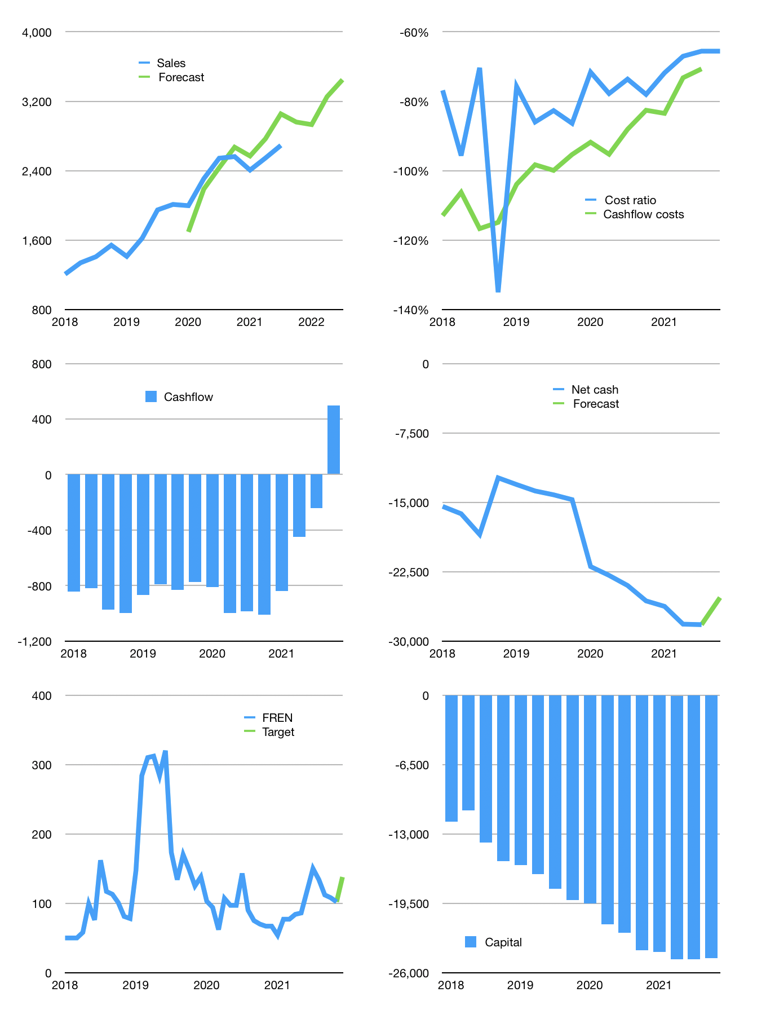
Financial model
Rpbn | 4Q 2021
Cashflow | 2% |  |  | 7%
Growth | 10% | -1% | 11% | 6%
Sales | 2,960 | 2,930 | 3,253 | 3,448
Cost ratio | -66% | -66% | -66% | -66%
Cash costs | -1,941 | -1,922 | -2,133 | -2,261
Operating | 1,019 | 1,009 | 1,120 | 1,187
Investment | -328 | -328 | -328 | -328
Leases | -363 | -363 | -363 | -363
Finance | -328 | -318 | -429 | -496
Liabilities | -1,456 | -1,365 | -1,278 | -1,196
Equity | -11 | -9 | -32 | -45
Before revolver | -1,139 | -1,056 | -881 | -745
Revolver | 1,139 | 1,056 | 881 | 745
Beginning | 879 | 879 | 879 | 879
Change | 0 | 0 | 0 | 0
Ending | 879 | 879 | 879 | 879
Profit
Non cash costs | -962 | -962 | -962 | -962
Net profit | 57 | 47 | 158 | 225
Balance Sheet
Other assets | 64,472 | 64,800 | 65,128 | 65,456
Depreciation | 24,255 | 25,216 | 26,178 | 27,140
Net other assets | 40,217 | 39,584 | 38,950 | 38,317
Liabilities | 27,293 | 25,566 | 23,925 | 22,366
Revolver | 1,139 | 2,194 | 3,075 | 3,820
Equity | 12,665 | 12,703 | 12,829 | 13,010
Check | 0 | 0 | 0 | 0
Net cash | -27,552 | -26,881 | -26,121 | -25,307
Valuation
Capital | -24,790 | -24,835 | -24,768 | -24,634
Current value |  |  |  | 31,420
P/assets |  |  |  | 0.80
Yield |  |  |  | 0%
Cashflow |  |  |  | 1,573
Payback |  |  |  | 26
Valuation |  |  |  | 20
Forecast |  |  |  | 27
Value |  |  |  | 42,458
Shares |  |  |  | 308
Target |  |  |  | 138
Current |  |  |  | 102
V target |  |  |  | 35%
12 month growth |  |  |  | 6%
Sales v forecast |  |  |  | 2%

