Model
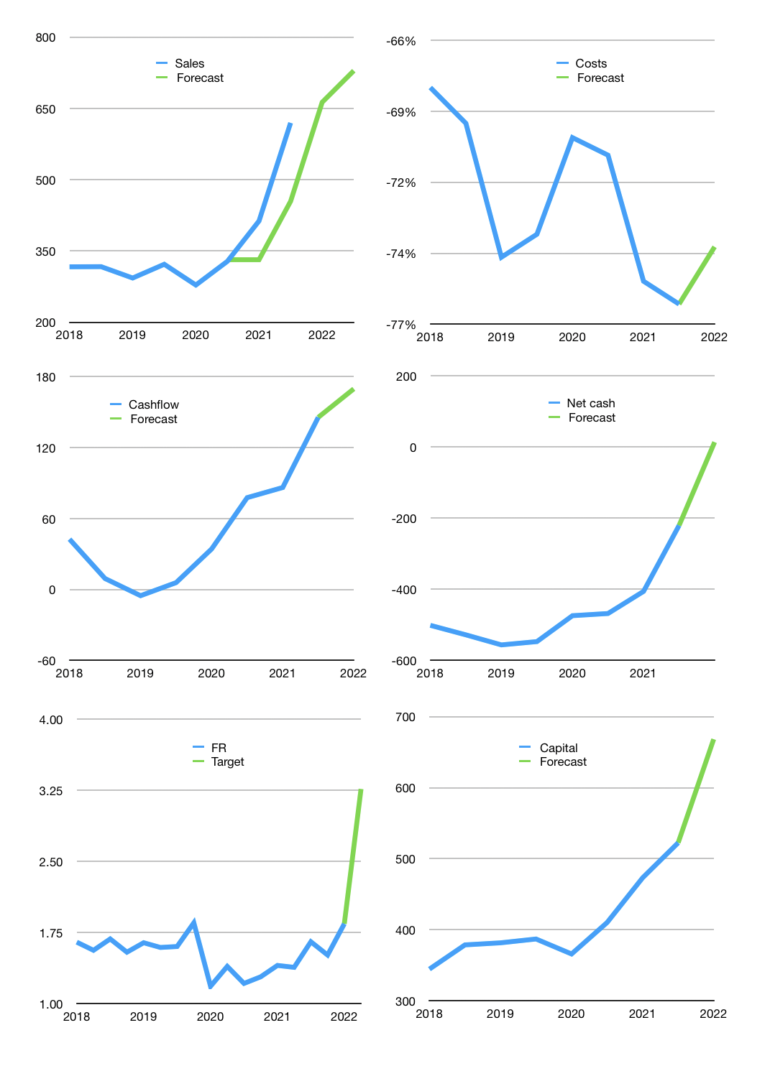
Financial model
$m |  | 2H 2022
Cashflow
Growth | 7% | 10%
Sales | 663 | 729
Cash costs ratio | -74% | -74%
Cash costs | -490 | -540
Operating | 172 | 190
Investment | -20 | -20
Finance | -71 | -75
Liabilities | -30 | -29
Equity | -41 | -46
Before revolver | 463 | 557
Revolver | 0 | 0
Beginning cash | 382 | 463
Change | 81 | 95
Ending cash | 463 | 557
Profit
Non cash costs | -36 | -36
Net profit | 137 | 154
Balance sheet
Other assets | 1,934 | 1,954
Depreciation | 457 | 493
Net other assets | 1,476 | 1,461
Liabilities | 572 | 544
Revolver | 0 | 0
Equity | 1,367 | 1,474
Check | 0 | 0
Net cash | -110 | 14
Valuation
S$ |  | 1.36
Capital | 594 | 668
Current value |  | 2,903,004,928
Current value |  | 2,135
P/assets |  | 1.06
Yield |  | 4%
Cashflow |  | 322
Payback |  | 5
Valuation |  | 7
Forecast |  | 16
Value |  | 5,149
Shares |  | 1,578
Target |  | 3.26
Current |  | 1.84
V target |  | 77%
12 month growth |  | 89%
Sales forecast |  | -18%

Cashflow
Cashflow
$m | Non cash costs | Working capital | Operating | Investment | Liabilities | Equity | Finance | Free cashflow | Cashflow | Forecast | Capital | Forecast
2015 |  |  | 40 | -62 |  |  | -69 | -22 | -22 |  | 69
 |  |  | 31 | -127 |  |  | -40 | -96 | -59 |  | 110
2016 |  |  | 28 | -37 |  |  | 9 | -9 | -53 |  | 100
 |  |  | 158 | -44 |  |  | -69 | 114 | 53 |  | 169
2017 |  |  | 111 | -37 |  |  | -10 | 74 | 94 |  | 180
 |  |  | 121 | -56 |  |  | -2 | 65 | 69 |  | 182
2018 |  |  | 48 | -28 |  |  | -163 | 20 | 43 |  | 345
 |  |  | 64 | -66 |  |  | -34 | -2 | 9 |  | 379
2019 |  |  | 40 | -49 |  |  | -3 | -9 | -5 |  | 382
 |  |  | 92 | -72 |  |  | -5 | 21 | 6 |  | 387
2020 |  |  | 92 | -45 |  |  | 21 | 48 | 34 |  | 366
 |  |  | 100 | 7 |  |  | -44 | 107 | 78 |  | 410
2021 |  |  | 85 | -20 |  |  | -63 | 65 | 86 |  | 473
 | 36 | 34 | 207 | 19 | -32 | -18 | -37 | 226 | 145 | 145 | 522 | 522
2022 |  |  |  |  |  |  |  |  |  | 170 |  | 668

 | Region 1 | Region 2
April | 17 | 55
May | 26 | 43
June | 53 | 70
July | 96 | 58

