Model
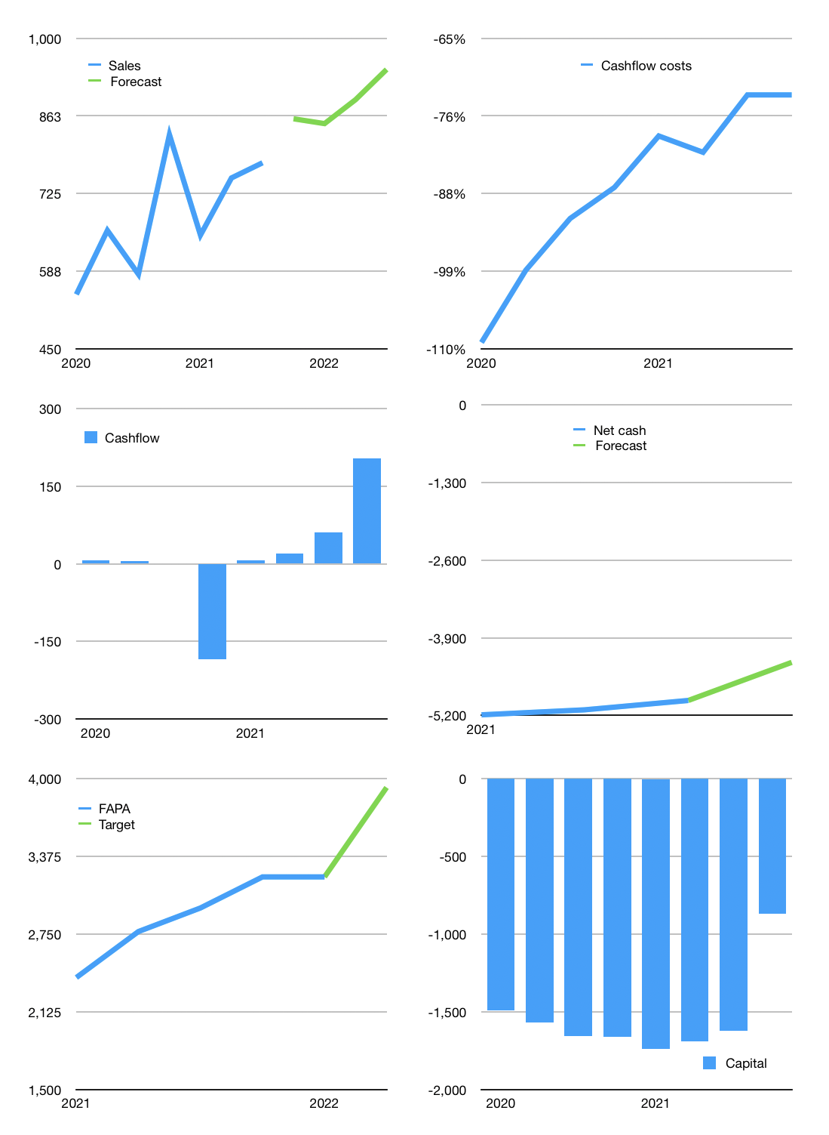
Financial model
Rpbn | 4Q 2021
Cash flow | 10% |  |  | 5%
Growth | 10% | -1% | 5% | 6%
Sales | 857 | 849 | 891 | 945
Cost ratio | -73% | -73% | -73% | -73%
Cash costs | -628 | -621 | -652 | -692
Operating | 230 | 227 | 239 | 253
Investment | -50 | -50 | -50 | -50
Finance | -180 | -178 | -189 | -204
Liabilities | -249 | -237 | -225 | -214
Equity | -26 | -25 | -29 | -33
Before revolver | -95 | -84 | -64 | -43
Revolver | 95 | 84 | 64 | 43
Beginning | 35 | 35 | 35 | 35
Change | 0 | 0 | 0 | 0
Ending | 35 | 35 | 35 | 35
Profit
Non cash cost | -143 | -143 | -143 | -143
Net profit | 86 | 84 | 95 | 110
Balance sheet
Other assets | 11,348 | 11,398 | 11,448 | 11,497
Depreciation | 3,589 | 3,733 | 3,876 | 4,019
Net other assets | 7,759 | 7,665 | 7,571 | 7,478
Liabilities | 4,735 | 4,499 | 4,274 | 4,060
Revolver | 95 | 179 | 244 | 287
Equity | 2,964 | 3,022 | 3,089 | 3,166
Check | 0 | 0 | 0 | 0
Net cash | -4,795 | -4,643 | -4,482 | -4,312
Valuation
Capital | -1,442 | -1,264 | -1,075 | -871
Current value |  |  |  | 11,650
P/assets |  |  |  | 1.55
Yield |  |  |  | 1%
Cashflow |  |  |  | 751
Payback |  |  |  | 10
Valuation |  |  |  | 16
Forecast |  |  |  | 19
Value |  |  |  | 14,262
Shares |  |  |  | 4
Target |  |  |  | 3,930
Current |  |  |  | 3,210
V target |  |  |  | 22%
12 month growth |  |  |  | 34%
Sales v forecast |  |  |  | -100%

