Model
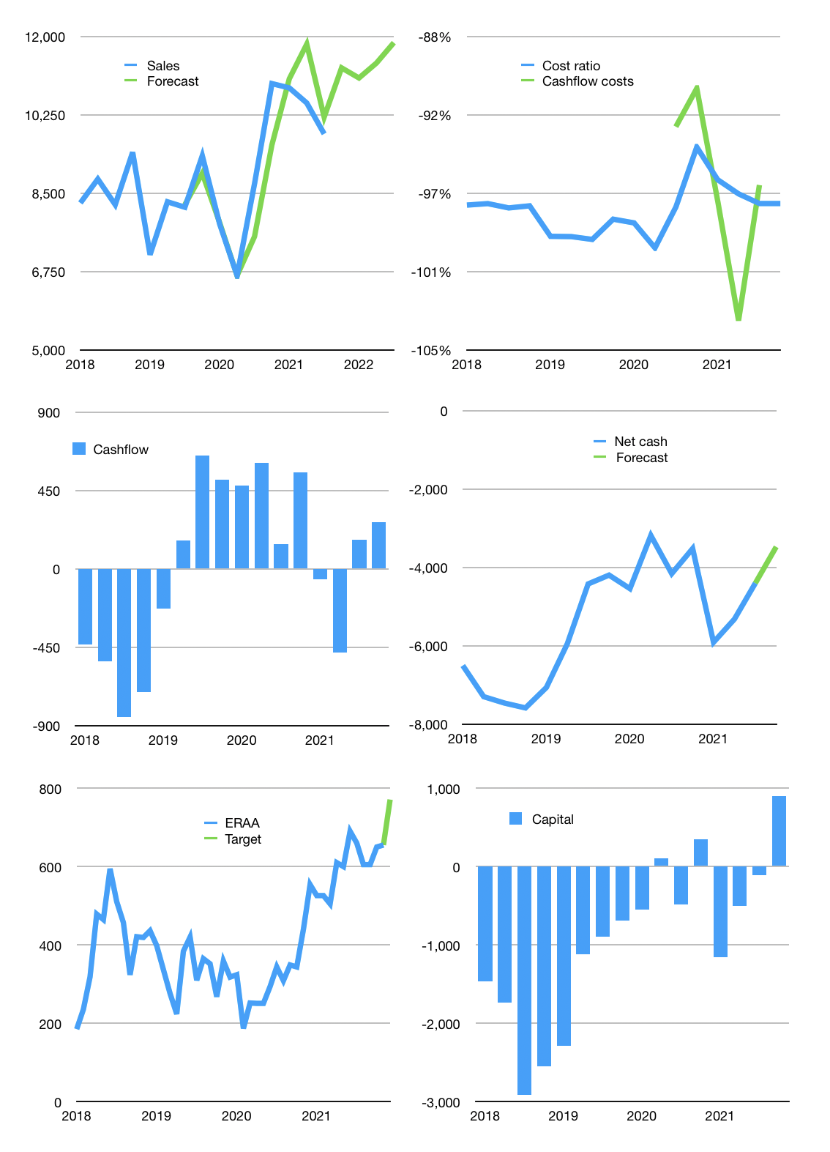
Financial model
Rpbn | 4Q 2021
Cash flow | 4% |  |  | 5%
Growth | 15% | -2% | 3% | 4%
Sales | 11,295 | 11,069 | 11,401 | 11,857
Cost ratio | -97% | -97% | -97% | -97%
Cash costs | -10,964 | -10,744 | -11,067 | -11,509
Operating | 331 | 325 | 334 | 348
Investment | -79 | -79 | -79 | -79
Finance | -252 | -245 | -255 | -258
Liabilities | -247 | -235 | -223 | -212
Equity | -23 | -22 | -23 | -24
Before revolver | -18 | -12 | 9 | 32
Revolver | 18 | 12 | -9 | -21
Beginning | 541 | 541 | 541 | 541
Change | 0 | 0 | 0 | 11
Ending | 541 | 541 | 541 | 552
Profit
Non cash costs | -103 | -103 | -103 | -103
Net profit | 228 | 222 | 232 | 245
Balance sheet
Other assets | 11,317 | 11,397 | 11,476 | 11,555
Depreciation | 753 | 856 | 959 | 1,062
Net other assets | 10,564 | 10,541 | 10,517 | 10,494
Liabilities | 4,699 | 4,464 | 4,241 | 4,029
Revolver | 18 | 30 | 21 | 0
Equity | 6,389 | 6,588 | 6,797 | 7,017
Check | 0 | 0 | 0 | 0
Net cash | -4,176 | -3,953 | -3,721 | -3,477
Valuation
Capital | 139 | 385 | 640 | 898
Current value |  |  |  | 10,410
P/assets |  |  |  | 0.94
Yield |  |  |  | 1%
Cashflow |  |  |  | 1,021
Payback |  |  |  | 10
Valuation |  |  |  | 10
Forecast |  |  |  | 12
Value |  |  |  | 12,252
Shares |  |  |  | 16
Target |  |  |  | 771
Current |  |  |  | 655
V target |  |  |  | 18%
12 month growth |  |  |  | 13%
Sales v forecast |  |  |  | -1%

Balance sheet
Balance sheet
Rpbn | Cash | Assets | Other assets | Depreciation | Liabilities | Equity | Check | Net cash | Forecast
2015 | 175 | 6,258 | 6,083 |  | 3,170 | 3,088 | 1 | -2,995
 | 84 | 6,565 | 6,480 |  | 3,491 | 3,074 | 1 | -3,407
 | 91 | 6,413 | 6,323 |  | 3,291 | 3,122 | 0 | -3,200
 | 127 | 7,800 | 7,674 |  | 4,595 | 3,205 | 0 | -4,468
2016 | 86 | 7,627 | 7,541 |  | 4,362 | 3,265 | 0 | -4,276
 | 151 | 7,591 | 7,440 |  | 4,319 | 3,271 | -1 | -4,168
 | 108 | 6,723 | 6,615 |  | 3,385 | 3,337 | -1 | -3,277
 | 615 | 7,425 | 6,810 |  | 4,015 | 3,409 | -1 | -3,401
2017 | 93 | 7,554 | 7,462 |  | 4,077 | 3,478 | 1 | -3,985
 | 313 | 7,414 | 7,101 |  | 3,860 | 3,554 | 1 | -3,547
 | 145 | 7,248 | 7,103 |  | 3,669 | 3,579 | 0 | -3,524
 | 366 | 8,874 | 8,508 |  | 5,168 | 3,707 | 1 | -4,802
2018 | 300 | 10,732 | 10,432 |  | 6,805 | 3,926 | -1 | -6,506
 | 288 | 11,928 | 11,640 |  | 7,587 | 4,341 | 0 | -7,299
 | 321 | 12,325 | 12,004 |  | 7,784 | 4,542 | 1 | -7,463
 | 272 | 12,683 | 12,411 |  | 7,858 | 4,826 | 1 | -7,586
2019 | 331 | 12,289 | 11,958 |  | 7,396 | 4,892 | 0 | -7,065
 | 386 | 11,140 | 10,754 |  | 6,338 | 4,802 | 0 | -5,952
 | Region 1 | Region 2
April | 17 | 55
May | 26 | 43
June | 53 | 70
July | 96 | 58
 | 550 | 9,828 | 9,278 | 412 | 4,973 | 4,854 | -1 | -4,423
 | 571 | 9,748 | 9,176 | 457 | 4,769 | 4,979 | 0 | -4,198
2020 | 217 | 9,944 | 9,727 | 494 | 4,760 | 5,184 | 0 | -4,543
 | 721 | 9,064 | 8,343 | 515 | 3,908 | 5,155 | -1 | -3,187
 | 251 | 9,789 | 9,538 | 549 | 4,411 | 5,377 | -1 | -4,160
 | 2,002 | 11,211 | 9,209 | 581 | 5,523 | 5,688 | 0 | -3,521
2021 | 150 | 11,985 | 11,835 | 590 | 6,062 | 5,923 | 0 | -5,912
 | 158 | 11,476 | 11,318 | 620 | 5,479 | 5,997 | 0 | -5,321
 | 541 | 11,129 | 10,588 | 650 | 4,946 | 6,183 | 0 | -4,405 | -4,405
 |  |  |  |  |  |  |  |  | -3,477

