Model
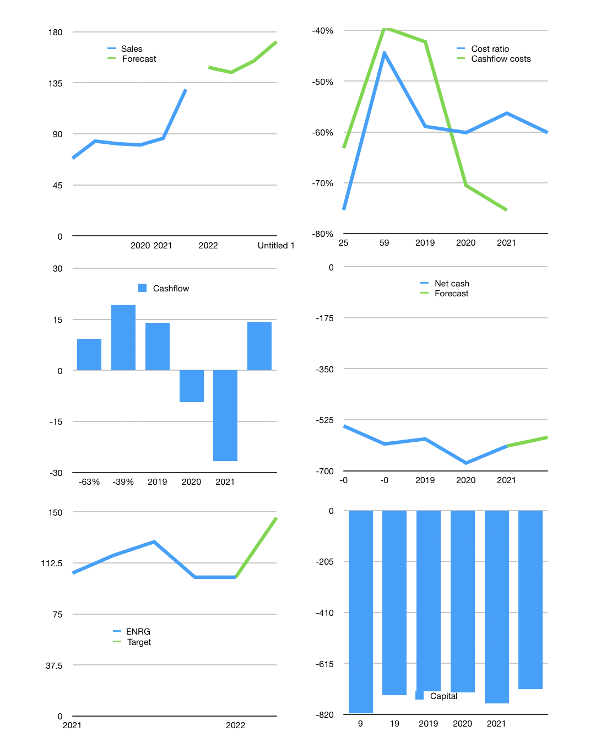
Model
$m | 4Q 2021
Cashflow | 19% |  |  | 8%
Growth | 15% | -3% | 7% | 11%
Sales | 149 | 144 | 154 | 171
Cost ratio | -60% | -60% | -60% | -60%
Cash costs | -89 | -87 | -93 | -103
Non cash costs | -50 | -50 | -50 | -50
Profit | 9 | 7 | 11 | 18
Operating | 59 | 57 | 62 | 68
Investment | -54 | -54 | -54 | -54
Liabilities | -32 | -30 | -29 | -27
Equity | 0 | 0 | 0 | 0
Before revolver | -27 | -27 | -22 | -13
Revolver | 27 | 27 | 22 | 13
Beginning | 26 | 26 | 26 | 26
Change | 0 | 0 | 0 | 0
Ending | 26 | 26 | 26 | 26
Balance sheet
Other assets | 1,097 | 1,151 | 1,205 | 1,259
Depreciation | 50 | 101 | 151 | 201
Liabilities | 609 | 579 | 550 | 522
Revolver | 27 | 54 | 75 | 89
Equity | 437 | 444 | 455 | 473
Check | 0 | 0 | 0 | 0
Net cash | -610 | -607 | -599 | -585
Valuation
Capital | -744 | -740 | -733 | -719
Current value |  |  |  | 75
P/assets |  |  |  | 0.07
Yield |  |  |  | 0%
Cashflow |  |  |  | 57
Payback |  |  |  | 18
Valuation |  |  |  | 1
Forecast |  |  |  | 1.9
Value |  |  |  | 108
Shares |  |  |  | 1
Current |  |  |  | 102
Target |  |  |  | 146
V target |  |  |  | 43%
12 month growth |  |  |  | 43%

