Model
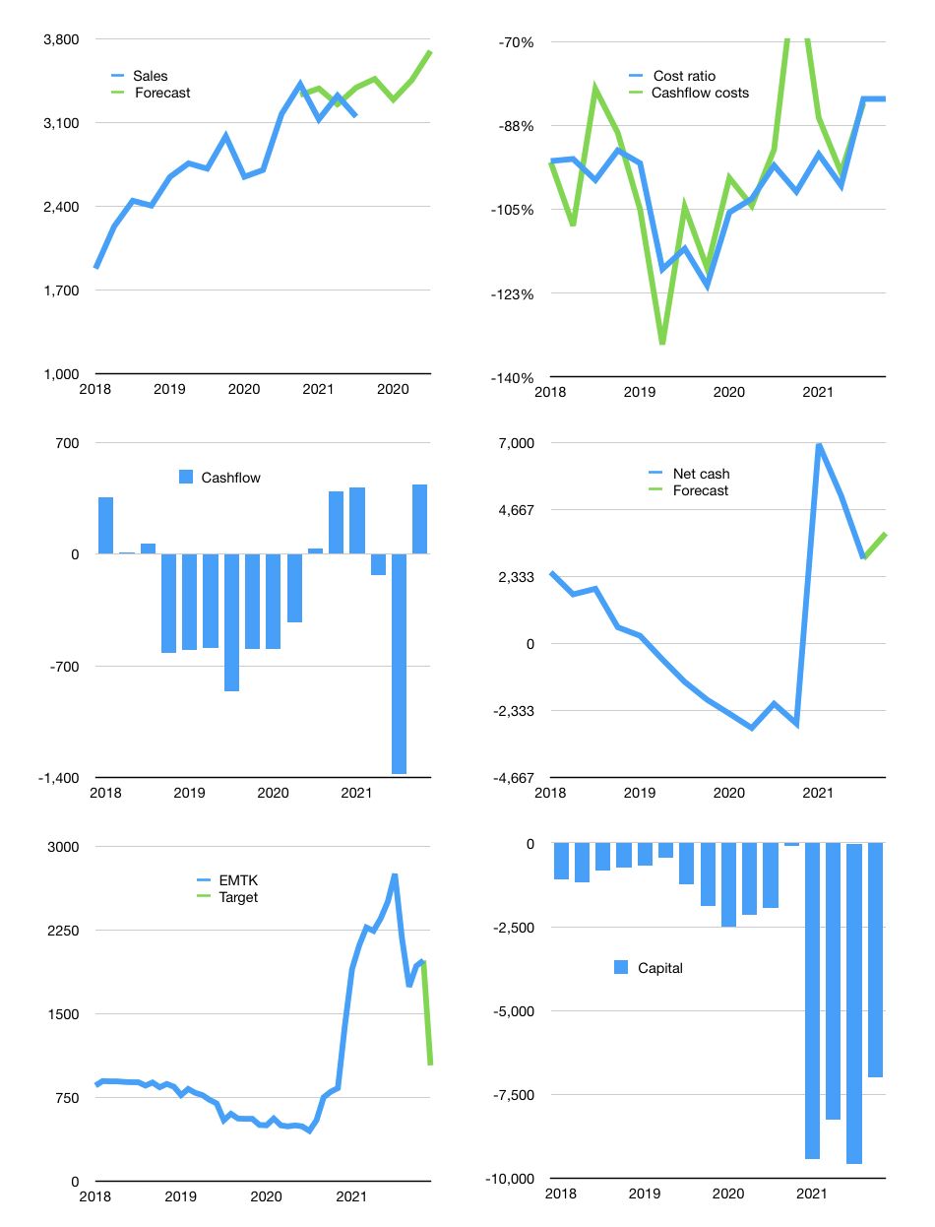
Financial model
Rpbn | 4Q 2021
Cashflow | 0% |  |  | 4%
Growth | 10% | -5% | 5% | 7%
Sales | 3,463 | 3,290 | 3,455 | 3,697
Cost ratio | -82% | -82% | -82% | -82%
Cash costs | -2,838 | -2,696 | -2,831 | -3,029
Operating | 625 | 594 | 624 | 667
Investment | -229 | -229 | -229 | -229
Leases | -2 | -2 | -2 | -2
Finance | -325 | -308 | -310 | -316
Liabilities | -147 | -139 | -132 | -125
Equity | -178 | -169 | -178 | -191
Before revolver | 69 | 55 | 83 | 120
Revolver | 0 | 0 | 0 | 0
Beginning | 5,885 | 5,954 | 6,009 | 6,091
Change | 69 | 55 | 83 | 120
Ending | 5,954 | 6,009 | 6,091 | 6,211
Profit
Non cash costs | -54 | -54 | -54 | -54
Others | 23 | 23 | 23 | 23
Profit | 594 | 563 | 592 | 636
Balance sheet
Other assets | 26,106 | 26,357 | 26,609 | 26,860
Depreciation | 4,587 | 4,641 | 4,695 | 4,749
Net other assets | 21,519 | 21,716 | 21,914 | 22,111
Liabilities | 2,785 | 2,643 | 2,509 | 2,381
Revolver | 0 | 0 | 0 | 0
Equity | 24,688 | 25,082 | 25,496 | 25,942
Check | 0 | 0 | 0 | 0
Net cash | 3,169 | 3,366 | 3,583 | 3,830
Valuation
Capital | -7,932 | -7,626 | -7,318 | -7,005
Current value |  |  |  | 120,870
P/sales |  |  |  | 8.7
P/assets |  |  |  | 4.3
Yield |  |  |  | 1%
Cashflow |  |  |  | 1,585
Payback |  |  |  | 13
Valuation |  |  |  | 76
Forecast |  |  |  | 40
Value |  |  |  | 63,416
Shares |  |  |  | 61
Target |  |  |  | 1,036
Current |  |  |  | 1,975
V target |  |  |  | -48%
12 month growth |  |  |  | -1%
Sales v forecast |  |  |  | 3%

