Model
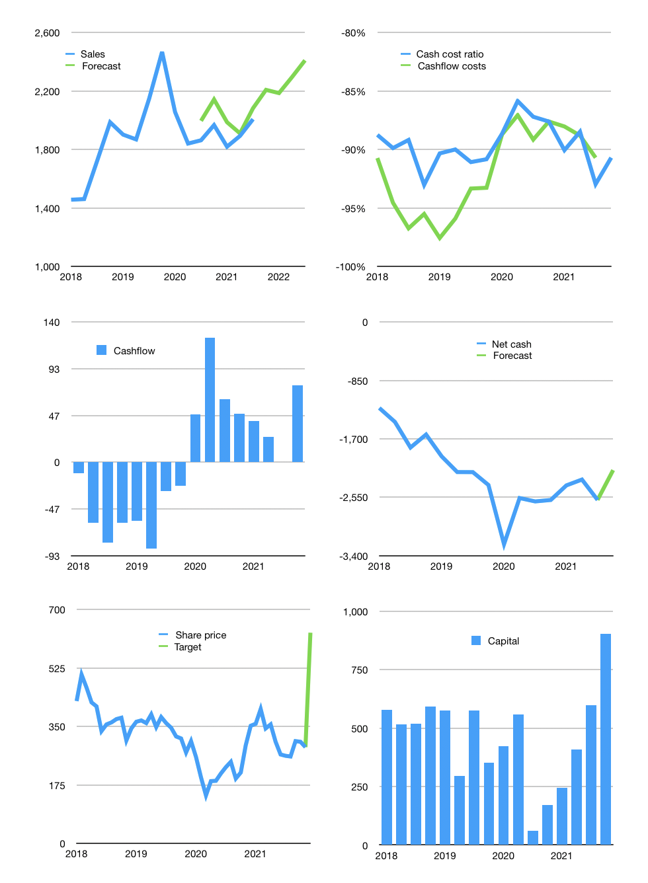
Financial model
Rpbn | 4Q 2021
Cashflow | 2% |  |  | 5%
Growth | 10% | -1% | 5% | 5%
Sales | 2,208 | 2,186 | 2,295 | 2,410
Cost ratio | -91% | -91% | -91% | -91%
Cash costs | -2,003 | -1,983 | -2,082 | -2,186
Operating | 205 | 203 | 213 | 224
Investment | -83 | -83 | -83 | -83
Leases | -52 | -52 | -52 | -52
Finance | -122 | -120 | -131 | -141
Liabilities | -168 | -159 | -151 | -144
Equity | -18 | -18 | -21 | -24
Before revolver | -64 | -57 | -42 | -27
Revolver | 64 | 57 | 42 | 27
Beginning | 763 | 763 | 763 | 763
Change | 0 | 0 | 0 | 0
Ending | 763 | 763 | 763 | 763
Profit
Non cash costs | -144 | -144 | -144 | -144
Profit | 62 | 60 | 70 | 80
Balance sheet
Other assets | 10,618 | 10,701 | 10,784 | 10,867
Depreciation | 4,377 | 4,520 | 4,664 | 4,808
Net other assets | 6,241 | 6,180 | 6,120 | 6,059
Liabilities | 3,184 | 3,025 | 2,874 | 2,730
Revolver | 64 | 120 | 162 | 189
Equity | 3,756 | 3,798 | 3,847 | 3,903
Check | 0 | 0 | 0 | 0
Net cash | -2,485 | -2,383 | -2,273 | -2,156
Valuation
Capital | 667 | 736 | 814 | 904
Current value |  |  |  | 2,102
P/assets |  |  |  | 0.31
Yield |  |  |  | 4%
Cashflow |  |  |  | 307
Payback |  |  |  | 21
Valuation |  |  |  | 7
Forecast |  |  |  | 15
Value |  |  |  | 4,603
Shares |  |  |  | 7
Target |  |  |  | 631
Current |  |  |  | 288
V target |  |  |  | 119%
12 month growth |  |  |  | 8%
Sales forecasts |  |  |  | 6%

