Model
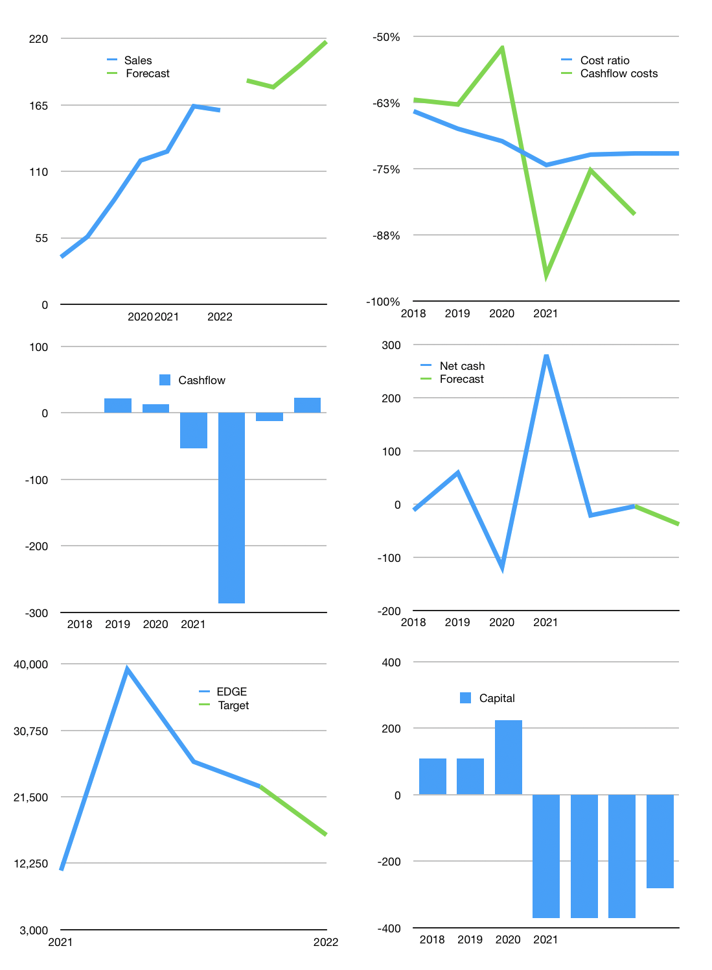
Model
Rpbn | 4Q 2021
Cashflow | 11% |  |  | 8%
Growth | 13% | -3% | 10.0% | 10.0%
Sales | 185 | 180 | 198 | 217
Cost ratio | -72% | -72% | -72% | -72%
Cash costs | -134 | -129 | -142 | -157
Non cash costs | -13 | -13 | -13 | -13
Profit | 39 | 37 | 42 | 48
Operating | 52 | 50 | 55 | 61
Investment | -38 | -38 | -38 | -38
Liabilities | -15.01005 | -14 | -14 | -13
Equity | -23 | -22 | -25 | -29
Before revolver | -24.601622031 | -24 | -22 | -19
Revolver | 24.601622031 | 24 | 22 | 19
Beginning | 296 | 296 | 296 | 296
Change | 0 | 0 | 0 | 0
Ending | 296 | 296 | 296 | 296
Balance sheet
Other assets | 1234.833 | 1,273 | 1,311 | 1,349
Depreciation | 210.537 | 224 | 237 | 250
Liabilities | 285.19095 | 271 | 257 | 245
Revolver | 24.601622031 | 49 | 71 | 90
Equity | 1,010 | 1,025 | 1,042 | 1,061
Check | 2E-12 | 0 | 0 | 0
Net cash | -13.916572031 | -24 | -32 | -38
Valuation
Capital | -333 | -321 | -304 | -281
Current value |  |  |  | 9,263
P/assets |  |  |  | 6.64
Yield |  |  |  | 1%
Cashflow |  |  |  | 65
Payback |  |  |  | 15.3
Valuation |  |  |  | 142
Forecast |  |  |  | 100
Value |  |  |  | 6535
Shares |  |  |  | 0
Current |  |  |  | 22,925
Target |  |  |  | 16,173
V target |  |  |  | -29%
12 month growth |  |  |  | 51%

