Model
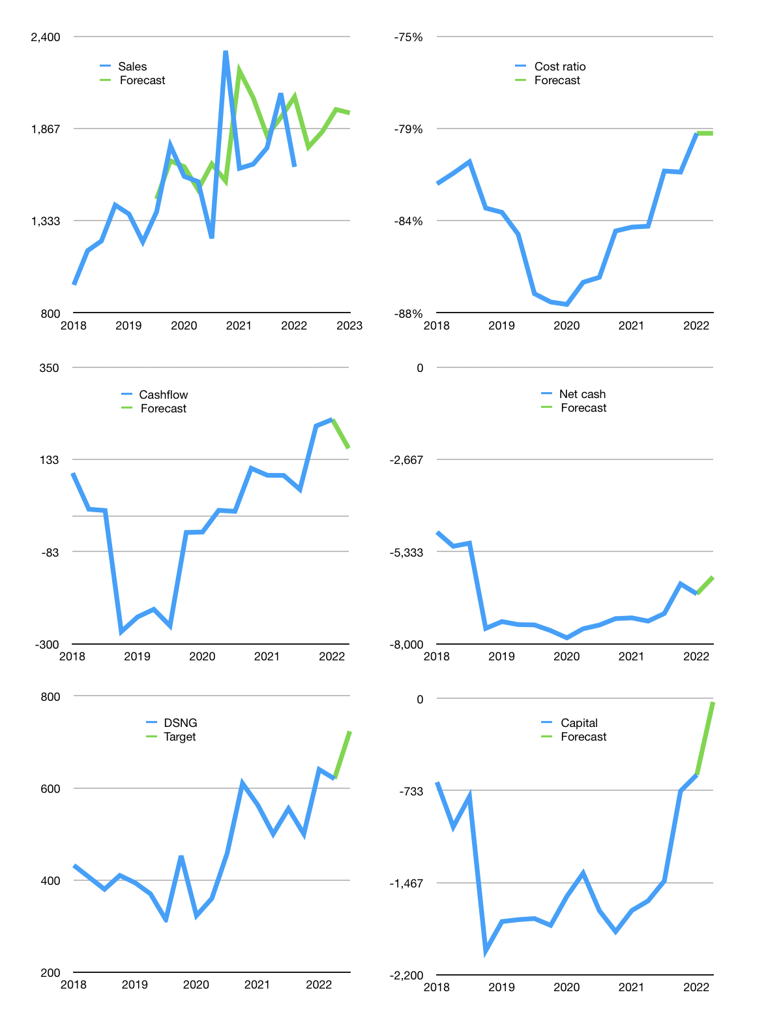
Financial model
Rpbn |  |  | 4Q 2022
Cash flow | 1% |  |  | 5%
Growth | 7% | 5% | 7% | -1%
Sales | 1,760 | 1,848 | 1,978 | 1,958
Cost ratio | -80% | -80% | -80% | -80%
Cash costs | -1,400 | -1,470 | -1,573 | -1,557
Operating | 360 | 378 | 404 | 400
Investment | -241 | -241 | -241 | -241
Finance | -119 | -137 | -164 | -160
Liabilities | -347 | -330 | -313 | -298
Revolver | 248 | 214 | 174 | 162
Payout | 0.1
Equity | -20 | -22 | -25 | -24
Before revolver | -248 | -214 | -174 | -162
Beginning | 386 | 386 | 386 | 386
Change | 0 | 0 | 0 | 0
Ending | 386 | 386 | 386 | 386
Profit
Non cash costs | -159 | -159 | -159 | -159
Net profit | 201 | 219 | 245 | 241
Balance sheet
Other assets | 18,134 | 18,374 | 18,615 | 18,856
Depreciation | 4,263 | 4,422 | 4,581 | 4,740
Net LT assets | 13,871 | 13,952 | 14,034 | 14,116
Liabilities | 6,594 | 6,264 | 5,951 | 5,653
Revolver | 248 | 462 | 636 | 798
Equity | 7,415 | 7,612 | 7,833 | 8,050
Check | 0 | 0 | 0 | 0
Net cash | -6,456 | -6,340 | -6,201 | -6,066
Valuation
Capital | -489 | -352 | -188 | -28
Current value |  |  |  | 5,968,814,161,920
Current value |  |  |  | 5,969
P/assets |  |  |  | 0.41
Yield |  |  |  | 2%
Cashflow |  |  |  | 580
Payback |  |  |  | 24
Valuation |  |  |  | 10
Forecast |  |  |  | 12
Value |  |  |  | 6,961
Shares |  |  |  | 10
Target |  |  |  | 723
Current |  |  |  | 620
V target |  |  |  | 17%
12 month growth |  |  |  | 1%
Sales forecast |  |  |  | 5%

Capital
Capital
Rpbn | Liabilities | Equity | Total | Liabilities | Equity | Total
2010 | 342 | 0 | 342 | 342 | 0 | 342
2011 | 233 | 0 | 233 | 575 | 0 | 575
2012 | 756 | 73 | 829 | 1,331 | 73 | 1,404
2013 | 50 | 385 | 435 | 1,381 | 458 | 1,839
2014 | 508 | -42 | 466 | 1,889 | 416 | 2,305
2015 | 557 | -184 | 373 | 2,446 | 232 | 2,678
2016 | 212 | -58 | 154 | 2,658 | 174 | 2,832
2017 | -352 | -52 | -404 | 2,306 | 122 | 2,428
2018 | 1,408 | -105 | 1,303 | 3,714 | 17 | 3,731
2019 | -153 | -105 | -258 | 3,561 | -88 | 3,473
2020 | 265 | -52 | 213 | 3,826 | -140 | 3,686
2021 | -1,076 | -44 | -1,120 | 2,750 | -184 | 2,566 | 214 | -53 | -1119.6

DSNG CAPITAL BACK TO 2015 LEVELS 2.6 TRILLION RUPIAH
 |  |  |  |  |  |  |  |  |  | Table 1

 |  |  |  |  |  |  |  |  |  |  | DSNG | capital history
 |  |  |  |  |  |  |  |  |  |  | 2022-03-01 | 13 | 2022
 |  |  |  |  |  |  |  |  |  |  | Start date | 2010
 |  |  |  |  |  |  |  |  |  |  | Number of quarters | 48
 |  |  |  |  |  |  |  |  |  |  | Liabilities | 2,750 | billion rupiah | raised
 |  |  |  |  |  |  |  |  |  |  | DSNG | has | raised | liabilities | by an average | 229 | billion rupiah | every year
 |  |  |  |  |  |  |  |  |  |  | In the last 5 years | liabilities | were | raised | by an average | 18 | billion rupiah | every year
 |  |  |  |  |  |  |  |  |  |  | The peak in cumulative liabilities | was | 3,826 | billion rupiah | in | 2020
 |  |  |  |  |  |  |  |  |  |  | As of the latest quarter | liabilities | cumulative | are | down | to | 2,750 | billion rupiah
 |  |  |  |  |  |  |  |  |  |  | Equity | -184 | billion rupiah | paid
 |  |  |  |  |  |  |  |  |  |  | DSNG | has | paid | equity | by an average | -15 | billion rupiah | every year
 |  |  |  |  |  |  |  |  |  |  | In the last 5 years | equity | was | paid | by an average | -72 | billion rupiah | every year
 |  |  |  |  |  |  |  |  |  |  | The peak in cumulative equity | was | 458 | billion rupiah | in | 2013
 |  |  |  |  |  |  |  |  |  |  | As of the latest quarter | equity | cumulative | is | down | to | -184 | billion rupiah
 |  |  |  |  |  |  |  |  |  |  | Total capital | 2,566 | billion rupiah | raised
 |  |  |  |  |  |  |  |  |  |  | DSNG | has | raised | total capital | by an average | 214 | billion rupiah | every year
 |  |  |  |  |  |  |  |  |  |  | In the last 5 years | total capital | was | paid | by an average | -53 | billion rupiah | every year
 |  |  |  |  |  |  |  |  |  |  | The peak in cumulative total capital | was | 3,731 | billion rupiah | in | 2018
 |  |  |  |  |  |  |  |  |  |  | As of the latest quarter | total capital | cumulative | is | down | to | 2,566 | billion rupiah

