Model
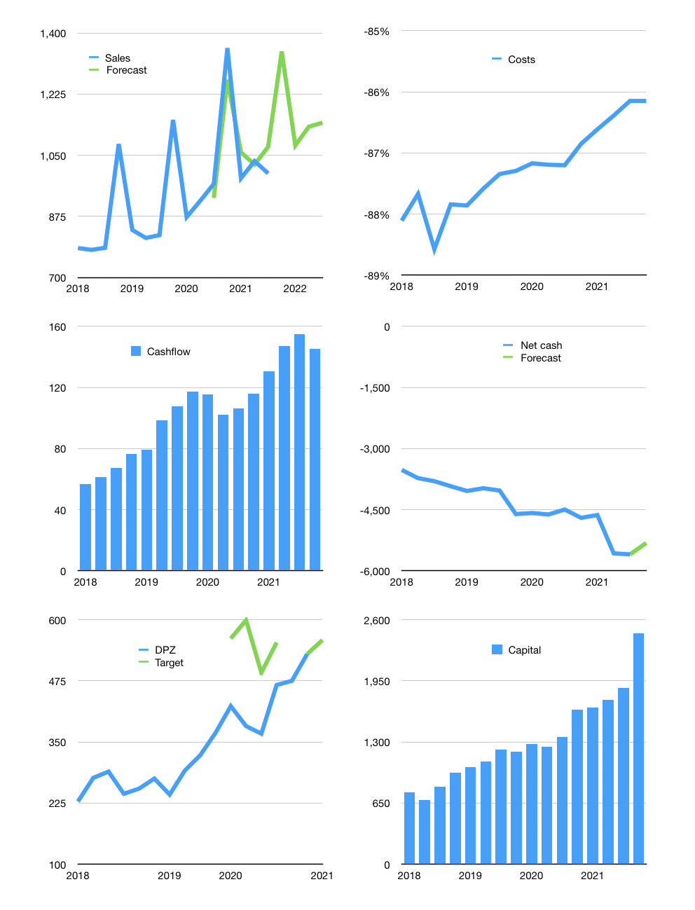
Financial model
$m | 4Q 2021
Cashflow | 4% |  |  | 5%
Growth | 35% | -20% | 5% | 1%
Sales | 1,347 | 1,078 | 1,132 | 1,143
Cost ratio | -86% | -86% | -86% | -86%
Cash costs | -1,161 | -929 | -975 | -985
Operating | 187 | 149 | 157 | 158
Investment | -18 | -18 | -18 | -18
Finance | -169 | -132 | -139 | -141
Liabilities | -295 | -280 | -266 | -253
Equity | -87 | -68 | -72 | -73
Before revolver | -213 | -217 | -199 | -185
Revolver | 213 | 217 | 199 | 185
Beginning | 295 | 295 | 295 | 295
Change | 0 | 0 | 0 | 0
Ending | 295 | 295 | 295 | 295
Profit
Non cash costs | -13 | -13 | -13 | -13
Net profit | 174 | 137 | 144 | 146
Balance sheet
Other assets | 1,827 | 1,845 | 1,863 | 1,880
Depreciation | 353 | 366 | 378 | 391
Net other assets | 1,474 | 1,479 | 1,485 | 1,490
Liabilities | 5,597 | 5,317 | 5,052 | 4,799
Revolver | 213 | 429 | 628 | 813
Equity | -4,040 | -3,972 | -3,900 | -3,827
Check | 0 | 0 | 0 | 0
Net cash | -5,515 | -5,451 | -5,385 | -5,317
Valuation
Capital | 2,043 | 2,175 | 2,314 | 2,454
Current value |  |  |  | 19,270
P/assets |  |  |  | 10.8
Yield |  |  |  | 2%
Cashflow |  |  |  | 580
Payback |  |  |  | 3
Valuation |  |  |  | 33
Forecast |  |  |  | 35
Value |  |  |  | 20,307
Shares |  |  |  | 36
Target |  |  |  | 558
Current |  |  |  | 530
V target |  |  |  | 5%
12 month growth |  |  |  | 3%
Sales forecasts |  |  |  | 0%

