Model
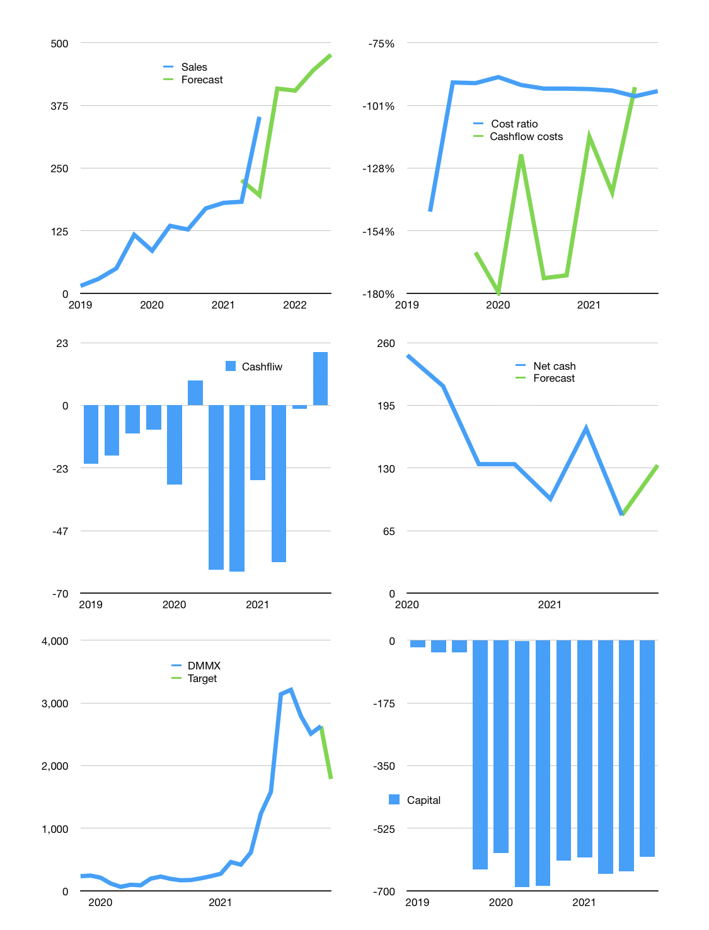
Financial model
Rpbn | 4Q 2021
Cashflow | 33% |  |  | 8%
Growth | 16% | -1% | 10.0% | 7%
Sales | 409 | 404 | 445 | 476
Cost ratio | -95% | -95% | -95% | -95%
Cash costs | -389 | -385 | -424 | -454
Operating | 19 | 19 | 21 | 23
Investment | -3 | -3 | -3 | -3
Free cashflow | 17 | 16 | 18 | 20
Finance | -10 | -10 | -10 | -10
Liabilities | -6 | -6 | -5 | -5
Equity | -4 | -4 | -5 | -5
Before revolver | 6 | 7 | 8 | 9
Revolver | 0 | 0 | 0 | 0
Beginning | 197 | 203 | 210 | 218
Change | 6 | 7 | 8 | 9
Ending | 203 | 210 | 218 | 227
Profit
Non cash costs | -5 | -5 | -5 | -5
Profit | 15 | 14 | 16 | 18
Balance sheet
Other assets | 865 | 868 | 870 | 873
Depreciation | 23 | 27 | 32 | 37
Net other assets | 842 | 840 | 838 | 836
Liabilities | 110 | 105 | 99 | 94
Revolver | 0 | 0 | 0 | 0
Equity | 935 | 945 | 957 | 969
Check | 0 | 0 | 0 | 0
Net cash | 93 | 105 | 119 | 133
Valuation
Capital | -636 | -626 | -616 | -605
Current value |  |  |  | 19,090
P/assets |  |  |  | 18
Yield |  |  |  | 0%
Cashflow |  |  |  | 142
Payback |  |  |  | 6
Valuation |  |  |  | 135
Forecast |  |  |  | 75
Value |  |  |  | 10,632
Shares |  |  |  | 6
Target price |  |  |  | 1,788
Current |  |  |  | 3,210
V target |  |  |  | -44%
12 month growth |  |  |  | 176%
Sales v forecast |  |  |  | -21%

