Model
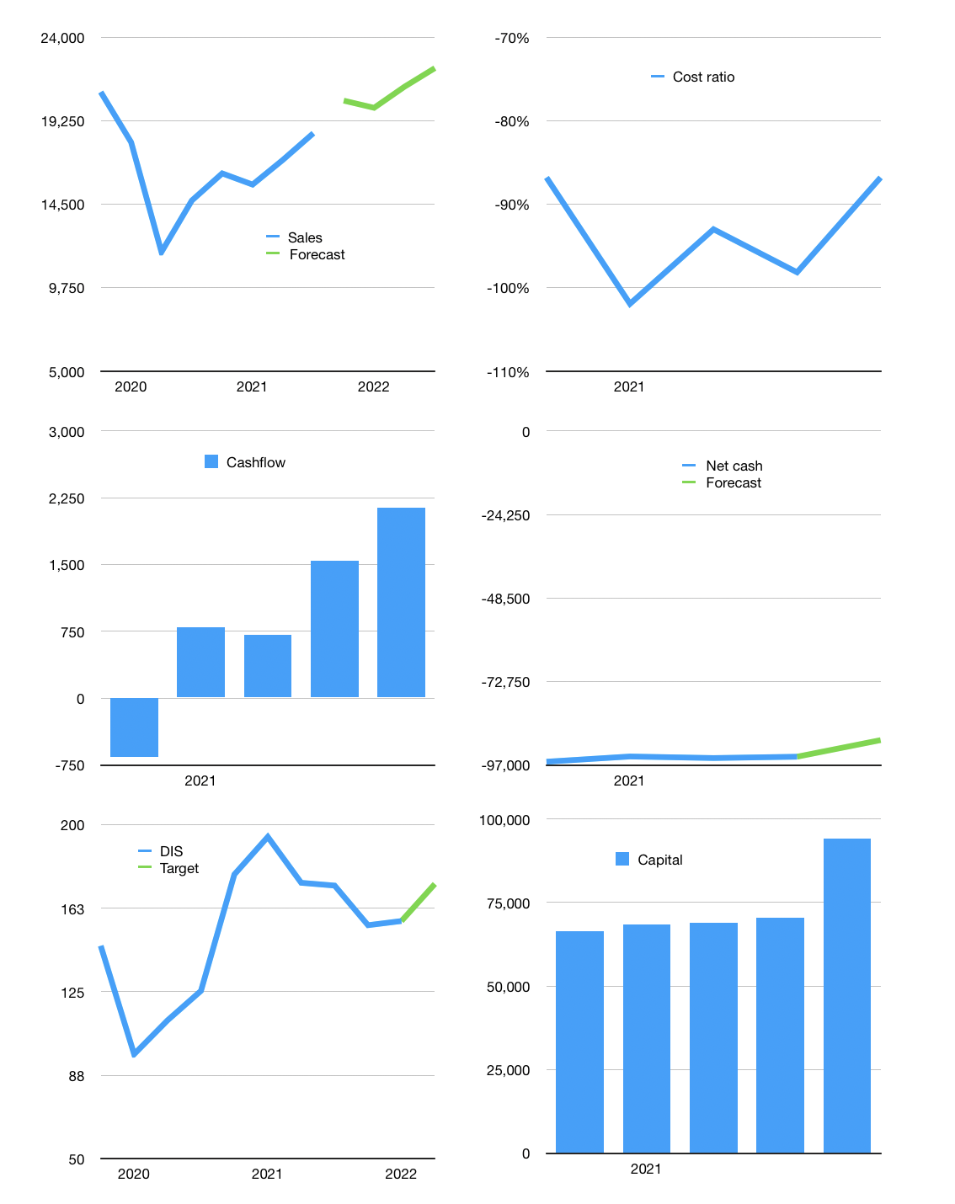
Model
$m
Cashflow | 6% |  |  | 5%
Growth | 10.0% | -2% | 6% | 5%
Sales | 20,387 | 19,980 | 21,178 | 22,237
Cost ratio | -87% | -87% | -87% | -87%
Cash costs | -17,699 | -17,345 | -18,385 | -19,305
Non cash costs | -209 | -209 | -209 | -209
Profit | 2,480 | 2,426 | 2,584 | 2,724
Operating | 2,689 | 2,635 | 2,793 | 2,933
Investment | -793 | -793 | -793 | -793
Liabilities | -5,530 | -5,253 | -4,991 | -4,741
Equity | -744 | -728 | -775 | -817
Before revolver | -4,378 | -4,139 | -3,766 | -3,418
Revolver | 4,378 | 4,139 | 3,766 | 3,418
Beginning | 16,003 | 16,003 | 16,003 | 16,003
Change | 0 | 0 | 0 | 0
Ending | 16,003 | 16,003 | 16,003 | 16,003
Balance sheet
Other assets | 189,235 | 190,028 | 190,820 | 191,613
Depreciation | 1,045 | 1,254 | 1,463 | 1,672
Net other assets | 188,190 | 188,774 | 189,357 | 189,941
Liabilities | 105,068 | 99,815 | 94,824 | 90,083
Revolver | 4,378 | 8,517 | 12,282 | 15,701
Equity | 94,747 | 96,445 | 98,254 | 100,161
Check | 0 | 0 | 0 | 0
Net cash | -93,443 | -92,328 | -91,103 | -89,780
Valuation
Capital | 76,746 | 82,727 | 88,493 | 94,051
Market value |  |  |  | 284,900
P/assets |  |  |  | 1.38
Yield |  |  |  | 1.1%
Cashflow |  |  |  | 7,879
Payback |  |  |  | 24
Valuation |  |  |  | 36
Forecast |  |  |  | 40
Shares |  |  |  | 1,817
Target |  |  |  | 173
Current |  |  |  | 157
V target |  |  |  | 11%
12 month growth |  |  |  | 26%

