Model
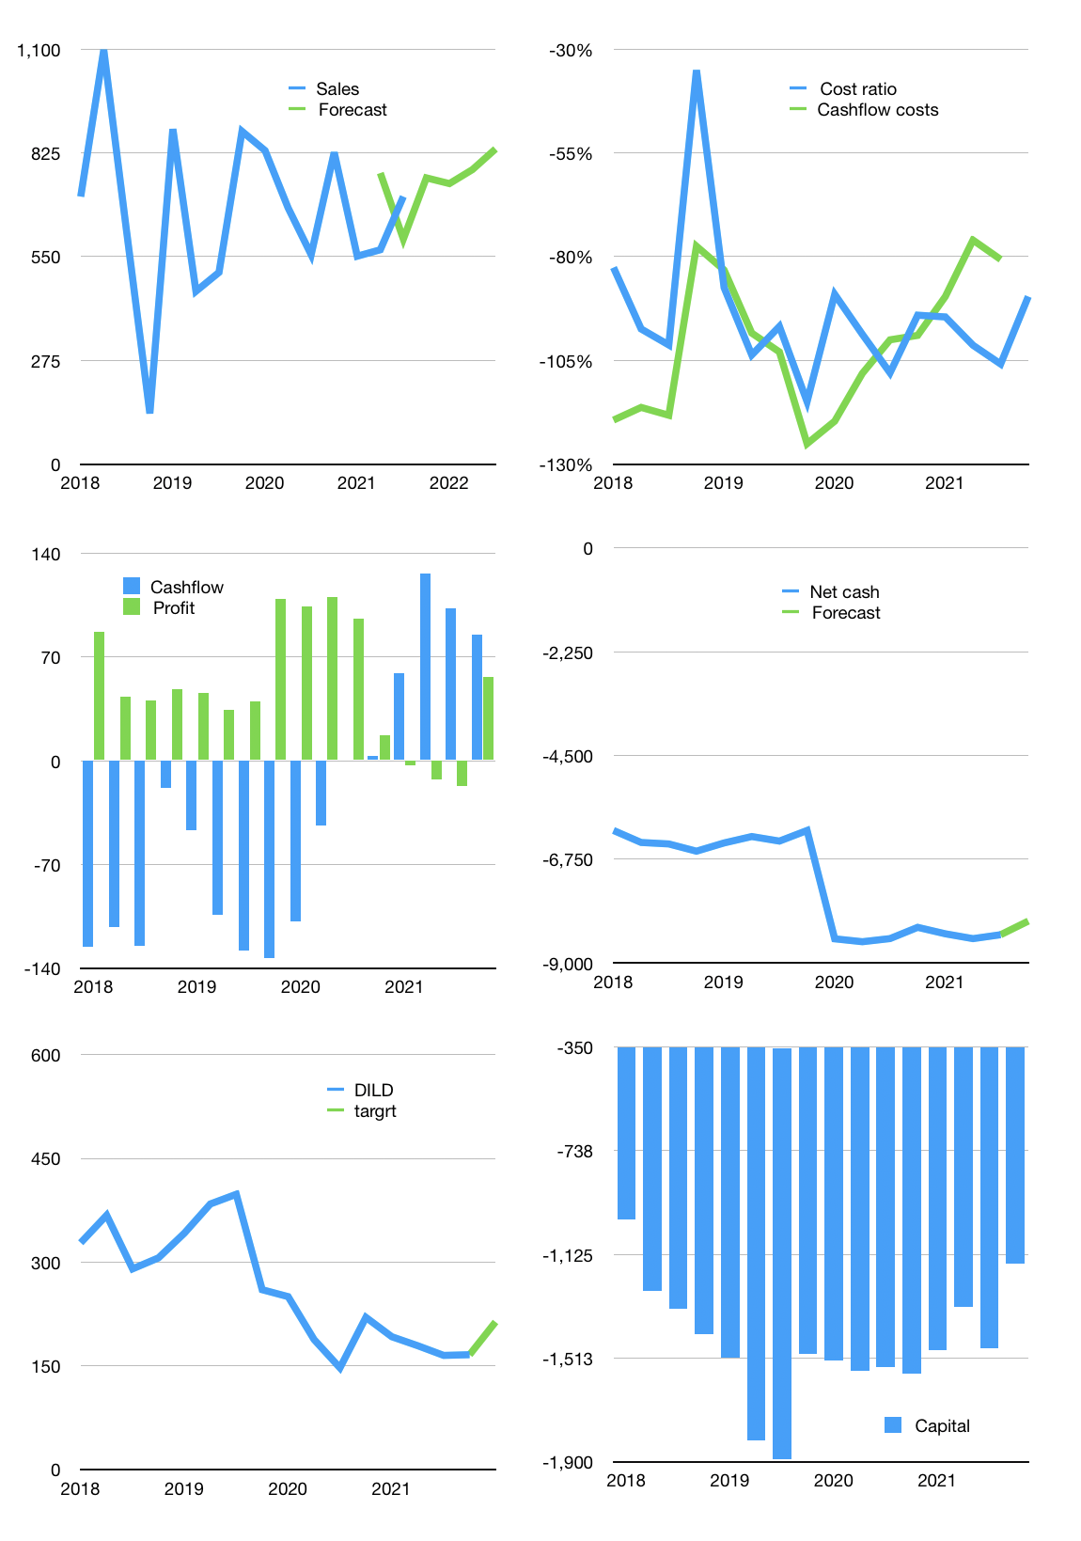
Financial model
Rpbn | 4Q 2021
Cashflow | 11% |  |  | 4%
Growth | 7% | -2% | 5% | 7%
Sales | 759 | 743 | 781 | 835
Cost ratio | -90% | -90% | -90% | -90%
Cash costs | -680 | -666 | -700 | -749
Operating | 79 | 77 | 81 | 87
Investment | -2 | -2 | -2 | -2
Finance | -77 | -75 | -79 | -85
Liabilities | -505 | -480 | -456 | -433
Equity | -5 | -5 | -5 | -6
Before revolver | -433 | -409 | -382 | -354
Revolver | 433 | 409 | 382 | 354
Beginning | 1,712 | 1,712 | 1,712 | 1,712
Change | 0 | 0 | 0 | 0
End | 1,712 | 1,712 | 1,712 | 1,712
Profit
Non cash costs | -30 | -30 | -30 | -30
Profit | 49 | 47 | 51 | 57
Balance sheet
Other assets | 15,319 | 15,321 | 15,322 | 15,324
Depreciation | 1,015 | 1,045 | 1,075 | 1,105
Net other assets | 14,304 | 14,276 | 14,248 | 14,220
Liabilities | 9,595 | 9,115 | 8,659 | 8,227
Revolver | 433 | 842 | 1,224 | 1,578
Equity | 5,988 | 6,030 | 6,076 | 6,127
Check | 0 | 0 | 0 | 0
Net cash | -8,316 | -8,245 | -8,171 | -8,092
Valuation
Capital | -1,398 | -1,323 | -1,244 | -1,159
Current value |  |  |  | 1,721
P/assets |  |  |  | 0.11
Yield |  |  |  | 1%
Cashflow |  |  |  | 316
Payback |  |  |  | 45
Valuation |  |  |  | 5
Forecast |  |  |  | 7
Value |  |  |  | 2,212
Shares |  |  |  | 10.367021277
Target |  |  |  | 213
Current |  |  |  | 166
V target |  |  |  | 29%
12 month growth |  |  |  | 28%
Sales forecasts |  |  |  | 7%

