Model
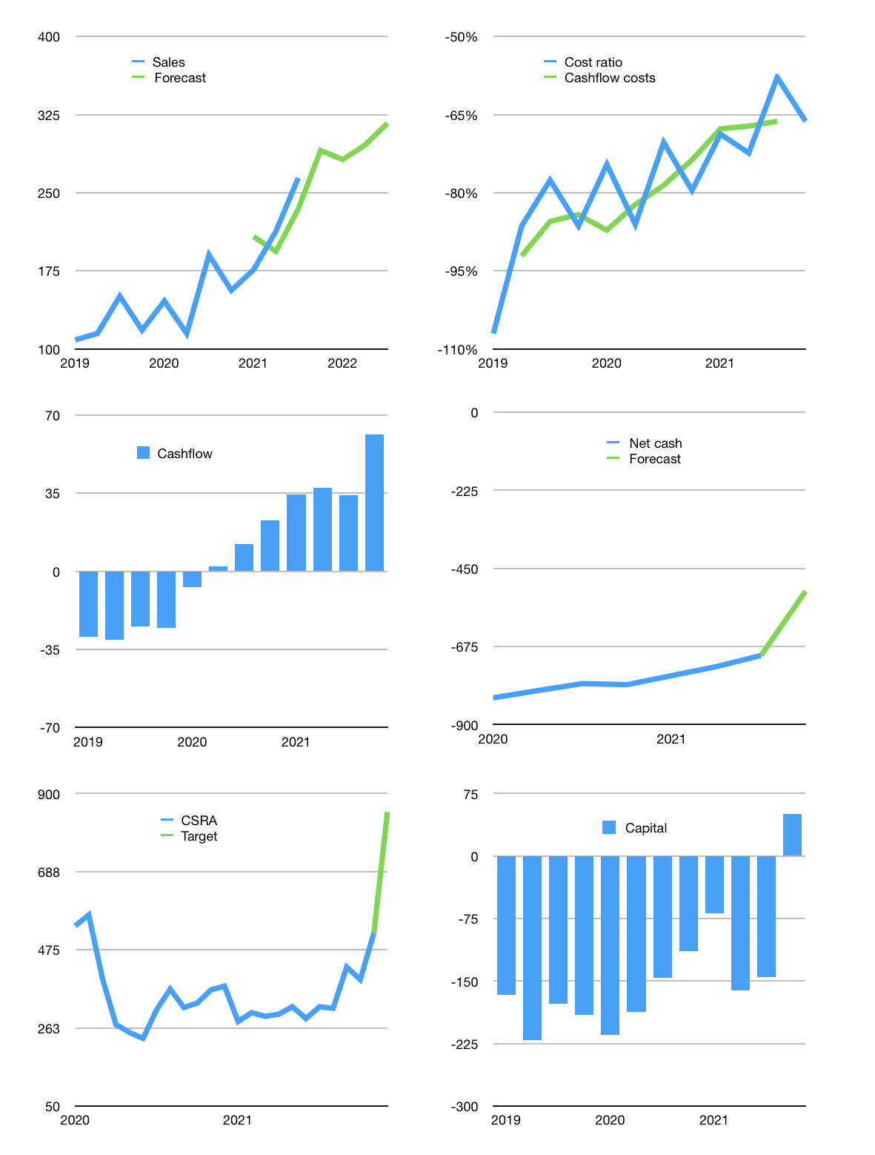
Financial model
Rpbn | 4Q 2021
Cashflow | 10% |  |  | 5%
Growth | 10% | -3% | 5% | 7%
Sales | 291 | 282 | 296 | 317
Cost ratio | -66% | -66% | -66% | -66%
Cash costs | -193 | -187 | -196 | -210
Operating | 98 | 95 | 100 | 107
Investment | -45 | -45 | -45 | -45
Finance | -52 | -49 | -48 | -46
Liabilities | -44 | -42 | -40 | -38
Equity | -8 | -8 | -8 | -9
Before revolver | 1 | 0 | 7 | 15
Revolver | 0 | 0 | 0 | 0
Beginning | 175 | 176 | 176 | 183
Change | 1 | 0 | 7 | 15
Ending | 176 | 176 | 183 | 198
Profit
Non cash costs | -18 | -18 | -18 | -18
Net profit | 80 | 77 | 81 | 88
Balance sheet
Other assets | 2,165 | 2,210 | 2,256 | 2,301
Depreciation | 685 | 704 | 722 | 741
Net other assets | 1,479 | 1,506 | 1,533 | 1,560
Liabilities | 832 | 791 | 751 | 714
Revolver | 0 | 0 | 0 | 0
Equity | 823 | 891 | 965 | 1,044
Check | 0 | 0 | 0 | 0
Net cash | -657 | -615 | -568 | -516
Valuation
Capital | -93 | -44 | 4 | 50
Current value |  |  |  | 1,066
P/assets |  |  |  | 0.61
Yield |  |  |  | 3%
Cashflow |  |  |  | 218
Payback |  |  |  | 7
Valuation |  |  |  | 5
Forecast |  |  |  | 8
Value |  |  |  | 1,742
Shares |  |  |  | 2
Target |  |  |  | 850
Current |  |  |  | 520
V target |  |  |  | 63%
12 month growth |  |  |  | 39%
Sales forecasts |  |  |  | -3%

