Model
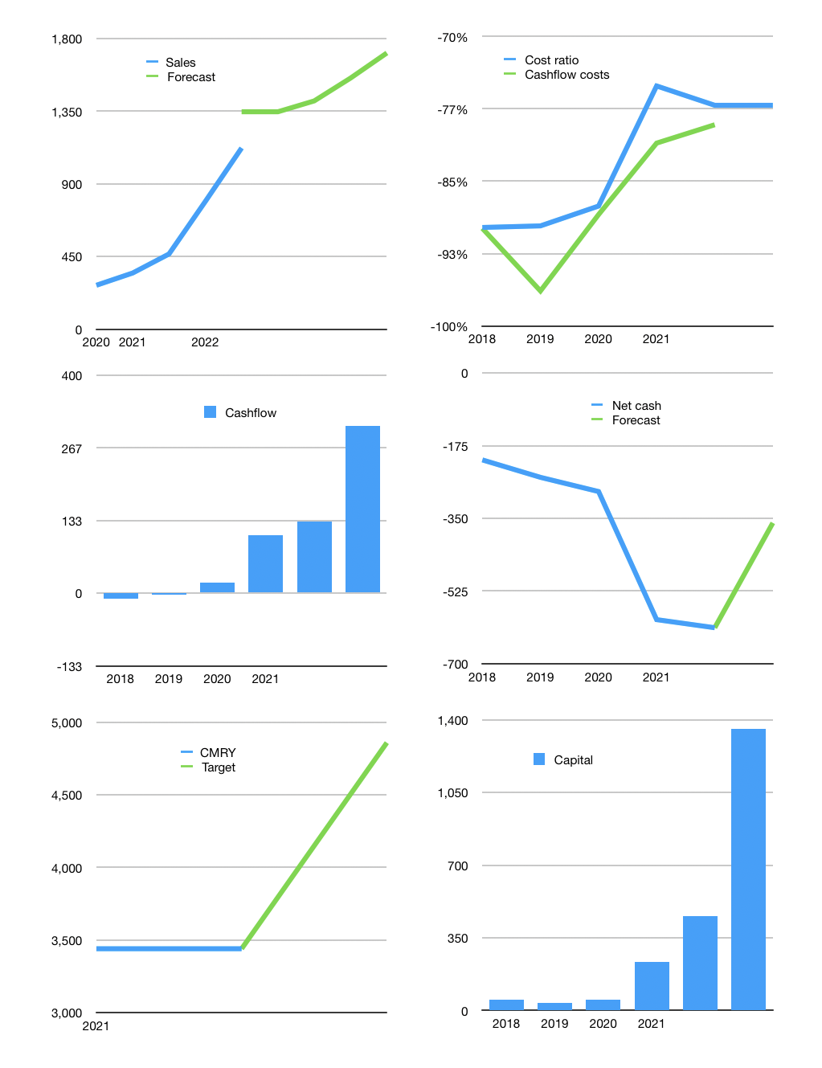
Model
Rpbn | 4Q 2021
Cashflow | 30% |  |  | 11%
Growth | 20.0% | 5% | 10.0% | 10.0%
Sales | 1,347 | 1,414 | 1,555 | 1,711
Cost ratio | -77% | -77% | -77% | -77%
Cash costs | -1,039 | -1091 | -1200 | -1320
Non cash costs | -16 | -16 | -16 | -16
Profit | 292 | 308 | 340 | 376
Operating | 308 | 323 | 356 | 391
Investment | -84 | -84 | -84 | -84
Liabilities | -31.259 | -30 | -28 | -27
Equity | -175 | -185 | -204 | -225
Before revolver | 17.243 | 25 | 39 | 55
Revolver | 0 | 0 | 0 | 0
Beginning | 12 | 29 | 54 | 93
Change | 17.243 | 25 | 39 | 55
Ending | 29 | 54 | 93 | 148
Balance sheet
Other assets | 1897.139 | 1,981 | 2,065 | 2,149
Depreciation | 272.15 | 288 | 303 | 319
Liabilities | 593.921 | 564 | 536 | 509
Revolver | 0 | 0 | 0 | 0
Equity | 1,060 | 1,183 | 1,319 | 1,469
Check | 0 | 0 | 0 | 0
Net cash | -565.097 | -510 | -443 | -361
Valuation
Capital | 660 | 874 | 1,107 | 1,359
Current value |  |  |  | 27,300
P/assets |  |  |  | 13.80
Yield |  |  |  | 3%
Cashflow |  |  |  | 1,042
Payback |  |  |  | 1.5
Valuation |  |  |  | 26
Forecast |  |  |  | 37
Value |  |  |  | 38556
Shares |  |  |  | 8
Current |  |  |  | 3,440
Target |  |  |  | 4,858
V target |  |  |  | 41%
12 month growth |  |  |  | 125%

