Model
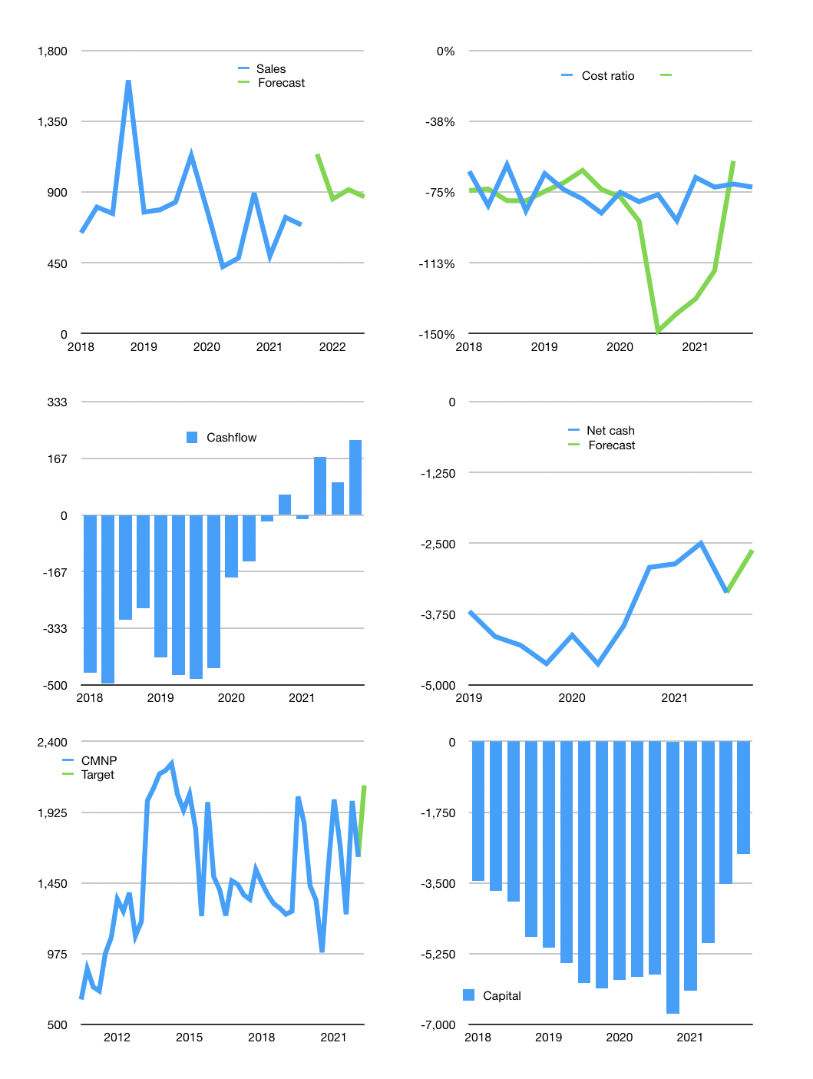
Financial model
Rpbn | 4Q 2021
Cashflow | 21% |  |  | 11%
Growth | 65% | -25% | 7% | -5%
Sales | 1,141 | 856 | 916 | 870
Cost ratio | -88% | -67% | -67% | -67%
Cash costs | -999.19122523 | -575.76273846 | -616.06613015 | -585.26282364
Operating | 142.27877477 | 280.33976154 | 299.96354485 | 284.96536761
Investment | -65.166666667 | -65.166666667 | -65.166666667 | -65.166666667
Finance | -77.112108108 | -215.17309488 | -234.79687818 | -219.79870094
Liabilities | -214.1 | -203.395 | -193.22525 | -183.5639875
Equity | 0 | 0 | 0 | 0
Before revolver | -136.98789189 | 11.778094876 | 41.571628184 | 36.234713442
Revolver | 136.98789189 | -11.778094876 | -41.571628184 | -36.234713442
Beginning | 913 | 913 | 913 | 913
Change | 3E-13 | 3E-13 | 3E-13 | 3E-13
Ending | 913 | 913 | 913 | 913
Profit
Depreciation | -26 | -26 | -26 | -26
Net profit | 116.27877477 | 254.33976154 | 273.96354485 | 258.96536761
Balance sheet
Other assets | 15821.166667 | 15886.333333 | 15951.5 | 16016.666667
Depreciation | 1969 | 1995 | 2021 | 2047
Net other assets | 13852.166667 | 13891.333333 | 13930.5 | 13969.666667
Liabilities | 4067.9 | 3864.505 | 3671.27975 | 3487.7157625
Revolver | 136.98789189 | 125.20979702 | 83.638168831 | 47.403455389
Equity | 10560.278775 | 10814.618536 | 11088.582081 | 11347.547449
Check | 1.6E-11 | -5.2E-11 | -3.93E-11 | -6.96E-11
Net cash | -3291.8878919 | -3076.714797 | -2841.9179188 | -2622.1192179
Valuation
Capital | -3450.3878919 | -3235.214797 | -3000.4179188 | -2780.6192179
Current value |  |  |  | 8825
P/assets |  |  |  | 0.59
Yield |  |  |  | 0%
Cashflow |  |  |  | 879.19480377
Payback |  |  |  | 15.710966376
Valuation |  |  |  | 10.037593446
Forecast |  |  |  | 13
Value |  |  |  | 11429.532449
Shares |  |  |  | 5.4307692308
Target |  |  |  | 2104.588128
Current |  |  |  | 1625
V target |  |  |  | 30%
12 month growth |  |  |  | 44%
Sales forecasts |  |  |  | -100%

