Model
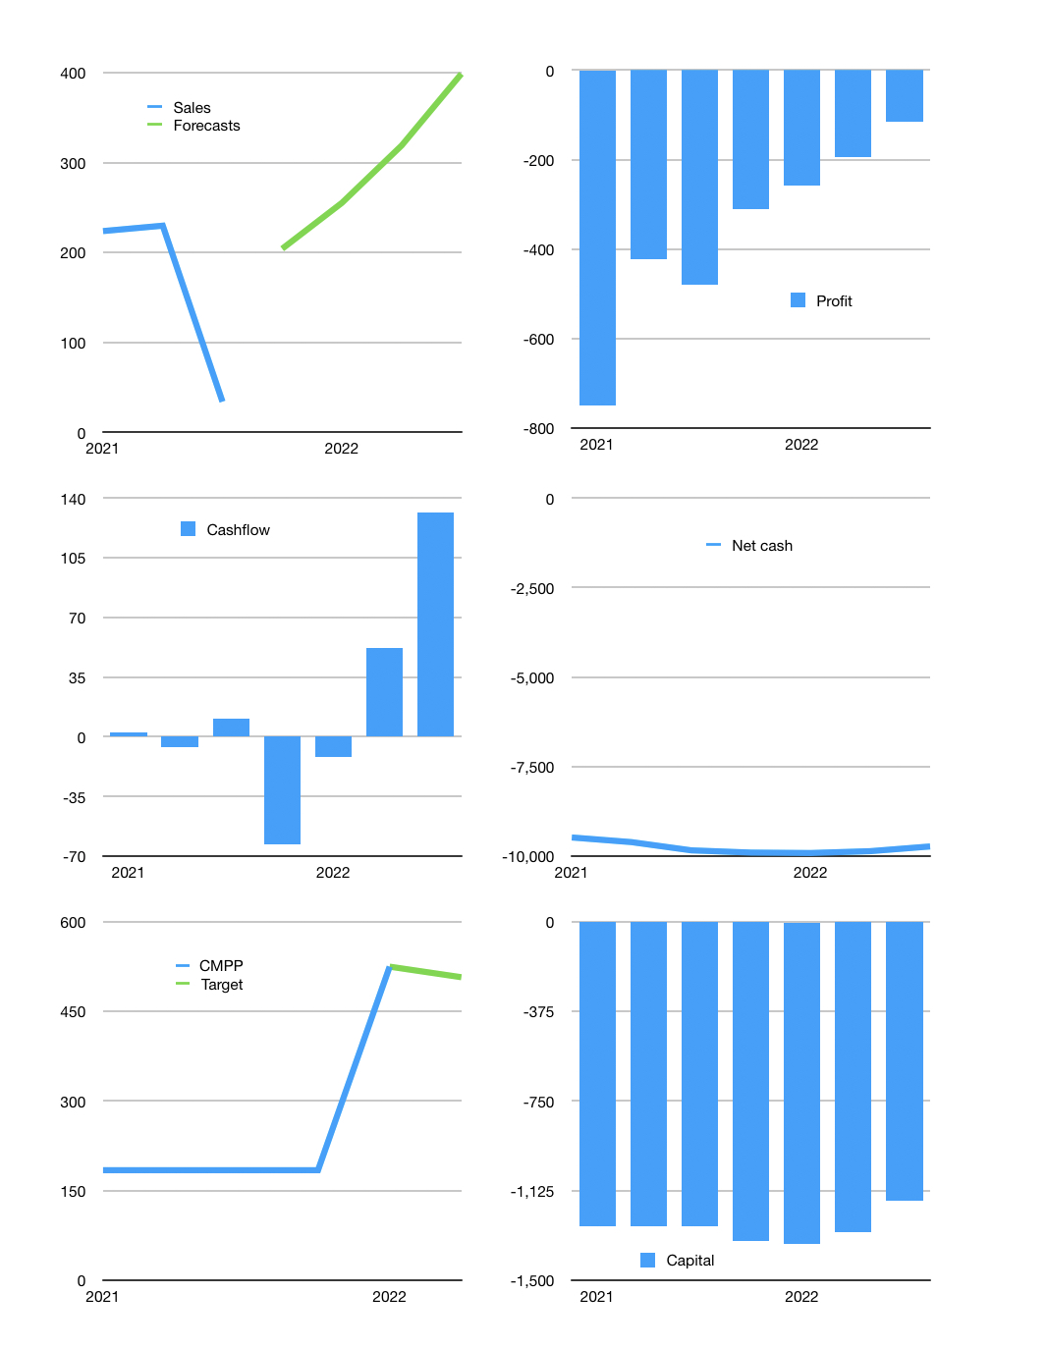
Model
Rpbn | 2021 |  |  |  | 2022
Average growth |  |  | -41% |  |  |  | 144%
Cashflow |  | 3% | -85% | 500% | 25% | 25% | 25%
Receipts | 198 | 206 | 54 | 204 | 255 | 319 | 399
Cash costs | -186 | -207 | -43 | -267 | -267 | -267 | -267
Working capital | 479 | 167 | 244 | 0 | 0
Operating | 12 | -1 | 11 | -63 | -12 | 52 | 132
Investment | -4 | -2 | 0 | 0 | 0 | 0 | 0
Leases | -5 | -4 | 0 | 0 | 0 | 0 | 0
Liabilities | 0 | 0 | 0 | -493 | -469 | -445 | -423
Equity | 0 | 0 | 0 | 0 | 0 | 0 | 0
Before revolver | 3 | -6 | 11 | -556 | -480 | -393 | -291
Revolver | 0 | 0 | 0 | 556 | 480 | 393 | 291
Beginning | 19 | 21 | 16 | 26 | 26 | 26 | 26
FX | 0 | 0 | 0 | 0 | 0
Change | 3 | -6 | 11 | 0 | 0 | 0 | 0
Ending | 21 | 16 | 26 | 26 | 26 | 26 | 26
Profit
Sales | 224 | 230 | 34
Forecasts |  |  |  | 204 | 255 | 319 | 399
Depreciation | -283 | -255 | -247 | -247 | -247 | -247 | -247
Other non cash costs
Cash costs | -691 | -397 | -267 | -267 | -267 | -267 | -267
Profit | -750 | -422 | -480 | -310 | -259 | -195 | -115
Balance sheet
Assets | 5,840 | 5,577 | 5,338 | 10,036 | 10,283 | 10,531 | 10,778
Depreciation | 1,889 |  | 2,239 | 2,486 | 2,733 | 2,980 | 3,226
Gross other assets | 7,708 | 5,562 | 7,550 | 7,550 | 7,551 | 7,551 | 7,552
Net other assets | 5,818 | 5,562 | 5,311 | 5,065 | 4,818 | 4,572 | 4,325
Liabilities | 9,500 | 9,624 | 9,864 | 9,371 | 8,902 | 8,457 | 8,034
Revolver | 0 | 0 | 0 | 556 | 1,037 | 1,430 | 1,721
Equity | -3,660 | -4,047 | -4,526 | -4,836 | -5,095 | -5,290 | -5,405
Check | 0 | 0 | 0 | 0 | 0 | 0 | 0
Valuation
Net cash | -9,478 | -9,609 | -9,838 | -9,901 | -9,913 | -9,861 | -9,729
Cashflow | 3 | -6 | 11 | -63 | -12 | 52 | 132
CMPP | 184 | 184 | 184 | 184 | 525
Target |  |  |  |  | 525 | 507
Capital | -1,274 | -1,274 | -1,274 | -1,337 | -1,349 | -1,298 | -1,166
Current value |  |  |  |  |  |  | 5,610
P/assets |  |  |  |  |  |  | 1.29
Yield |  |  |  |  |  |  | 0%
Cashflow |  |  |  |  |  |  | 108
Payback |  |  |  |  |  |  | 40
Valuation |  |  |  |  |  |  | 52
Forecast |  |  |  |  |  |  | 50
Shares |  |  |  |  |  |  | 11
Current |  |  |  |  |  |  | 525
Target |  |  |  |  |  |  | 507
Upside |  |  |  |  |  |  | -3%
12 month growth |  |  |  | 1,342 |  |  | -37%

