Model
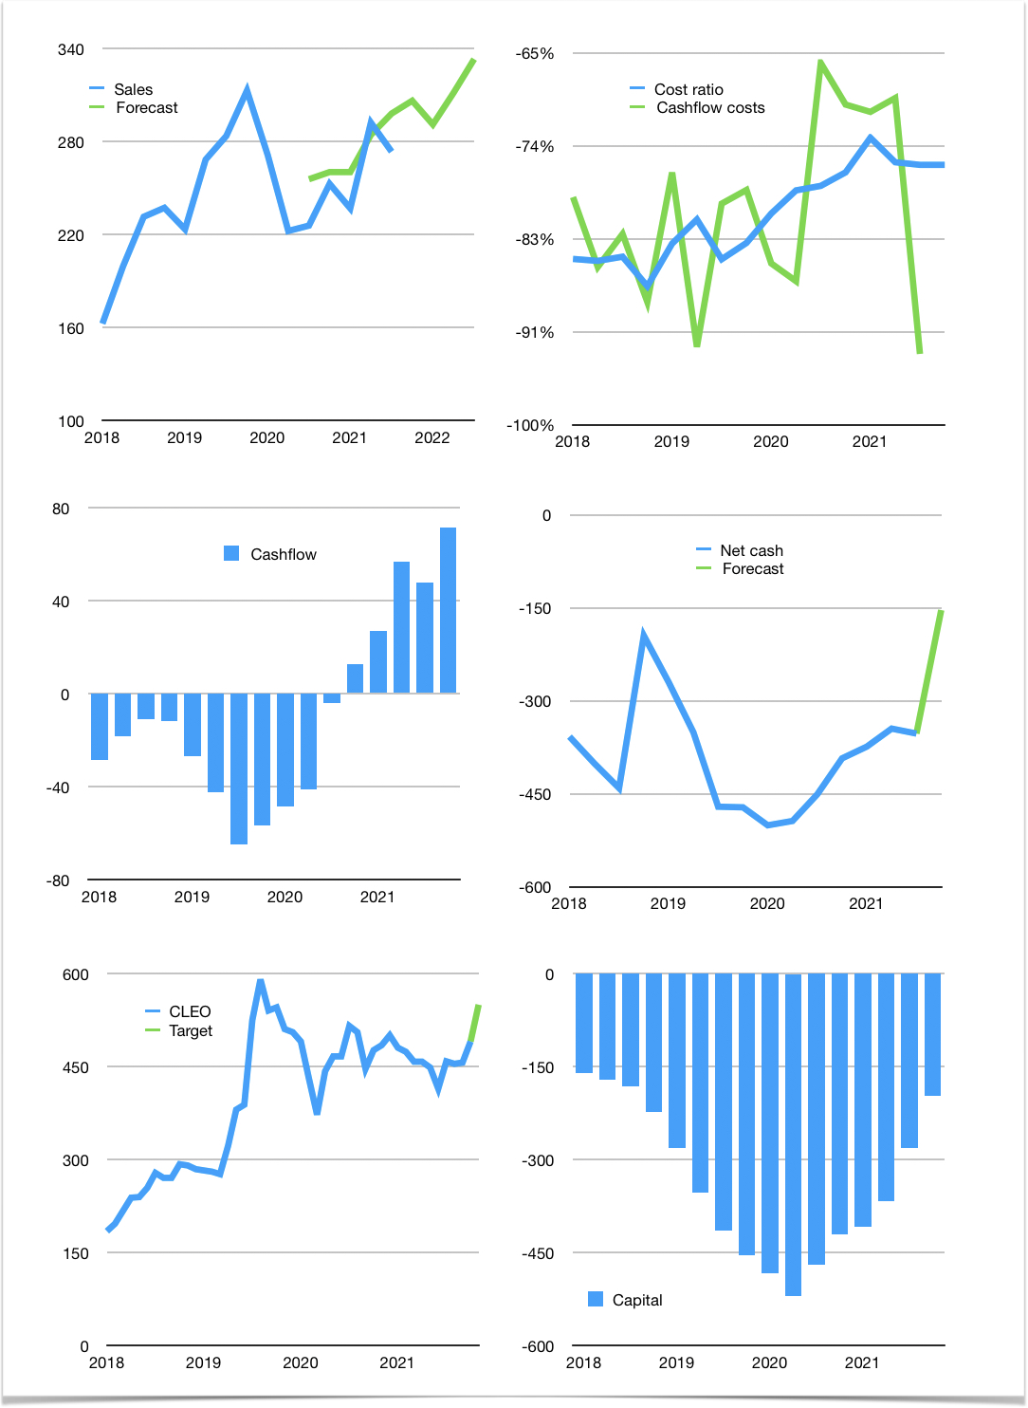
Financial model
Rpbn | 4Q 2021
Cashflow | 6% |  |  | 5%
Growth | 12% | -5% | 7% | 7%
Sales | 306 | 291 | 311 | 333
Cost ratio | -76% | -76% | -76% | -76%
Cash costs | -232 | -220 | -235 | -252
Operating | 75 | 71 | 76 | 81
Investment | -10 | -10 | -10 | -10
Leases | 0 | 0 | 0 | 0
Finance | -34 | -32 | -33 | -34
Liabilities | -18 | -17 | -17 | -16
Equity | -16 | -15 | -16 | -18
Before revolver | 31 | 29 | 33 | 38
Revolver | 0 | 0 | 0 | 0
Beginning | 15 | 46 | 75 | 108
Change | 31 | 29 | 33 | 38
End | 46 | 75 | 108 | 146
Profit
Non cash | -22 | -22 | -22 | -22
Profit | 53 | 49 | 54 | 59
Balance sheet
Other assets | 1,787 | 1,797 | 1,807 | 1,817
Depreciation | 459 | 481 | 503 | 525
Net other assets | 1,328 | 1,316 | 1,304 | 1,292
Liabilities | 350 | 332 | 316 | 300
Revolver | 0 | 0 | 0 | 0
Equity | 1,024 | 1,058 | 1,096 | 1,138
Check | 0 | 0 | 0 | 0
Net cash | -304 | -257 | -208 | -154
Valuation
Capital | -248 | -230 | -214 | -198
Current value |  |  |  | 5,877
P/assets |  |  |  | 4.1
Yield |  |  |  | 1.1%
Cashflow |  |  |  | 264
Payback |  |  |  | 5.1
Valuation |  |  |  | 22
Forecast |  |  |  | 25
Value |  |  |  | 6,589
Shares |  |  |  | 12
Target |  |  |  | 549
Current |  |  |  | 490
V target |  |  |  | 12%
12 month growth |  |  |  | 21%
Sales forecasts |  |  |  | 6%

