Model
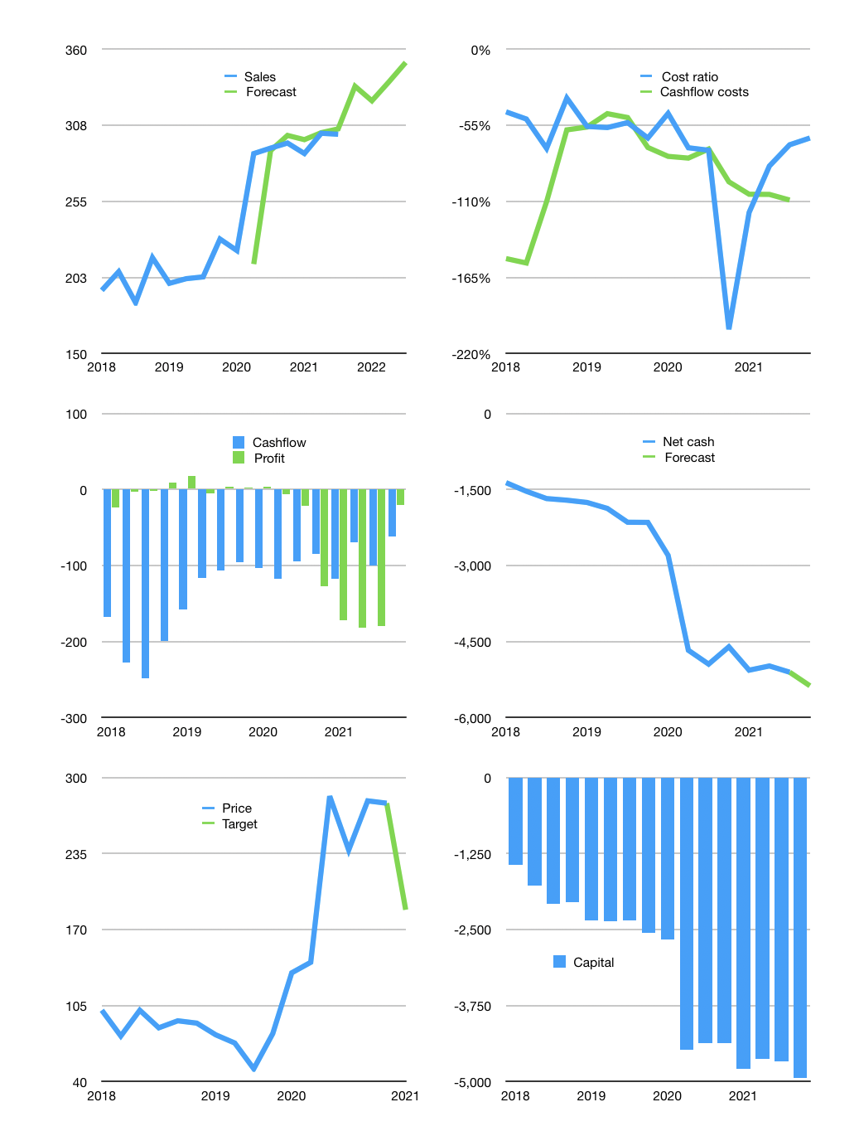
Financial model
Rpbn | 4Q 2021
Cashflow | 1% |  |  | 4%
Growth | 11% | -3% | 4% | 4%
Sales | 334 | 324 | 337 | 351
Cost ratio | -64% | -64% | -64% | -64%
Cash costs | -215 | -208 | -217 | -225
Operating | 120 | 116 | 121 | 126
Investment | -188 | -188 | -188 | -188
Finance | 68 | 71 | 67 | 62
Liabilities | -282 | -268 | -254 | -242
Equity | 0 | 0 | 0 | 0
Before revolver | -350 | -339 | -321 | -304
Revolver | 350 | 339 | 321 | 304
Beginning | 530 | 530 | 530 | 530
Change | 0 | 0 | 0 | 0
Ending | 530 | 530 | 530 | 530
Profit
Non cash costs | -147 | -147 | -147 | -147
Net profit | -27 | -30 | -26 | -21
Balance Sheet
Other assets | 10,290 | 10,477 | 10,665 | 10,852
Depreciation | 2,903 | 3,049 | 3,196 | 3,342
Net other assets | 7,387 | 7,428 | 7,469 | 7,510
Liabilities | 5,354 | 5,086 | 4,832 | 4,591
Revolver | 350 | 689 | 1,010 | 1,314
Equity | 2,213 | 2,183 | 2,157 | 2,136
Check | 0 | 0 | 0 | 0
Net cash | -5,174 | -5,245 | -5,312 | -5,374
Valuation
Capital | -4,741 | -4,812 | -4,879 | -4,941
Current value |  |  |  | 8,607
P/assets |  |  |  | 1.07
Yield |  |  |  | 0%
Cashflow |  |  |  | 482
Valuation |  |  |  | 18
Forecast |  |  |  | 12
Value |  |  |  | 5,787
Shares |  |  |  | 31
Target |  |  |  | 187
Current |  |  |  | 278
V target |  |  |  | -33%
12 month growth |  |  |  | 3%
Sales forecasts |  |  |  | -3%

Sales
Sales
Rpbn | Sales | Forecast | Depreciation | Profit | Profit | Sales growth | Cost ratio | Cashflow costs | Cashflow costs
2015 | 24 |  | 17 | -12 |  |  | -81%
 | 25 |  | 18 | -10 |  | 4% | -70%
 | 27 |  | 20 | -10 |  | 8% | -63%
 | 29 |  | 23 | -20 | -13 | 8% | -91%
2016 | 28 |  | 20 | -9 | -13 | -2% | -63%
 | 36 |  | 23 | -6 | -11 | 26% | -52%
 | 35 |  | 29 | -5 | -10 | -2% | -32%
 | 41 |  | 30 | -9 | -7 | 17% | -50%
2017 | 167 |  | 141 | -49 | -17 | 306% | -45% |  | -135%
 | 170 |  | 121 | 9 | -14 | 1% | -23% |  | -64%
 | 164 |  | 126 | -39 | -22 | -3% | -47% |  | -259%
 | 207 |  | 144 | -40 | -30 | 26% | -50% |  | -184%
2018 | 194 |  | 133 | -27 | -24 | -6% | -45% | -151% | -98%
 | 206 |  | 7 | 95 | -3 | 7% | -50% | -155% | -77%
 | 185 |  | 89 | -36 | -2 | -10% | -72% | -110% | -82%
 | 216 |  | 136 | 3 | 9 | 17% | -35% | -58% | 24%
2019 | 198 |  | 79 | 9 | 18 | -8% | -56% | -56% | -90%
 | 202 |  | 84 | 3 | -5 | 2% | -57% | -47% | -38%
 | 203 |  | 95 | 0 | 4 | 1% | -53% | -49% | -94%
 | 229 |  | 86 | -4 | 2 | 13% | -64% | -71% | -63%
2020 | 221 |  | 106 | 12 | 3 | -3% | -46% | -77% | -116%
 | 288 | 212 | 117 | -34 | -6 | 30% | -71% | -79% | -43%
 | 292 | 290 | 140 | -61 | -22 | 1% | -73% | -72% | -67%
 | 295 | 301 | 123 | -426 | -127 | 1% | -203% | -96% | -157%
2021 | 288 | 298 | 114 | -166 | -172 | -2% | -118% | -105% | -152%
 | 302 | 302 | 120 | -73 | -182 | 5% | -84% | -105% | -43%
 | 301 | 305.02 | 147 | -54 | -180 | 0% | -69% | -109% | -84%
 |  | 334.443 |  |  | -21 |  | -64%
2022 |  | 324
 |  | 337
 |  | 351

FOLLOW THE CASHFLOW HIGHER
 |  |  |  |  |  |  |  |  |  | Table 2
 |  |  |  |  |  |  |  |  |  |  | JCI index
 |  |  |  |  |  |  |  |  |  | 2017 | 5568
 | Region 1 | Region 2
April | 17 | 55
May | 26 | 43
June | 53 | 70
July | 96 | 58
 |  |  |  |  |  |  |  |  |  |  | 5829
 |  |  |  |  |  |  |  |  |  |  | 5900
 |  |  |  |  |  |  |  |  |  |  | 6355
 |  |  |  |  |  |  |  |  |  | 2018 | 6188
 |  |  |  |  |  |  |  |  |  |  | 5799
 |  |  |  |  |  |  |  |  |  |  | 5976
 |  |  |  |  |  |  |  |  |  |  | 6194
 |  |  |  |  |  |  |  |  |  | 2019 | 6468
 |  |  |  |  |  |  |  |  |  |  | 6358
 |  |  |  |  |  |  |  |  |  |  | 6169
 |  |  |  |  |  |  |  |  |  |  | 6299
 |  |  |  |  |  |  |  |  |  | 2020 | 4538
 |  |  |  |  |  |  |  |  |  |  | 4914
 |  |  |  |  |  |  |  |  |  |  | 4970
 |  |  |  |  |  |  |  |  |  |  | 5979
 |  |  |  |  |  |  |  |  |  | 2021 | 6316

Capital
Capital
 | Interest | Lease | Liabilities | Equity
2011 |  | 0 | 0 | -1 | 0 | -1 | -1 | -0.571
2012 | 0 | 0 | 0 | 0 | 0 | -1 | 0 | -0.571
2013 |  | -1 | 0 | 680 | 0 | 679 | 680 | 678.962
2014 |  | -1 | 157 | 0 | 157 | 679 | 157 | 836.236
2015 |  | -1 | -22 | 445 | 135 | 1,124 | 423 | 1259.624
2016 | -16 | 0 | -33 | -3 | 102 | 1,121 | -36 | 1223.169
2017 | -83 |  | -1,347 | 2,072 | -1,245 | 3,193 | 725 | 1948.016
2018 | -163 |  | 880 | 0 | -365 | 3,193 | 880 | 2827.703
2019 | -222 |  | 504 | 0 | 138 | 3,193 | 504 | 3331.54
2020 | -495 |  | 1,816 | 0 | 1,954 | 3,193 | 1,816 | 5147.24
2021 |  |  | 305 | 0 | 2,259 | 3,193 | 305 | 5,452

