Model
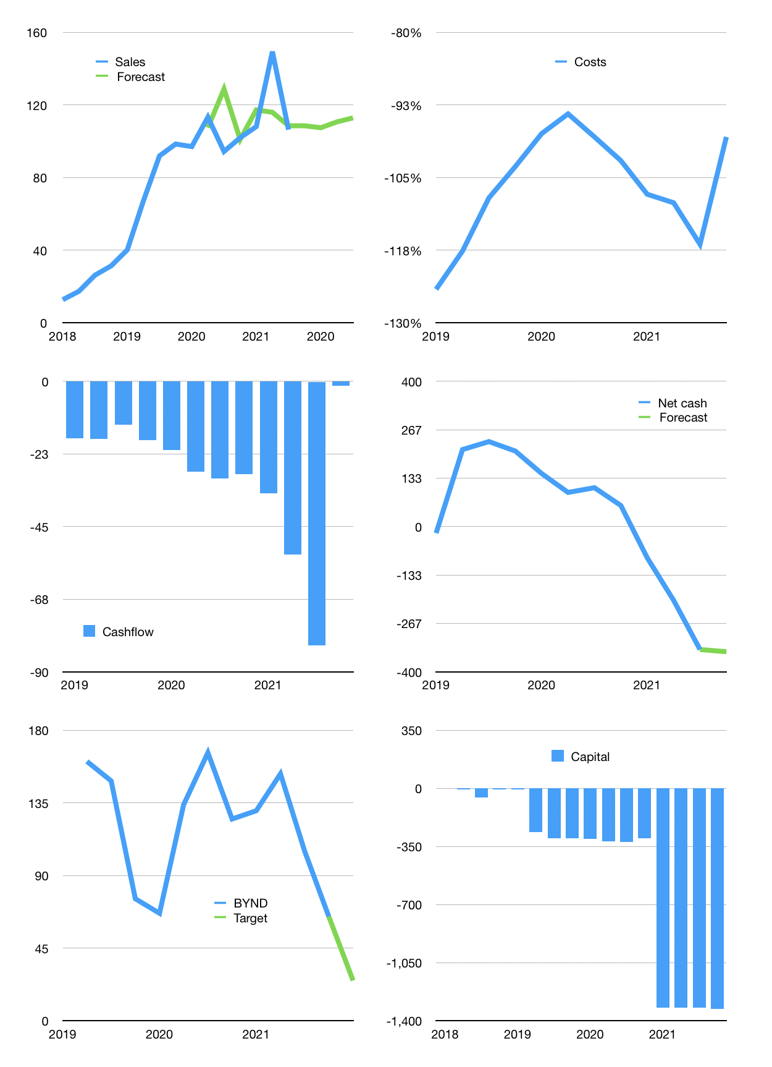
Financial model
$m | 4Q 2021
Cashflow | 6% |  |  | 2%
Growth | 2% | -1% | 3% | 2%
Sales | 109 | 107 | 111 | 113
Cost ratio | -98% | -98% | -98% | -98%
Cash costs | -106 | -105 | -108 | -111
Operating | 2 | 2 | 2 | 2
Investment | -4 | -4 | -4 | -4
Finance | 2 | 2 | 2 | 1
Liabilities | -61 | -58 | -55 | -53
Equity | 0 | 0 | 0 | 0
Before revolver | -63 | -60 | -57 | -54
Revolver | 63 | 60 | 57 | 54
Beginning | 886 | 886 | 886 | 886
Change | 0 | 0 | 0 | 0
Ending | 886 | 886 | 886 | 886
Profit
Non cash costs | -15 | -15 | -15 | -15
Profit | -12 | -12 | -12 | -12
Balance sheet
Other assets | 629 | 633 | 637 | 640
Depreciation | 94 | 109 | 123 | 138
Net other assets | 535 | 524 | 514 | 503
Liabilities | 1,164 | 1,106 | 1,050 | 998
Revolver | 63 | 123 | 179 | 233
Equity | 195 | 182 | 170 | 158
Check | 0 | 0 | 0 | 0
Net cash | -340 | -342 | -343 | -345
Valuation
Capital | -1,324 | -1,325 | -1,327 | -1,328
Current value |  |  |  | 4,085
P/assets |  |  |  | 3
Yield |  |  |  | 0%
Sales |  |  |  | 452
Valuation |  |  |  | 9
Forecast |  |  |  | 4
Value |  |  |  | 1,581
Shares |  |  |  | 63
Target |  |  |  | 25
Current |  |  |  | 65
V target |  |  |  | -61%
12 month growth |  |  |  | 13%

