Model
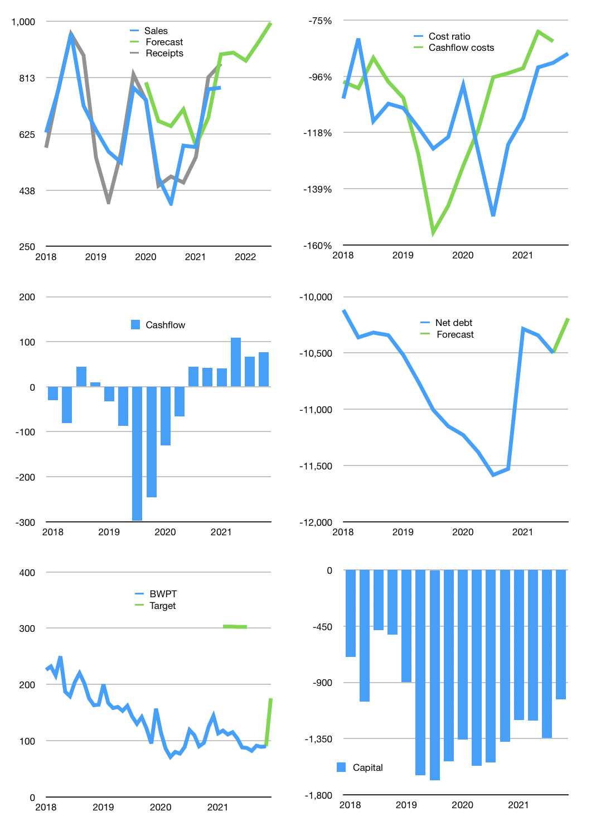
Financial model
Rpbn | 4Q 2021
Cashflow | 21% |  |  | 7%
Growth | 15% | -3% | 7% | 7%
Sales | 896 | 869 | 930 | 995
Cost ratio | -88% | -88% | -88% | -88%
Cash costs | -786 | -762 | -815 | -873
Operating | 110 | 107 | 115 | 123
Investment | -37 | -37 | -37 | -37
Finance | -74 | -70 | -78 | -86
Liabilities | -530 | -503 | -478 | -454
Equity | 0 | 0 | 0 | 0
Before revolver | -456 | -433 | -401 | -369
Revolver | 456 | 433 | 401 | 369
Beginning | 98 | 98 | 98 | 98
Change | 0 | 0 | 0 | 0
Ending | 98 | 98 | 98 | 98
Profit
Non cash costs | -126 | -126 | -126 | -126
Profit | -16 | -19 | -11 | -3
Balance sheet
Other assets | 16,489 | 16,525 | 16,562 | 16,599
Depreciation | 4,344 | 4,470 | 4,596 | 4,722
Net other assets | 12,145 | 12,055 | 11,966 | 11,877
Liabilities | 10,068 | 9,564 | 9,086 | 8,632
Revolver | 456 | 890 | 1,290 | 1,659
Equity | 1,719 | 1,700 | 1,688 | 1,685
Check | 0 | 0 | 0 | 0
Net cash | -10,426 | -10,356 | -10,278 | -10,192
Valuation
Capital | -1,271 | -1,201 | -1,123 | -1,037
Current value |  |  |  | 2,837
P/assets |  |  |  | 0.24
Yield |  |  |  | 0%
Cashflow |  |  |  | 307
Payback |  |  |  | 40
Valuation |  |  |  | 9
Forecast |  |  |  | 18
Value |  |  |  | 5,527
Shares |  |  |  | 32
Target |  |  |  | 175
Current |  |  |  | 90
V target |  |  |  | 95%
12 month growth |  |  |  | 98%
Sales v forecast |  |  |  | 15%

