Model
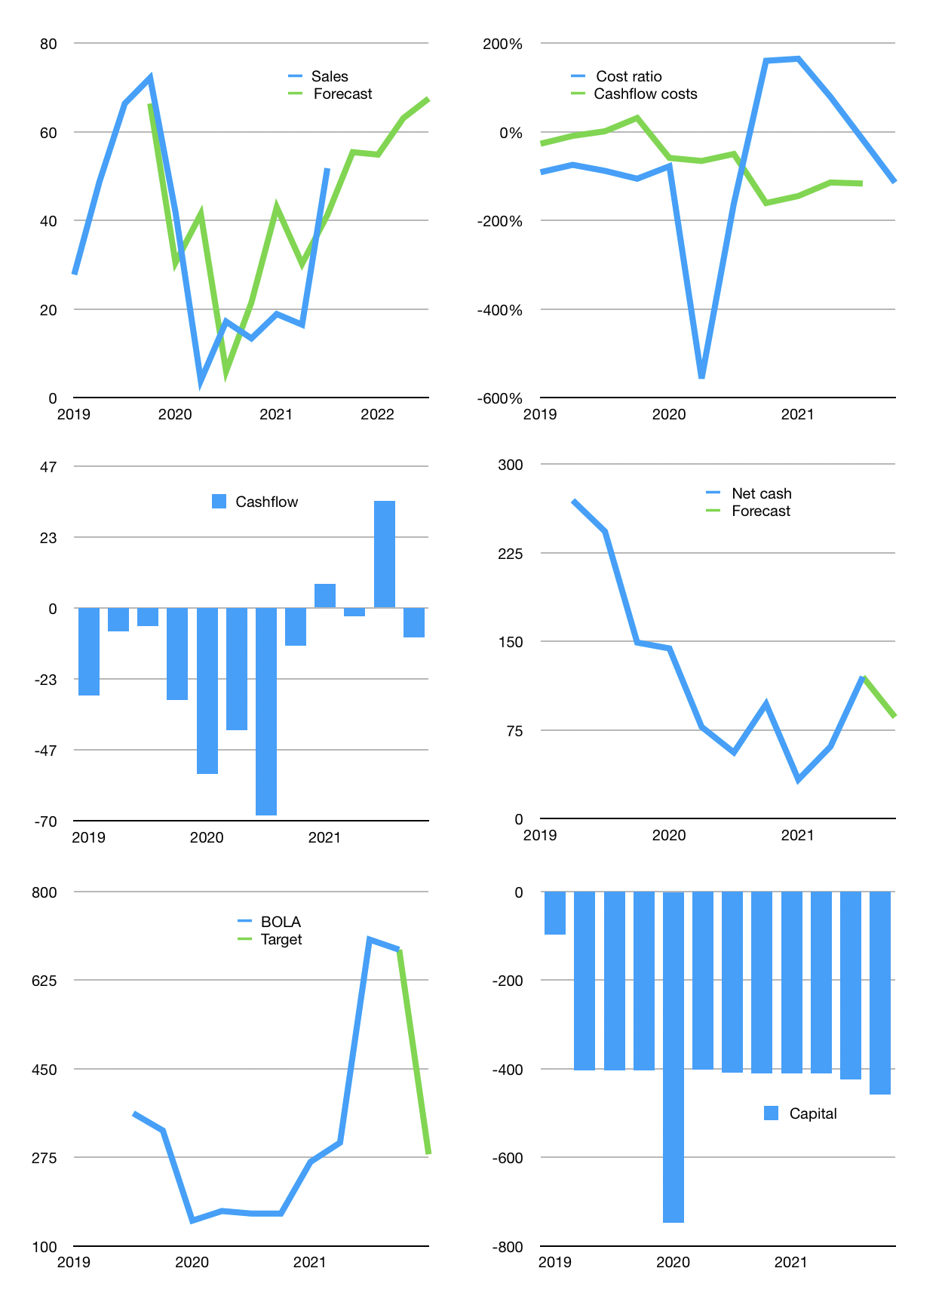
Financial model
Rpbn | 4Q 2021
Cashflow | 55% |  |  | 7%
Growth | 7% | -1% | 15% | 7%
Sales | 55 | 55 | 63 | 68
Cost ratio | -114% | -114% | -114% | -114%
Cash costs | -63 | -63 | -72 | -77
Operating | -8 | -8 | -9 | -10
Investment | 0 | 0 | 0 | 0
Liabilities | -4 | -3 | -3 | -3
Equity | 0 | 0 | 0 | 0
Before revolver | -11 | -11 | -12 | -13
Revolver | 11 | 11 | 12 | 13
Finance | 8 | 8 | 9 | 10
Beginning | 193 | 193 | 193 | 193
Change | 0 | 0 | 0 | 0
Ending | 193 | 193 | 193 | 193
Profit
Non cash costs | -2 | -2 | -2 | -2
Net profit | -10 | -10 | -11 | -12
Balance sheet
Other assets | 513 | 513 | 513 | 513
Depreciation | 37 | 39 | 42 | 44
Net other assets | 476 | 474 | 471 | 469
Liabilities | 69 | 66 | 63 | 59
Revolver | 11 | 23 | 35 | 48
Equity | 588 | 578 | 567 | 555
Check | 0 | 0 | 0 | 0
Net cash | 112 | 104 | 95 | 86
Valuation
Capital | -431 | -439 | -448 | -458
Current value |  |  |  | 4,110
P/assets |  |  |  | 6.2
Yield |  |  |  | 0%
Cashflow |  |  |  | -34
Payback |  |  |  | -14
Valuation |  |  |  | -121
Sales |  |  |  | 241
Forecast |  |  |  | 7
Value |  |  |  | 1,686
Shares |  |  |  | 6
Target |  |  |  | 281
Current |  |  |  | 685
V target |  |  |  | -59%
12 month growth |  |  |  | 201%
Sales forecasts |  |  |  | 19%

