Model
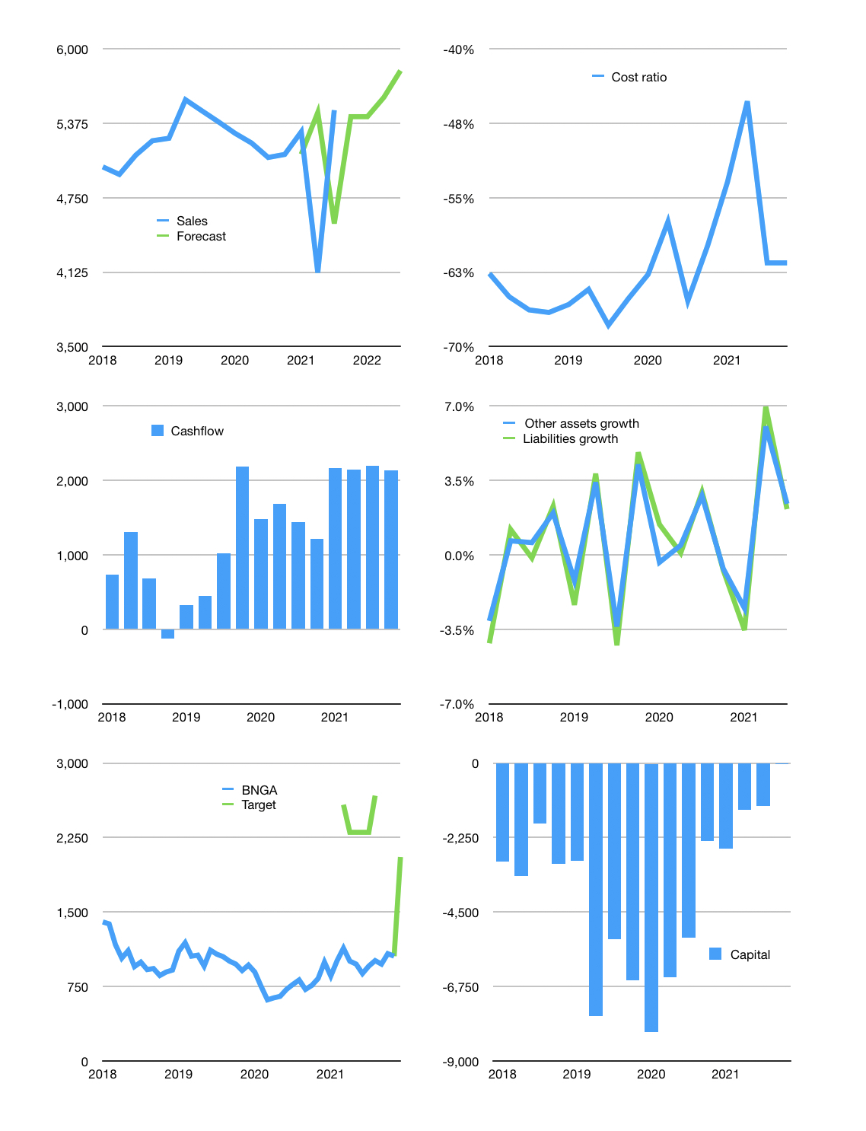
Financial model
Rpbn | 4Q 2021
Cashflow | 4% |  |  | 2%
Growth | -1% | 0% | 3% | 4%
Sales | 5,431 | 5,431 | 5,594 | 5,818
Cost ratio | -62% | -62% | -62% | -62%
Cash costs | -3,343 | -3,343 | -3,444 | -3,581
Operating | 2,088 | 2,088 | 2,150 | 2,236
Investment | -1 | -1 | -1 | -1
Finance | -299 | -299 | -318 | -343
Equity | -299 | -299 | -318 | -343
Before revolver | 1,788 | 1,788 | 1,832 | 1,892
Revolver | 0 | 0 | 0 | 0
Beginning | 3,042 | 4,830 | 6,618 | 8,450
Change | 1,788 | 1,788 | 1,832 | 1,892
Ending | 4,830 | 6,618 | 8,450 | 10,343
Profit
Depreciation | -143 | -143 | -143 | -143
Provision | -948 | -948 | -948 | -948
Net profit | 996 | 996 | 1,059 | 1,145
Balance sheet
Other assets | 310,156 | 310,156 | 310,157 | 310,157
Depreciation | 18,892 | 19,984 | 21,075 | 22,166
Net other assets | 291,263 | 290,172 | 289,082 | 287,991
Liabilities | 252,855 | 252,855 | 252,855 | 252,855
Revolver | 0 | 0 | 0 | 0
Equity | 43,238 | 43,936 | 44,677 | 45,479
Check | 0 | 0 | 0 | 0
Valuation
Capital | -995 | -696 | -378 | -35
Current value |  |  |  | 26,380
P/sales |  |  |  | 1.18
P/assets |  |  |  | 0.09
Yield |  |  |  | 5%
Cashflow |  |  |  | 8,560
Valuation |  |  |  | 3
Forecast |  |  |  | 6
Value |  |  |  | 51,358
Shares |  |  |  | 25
Target |  |  |  | 2,054
Current |  |  |  | 1,055
V target |  |  |  | 95%
12 months growth |  |  |  | 8%
Sales forecasts |  |  |  | 1%

