Model
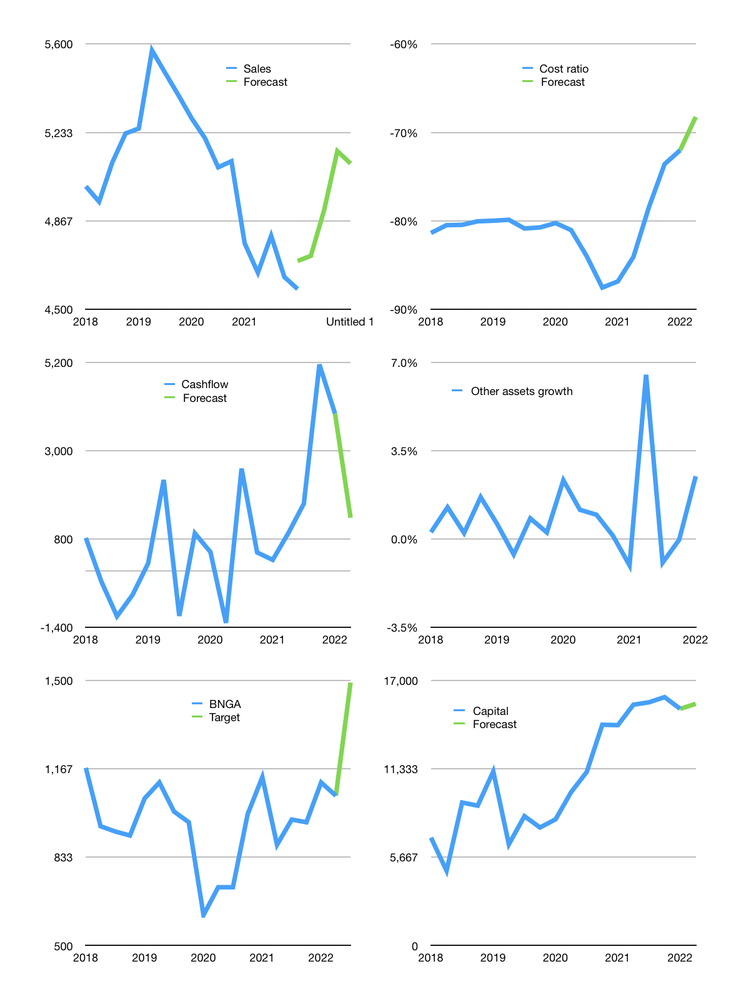
Financial model
Rpbn |  |  | 4Q 2022
Cashflow | 0% |  |  | 3%
Growth | 3% | 4% | 5% | -1%
Sales | 4,721 | 4,910 | 5,156 | 5,104
Cost ratio | -68% | -68% | -68% | -68%
Cash costs | -3,222 | -3,351 | -3,519 | -3,484
Operating | 1,499 | 1,559 | 1,637 | 1,620
Investment | -251 | -251 | -251 | -251
Finance | -56 | -74 | -97 | -92
Revolver | 0 | 0 | 0 | 0
Payout | 0.3
Equity | -56 | -74 | -97 | -92
Before revolver | 1,192 | 1,234 | 1,289 | 1,277
Beginning | 37,106 | 38,298 | 39,533 | 40,822
Change | 1,192 | 1,234 | 1,289 | 1,277
Ending | 38,298 | 39,533 | 40,822 | 42,099
Profit
Depreciation | -246 | -246 | -246 | -246
Provision | -1,067 | -1,067 | -1,067 | -1,067
Net profit | 186 | 246 | 324 | 307
Balance sheet
Other assets | 289,385 | 289,636 | 289,887 | 290,138
Depreciation | 20,128 | 21,442 | 22,755 | 24,068
Net other assets | 269,257 | 268,194 | 267,132 | 266,069
Liabilities | 262,819 | 262,819 | 262,819 | 262,819
Revolver | 0 | 0 | 0 | 0
Equity | 44,736 | 44,908 | 45,134 | 45,349
Check | 0 | 0 | 0 | 0
Valuation
Capital | 15,230 | 15,303 | 15,400 | 15,493
Current value |  |  |  | 26,549,491,335,168
Current value |  |  |  | 26,549
P/assets |  |  |  | 0.09
Yield |  |  |  | 1%
Cashflow |  |  |  | 5,312
Valuation |  |  |  | 5
Forecast |  |  |  | 7
Value |  |  |  | 37,181
Shares |  |  |  | 25
Target |  |  |  | 1,491
Current |  |  |  | 1,065
V target |  |  |  | 40%
12 months growth |  |  |  | -4%
Sales forecasts |  |  |  | 3%

Capital
Capital
 | Liabilities | Equity | Total | Liabilities | Equity | Total
2005 | -794 | 1,148 | 354 | -794 | 1,148 | 354
2006 | -142 | -51 | -193 | -936 | 1,097 | 162
2007 | 119 | -273 | -154 | -817 | 824 | 7
2008 | 378 | 78 | 456 | -439 | 902 | 464
2009 | -81 | -305 | -386 | -520 | 597 | 78
2010 | 2,770 | 0 | 2,770 | 2,250 | 597 | 2,848
2011 | 2,999 | 1,296 | 4,296 | 5,250 | 1,893 | 7,143
2012 | 3,817 | 0 | 3,817 | 9,067 | 1,893 | 10,961
2013 | 4,258 | 0 | 4,258 | 13,325 | 1,893 | 15,218
2014 | -81 | 0 | -81 | 13,244 | 1,893 | 15,137
2015 | -3,456 | 0 | -3,456 | 9,787 | 1,893 | 11,681
2016 | -3,734 | 0 | -3,734 | 6,054 | 1,893 | 7,947
2017 | 155 | -243 | -88 | 6,209 | 1,650 | 7,859
2018 | -4,543 | -603 | -5,146 | 1,666 | 1,048 | 2,713
2019 | 2,099 | -700 | 1,399 | 3,765 | 347 | 4,112 | -249.77858824
2020 | -5,191 | -1,393 | -6,584 | -1,425 | -1,046 | -2,471 | -2438.695
2021 | -676 | -1,099 | -1,775 | -2,101 | -2,145 | -4,246 | -1775

