Model
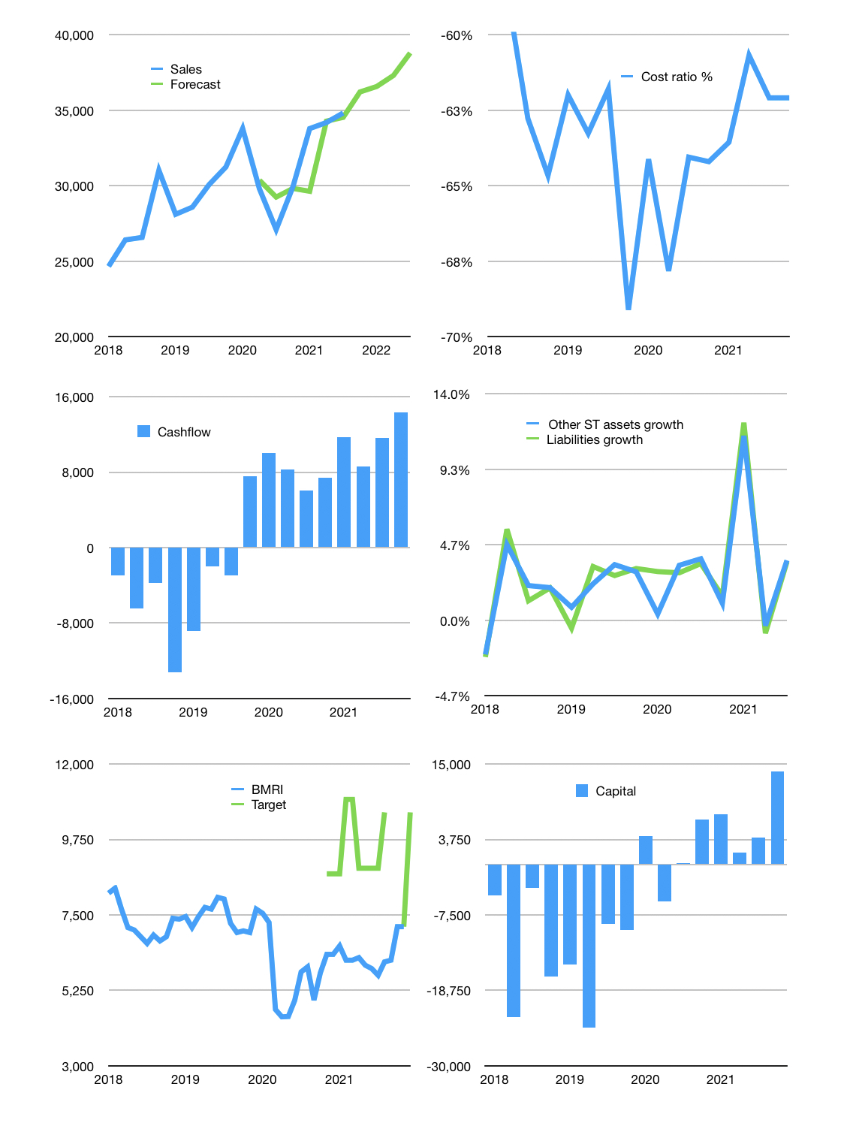
Financial model
Rpbn | 4Q 2021
Cashflow | 7% |  |  | 3%
Growth | 4% | 1% | 2% | 4%
Sales | 36,217 | 36,580 | 37,311 | 38,804
Cost ratio | -62% | -62% | -62% | -62%
Cash costs | -22,486 | -22,711 | -23,165 | -24,091
Operating | 13,732 | 13,869 | 14,146 | 14,712
Investment | -388 | -388 | -388 | -388
Finance | -2,369 | -2,410 | -2,493 | -2,663
Equity | -2,369 | -2,410 | -2,493 | -2,663
Before revolver | 10,975 | 11,071 | 11,265 | 11,661
Revolver | 0 | 0 | 0 | 0
Beginning | 20,600 | 31,575 | 42,646 | 53,911
Change | 10,975 | 11,071 | 11,265 | 11,661
Ending | 31,575 | 42,646 | 53,911 | 65,573
Profit
Depreciation | -810 | -810 | -810 | -810
Provision | -5,025 | -5,025 | -5,025 | -5,025
Net profit | 7,896 | 8,034 | 8,311 | 8,877
Balance sheet
Other assets | 1,713,331 | 1,713,718 | 1,714,106 | 1,714,494
Depreciation | 101,428 | 107,263 | 113,099 | 118,934
Net other assets | 1,611,903 | 1,606,455 | 1,601,008 | 1,595,560
Liabilities | 1,425,125 | 1,425,125 | 1,425,125 | 1,425,125
Revolver | 0 | 0 | 0 | 0
Equity | 218,353 | 223,976 | 229,794 | 236,008
Check | 0 | 0 | 0 | 0
Valuation
Capital | 6,368 | 8,778 | 11,272 | 13,935
Current value |  |  |  | 334,600
P/assets |  |  |  | 0.20
Yield |  |  |  | 3%
Cashfkow |  |  |  | 54,908
Valuation |  |  |  | 6
Forecast |  |  |  | 9
Value |  |  |  | 494,175
Shares |  |  |  | 47
Target |  |  |  | 10,560
Current |  |  |  | 7,150
V target |  |  |  | 48%
12 month growth |  |  |  | 29%
Sales forecasts |  |  |  | -1%

